Figures
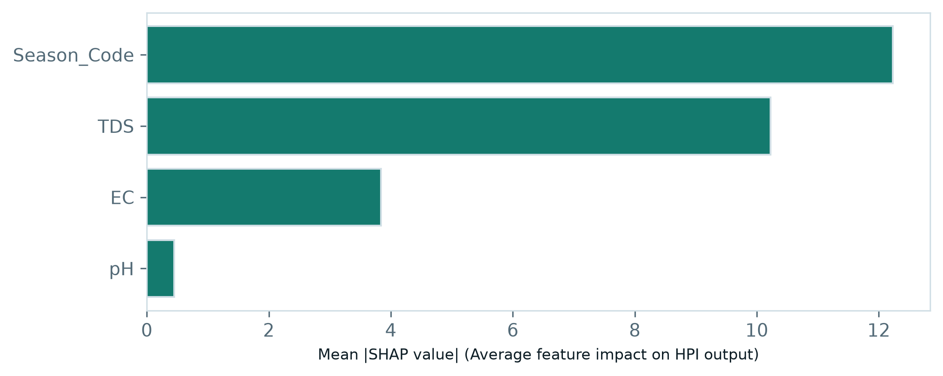
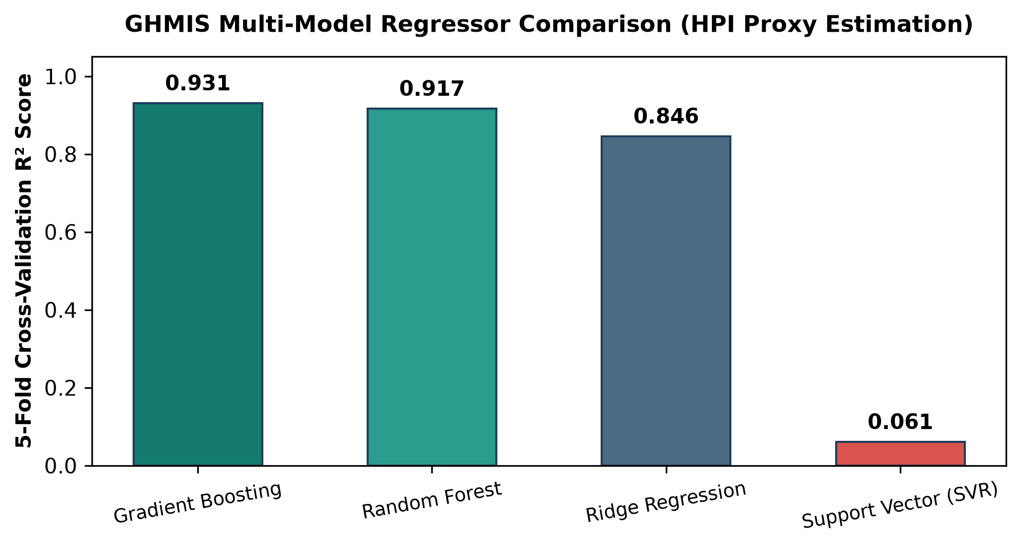
PROJECT FIGURES & DATA VISUALIZATIONS (EMBEDDED HIGH-RES CHARTS)

 | Figure 1: Analog Polar HPI Speedometer Gauge | Figure 2: 7-Heavy Metal Radar / Spider Chart
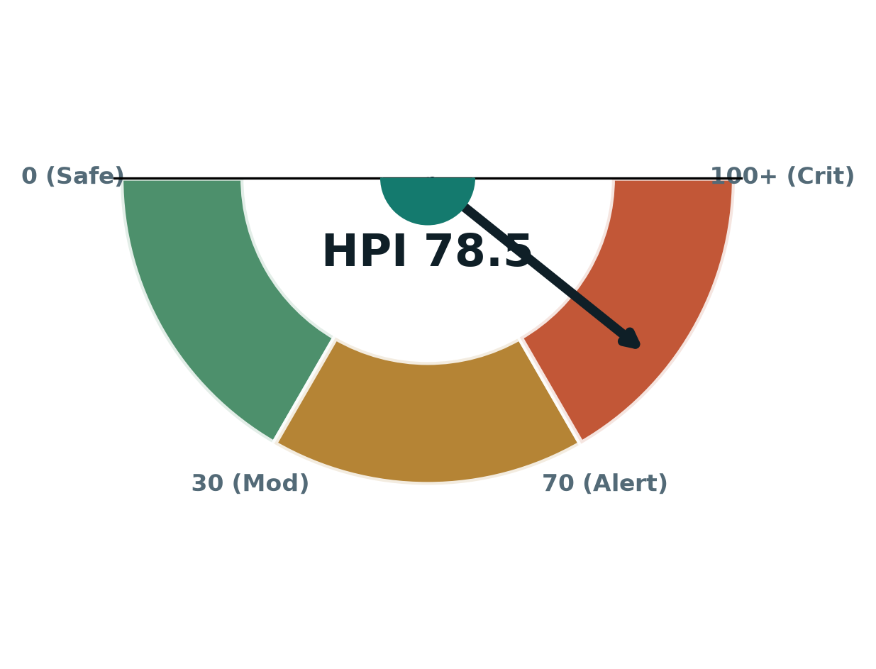
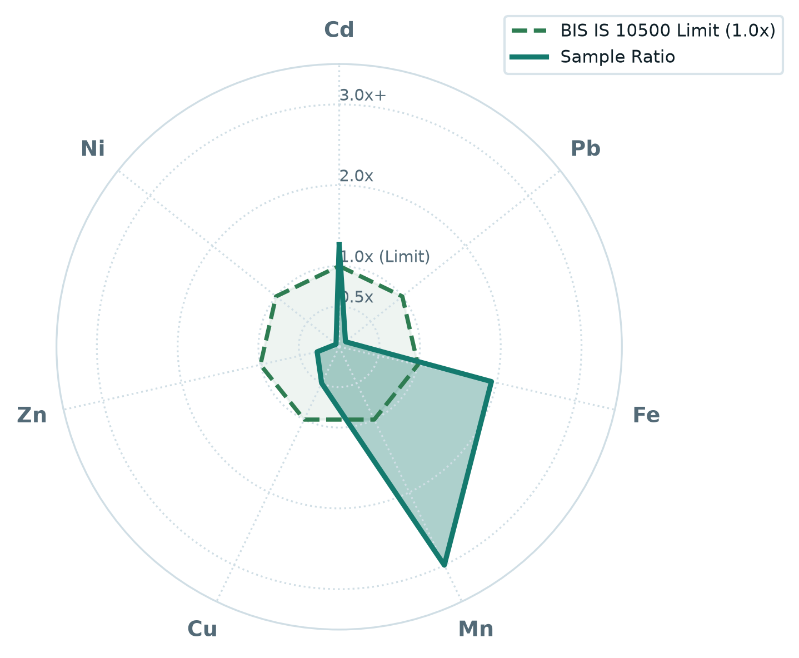

 | Figure 3: Spatial Ordinary Kriging Contamination Map | Figure 4: Explainable AI - SHAP Local Waterfall Plot
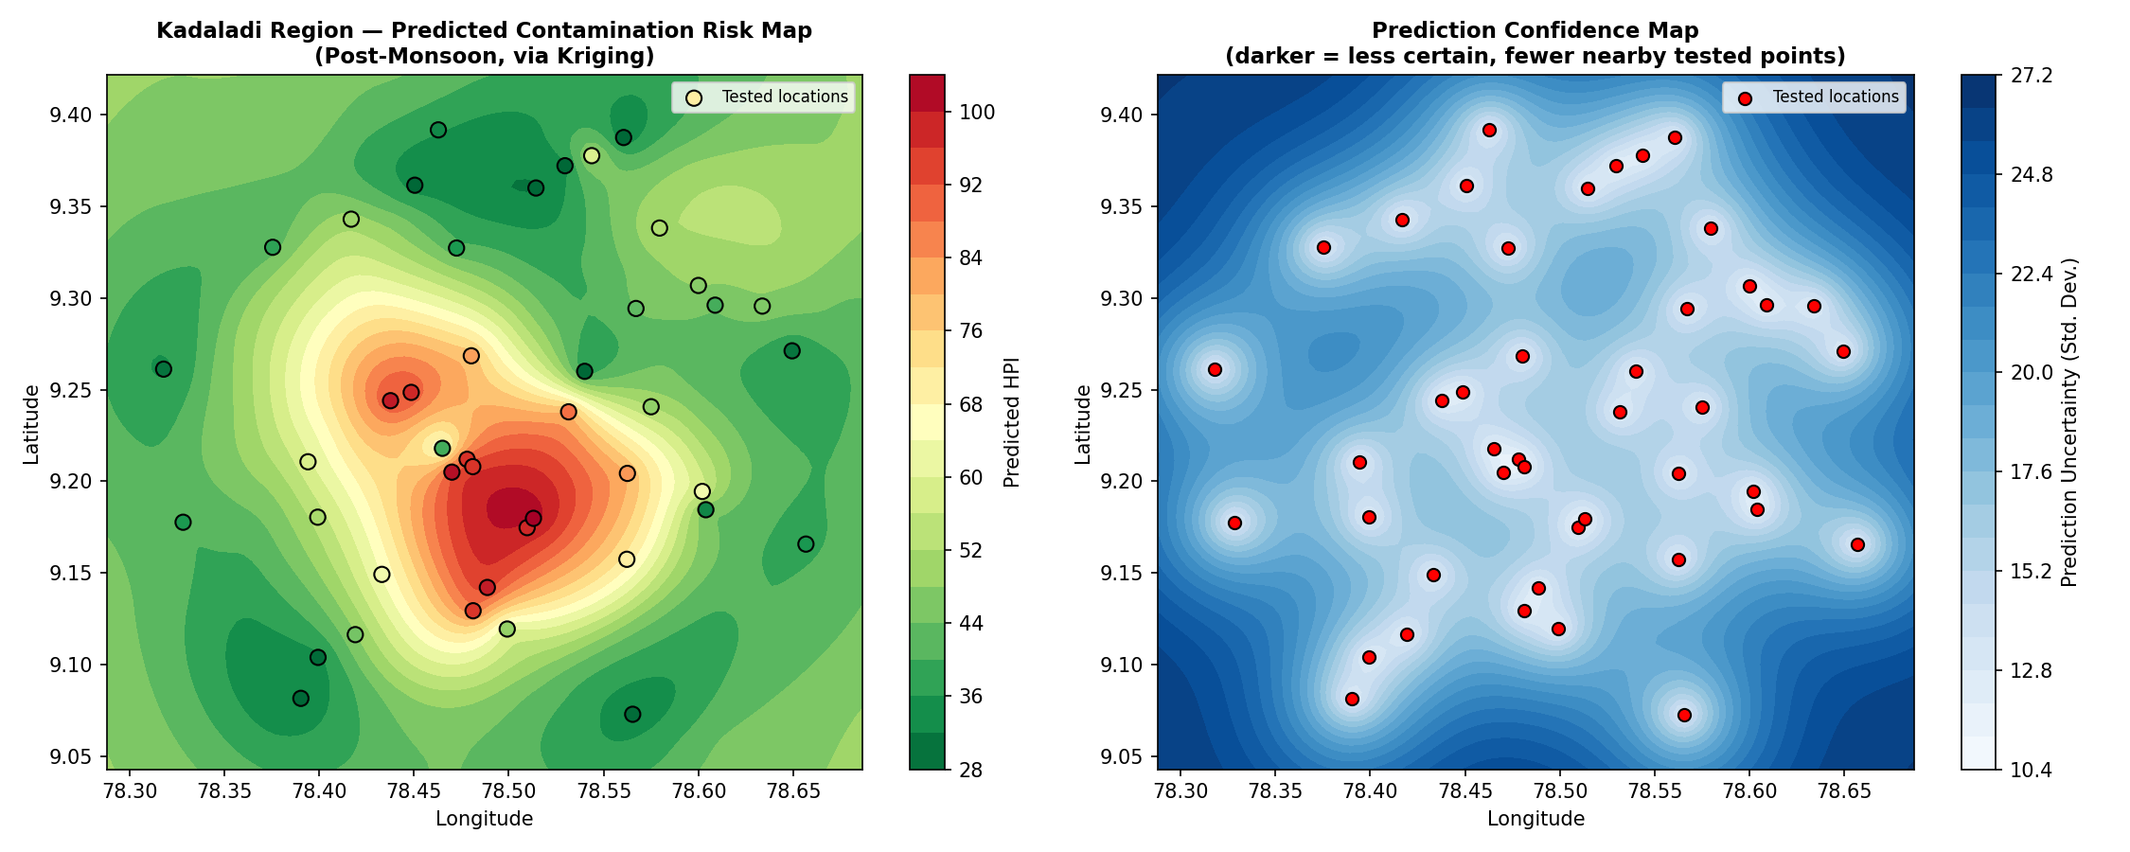
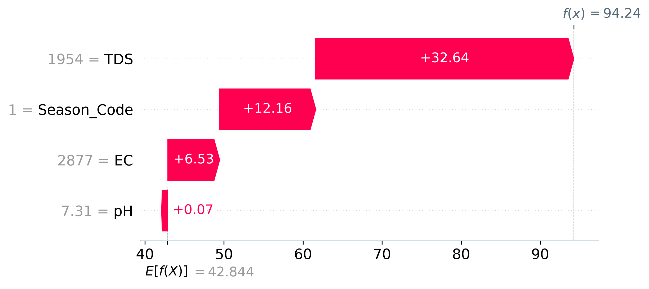

 | Figure 5: SHAP Global Feature Impact Bar Chart | Figure 6: Multi-Model 5-Fold R² Regressor Comparison

