Sheet1
 | Before Cleaning | After Cleaning

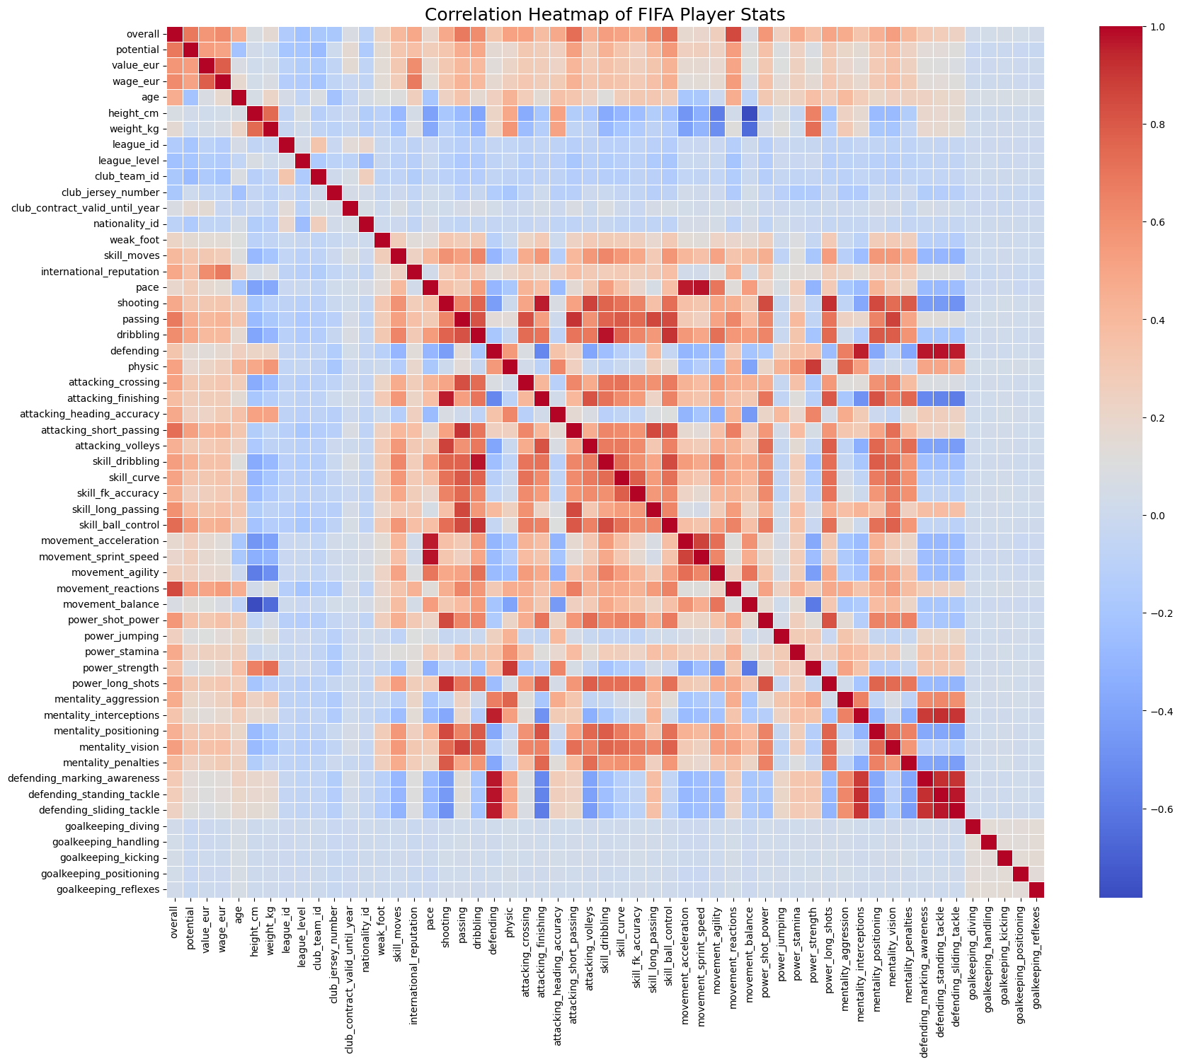
Dataset | Players | Players
Total Columns | 110 columns | 100 columns
Total Entries | 161583 entries | 140991 entries

Summary of Dataset

index | Data Type | Missing Values | Non-Null Count | Unique Values
nation_jersey_number | float64 | 152267 | 9316 | 30
nation_team_id | float64 | 152267 | 9316 | 56
nation_position | object | 152267 | 9316 | 28
club_loaned_from | object | 152045 | 9538 | 777
player_tags | object | 148920 | 12663 | 171 | DROP
goalkeeping_speed | float64 | 143614 | 17969 | 57
player_traits | object | 88433 | 73150 | 3730
release_clause_eur | float64 | 57961 | 103622 | 1850
mentality_composure | float64 | 32861 | 128722 | 88
passing | float64 | 17969 | 143614 | 72
dribbling | float64 | 17969 | 143614 | 75
physic | float64 | 17969 | 143614 | 66
defending | float64 | 17969 | 143614 | 78 | DROP
pace | float64 | 17969 | 143614 | 77 | ROWS
shooting | float64 | 17969 | 143614 | 81
club_joined_date | object | 11311 | 150272 | 4082 | DROP
league_level | float64 | 2717 | 158866 | 5
value_eur | float64 | 2053 | 159530 | 331
club_position | object | 1773 | 159810 | 29
club_contract_valid_until_year | float64 | 1773 | 159810 | 17
club_jersey_number | float64 | 1773 | 159810 | 99
club_name | object | 1773 | 159810 | 1409 | Keep
league_name | object | 1773 | 159810 | 44
league_id | float64 | 1773 | 159810 | 56
club_team_id | float64 | 1773 | 159810 | 1055
wage_eur | float64 | 1761 | 159822 | 154
cf | object | 0 | 161583 | 308

 | Before Cleaning | After Cleaning
 |  |  |  |  |  | numeric_fill_median = [ | categorical_fill_mode = [
Dataset | teams | teams |  |  |  | 'build_up_play_dribbling', | 'build_up_play_positioning',
Total Columns | 54 columns | 42 columns |  |  |  | 'build_up_play_passing', | 'chance_creation_positioning',
Total Entries | 385055 entries | 385055 entries |  |  |  | 'chance_creation_passing', | 'def_defence_defender_line'
 |  |  |  |  |  | 'def_defence_width', | ]
index | Data Type | Missing Values | Non-Null Count | Unique Values |  | 'def_defence_pressure',
off_build_up_play | object | 332259 | 52796 | 4 |  | 'chance_creation_shooting',
off_chance_creation | object | 332259 | 52796 | 4 |  | 'chance_creation_crossing'
off_style | object | 247821 | 137234 | 4 |  | ]
off_team_width | float64 | 195025 | 190030 | 18
off_free_kicks | float64 | 195025 | 190030 | 1 |  | teams.drop(columns=['def_defence_aggression', 'build_up_play_speed'], inplace=True)
def_team_depth | float64 | 195025 | 190030 | 18
def_style | object | 195025 | 190030 | 5 |  | teams['coach_id'].fillna(-1, inplace=True)
off_players_in_box | float64 | 195025 | 190030 | 6 |  | teams['captain'].fillna(-1, inplace=True)
off_corners | float64 | 195025 | 190030 | 1 |  | teams['home_stadium'].fillna("Unknown", inplace=True)
def_team_width | float64 | 195025 | 190030 | 18
build_up_play_speed | float64 | 142494 | 242561 | 54 |  | kick_cols = ['short_free_kick', 'long_free_kick', 'left_short_free_kick',
chance_creation_crossing | float64 | 142494 | 242561 | 59 |  | 'right_short_free_kick', 'penalties', 'left_corner', 'right_corner']
chance_creation_shooting | float64 | 142494 | 242561 | 60
def_defence_pressure | float64 | 142494 | 242561 | 53 |  | for col in kick_cols:
def_defence_aggression | float64 | 142494 | 242561 | 61 |  | teams[col].fillna(0, inplace=True) # or use mode
def_defence_width | float64 | 142494 | 242561 | 56
def_defence_defender_line | object | 142494 | 242561 | 2 |  | teams['league_level'].fillna(teams['league_level'].mode()[0], inplace=True)
chance_creation_passing | float64 | 142494 | 242561 | 59 |  | teams['domestic_prestige'].fillna(teams['domestic_prestige'].mode()[0], inplace=True)
build_up_play_positioning | object | 142494 | 242561 | 2 |  | teams['transfer_budget_eur'].fillna(teams['transfer_budget_eur'].median(), inplace=True)
build_up_play_passing | float64 | 142494 | 242561 | 58 |  | teams['club_worth_eur'].fillna(teams['club_worth_eur'].median(), inplace=True)
build_up_play_dribbling | float64 | 142494 | 242561 | 61
chance_creation_positioning | object | 142494 | 242561 | 2
club_worth_eur | float64 | 94962 | 290093 | 711
transfer_budget_eur | float64 | 31922 | 353133 | 445
league_level | float64 | 25879 | 359176 | 5
domestic_prestige | float64 | 25829 | 359226 | 20
coach_id | float64 | 2328 | 382727 | 1155
left_short_free_kick | float64 | 573 | 384482 | 7203
long_free_kick | float64 | 573 | 384482 | 7656
penalties | float64 | 533 | 384522 | 7233
right_short_free_kick | float64 | 513 | 384542 | 7205
short_free_kick | float64 | 478 | 384577 | 7188
left_corner | float64 | 454 | 384601 | 7771
captain | float64 | 444 | 384611 | 6759
right_corner | float64 | 348 | 384707 | 7747
home_stadium | object | 288 | 384767 | 150

