Sheet1
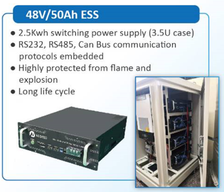
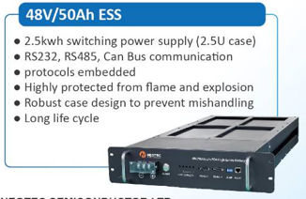
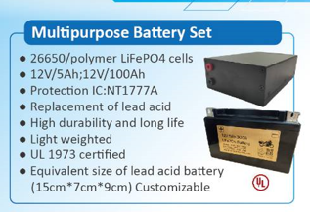
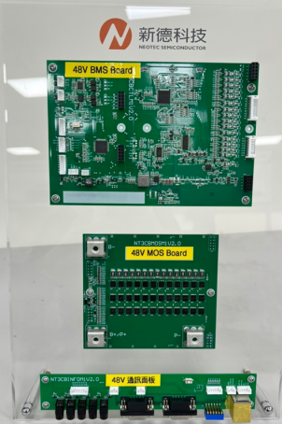
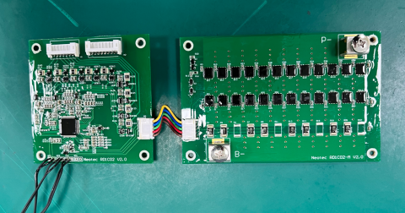
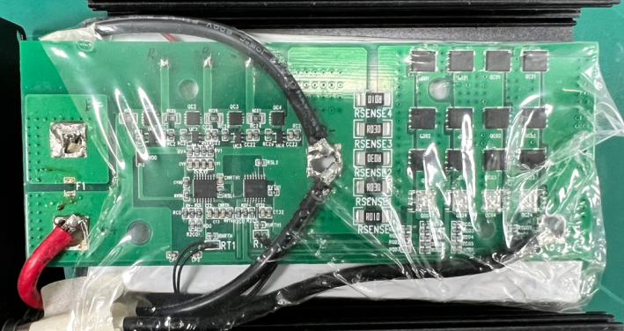
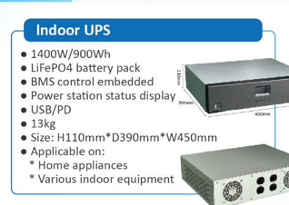
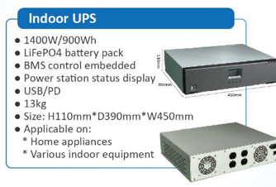
 |  |  |  |  | 儲能系統

Energy Storage System(ESS) |  |  | UPS |  | Multipurpose Battery Set |  |  | BMS

3.5U | 2.5U | 900W |  | 1400W | 12V / 5Ah | 12V / 100Ah | 48V50A | 48V24A | 12V5A

