Sheet1
AC Voltage | Amplitude | Period (seconds) |  |  |  | Gain | Frequency
20 | 0.9831 | 0.05 | Cut off | 159.1549431 | hz | 0 | 0.9831
30 | 0.98235 | 0.033 |  |  |  | 3.521825181 | 0.98235
40 | 0.9669 | 0.025 |  |  |  | 2.498774732 | 0.9669
50 | 0.95355 | 0.02 |  |  |  | 1.93820026 | 0.95355
60 | 0.9348333333 | 0.016 |  |  |  | 1.583624921 | 0.9348333333
70 | 0.90945 | 0.014 |  |  |  | 1.338935793 | 0.90945
80 | 0.89215 | 0.012 |  |  |  | 1.15983894 | 0.89215
90 | 0.8725666667 | 0.011 |  |  |  | 1.023050449 | 0.8725666667
100 | 0.8498333333 | 0.02 |  |  |  | 0.9151498112 | 0.8498333333
110 | 0.8273666667 | 0.009 |  |  |  | 0.8278537032 | 0.8273666667
120 | 0.8052666667 | 0.009 |  |  |  | 0.7557712178 | 0.8052666667
130 | 0.7542666667 | 0.008 |  |  |  | 0.6952421252 | 0.7542666667
140 | 0.7448 | 0.007 |  |  |  | 0.6436936674 | 0.7448
150 | 0.7262 | 0.007 |  |  |  | 0.5992644675 | 0.7262
160 | 0.70325 | 0.007 |  |  |  | 0.560574472 | 0.70325
170 | 0.6818 | 0.006 |  |  |  | 0.5265787744 | 0.6818
180 | 0.6085 | 0.006 |  |  |  | 0.4964716745 | 0.6085
190 | 0.64055 | 0.005 |  |  |  | 0.469621917 | 0.64055
200 | 0.62105 | 0.005 |  |  |  | 0.4455278942 | 0.62105

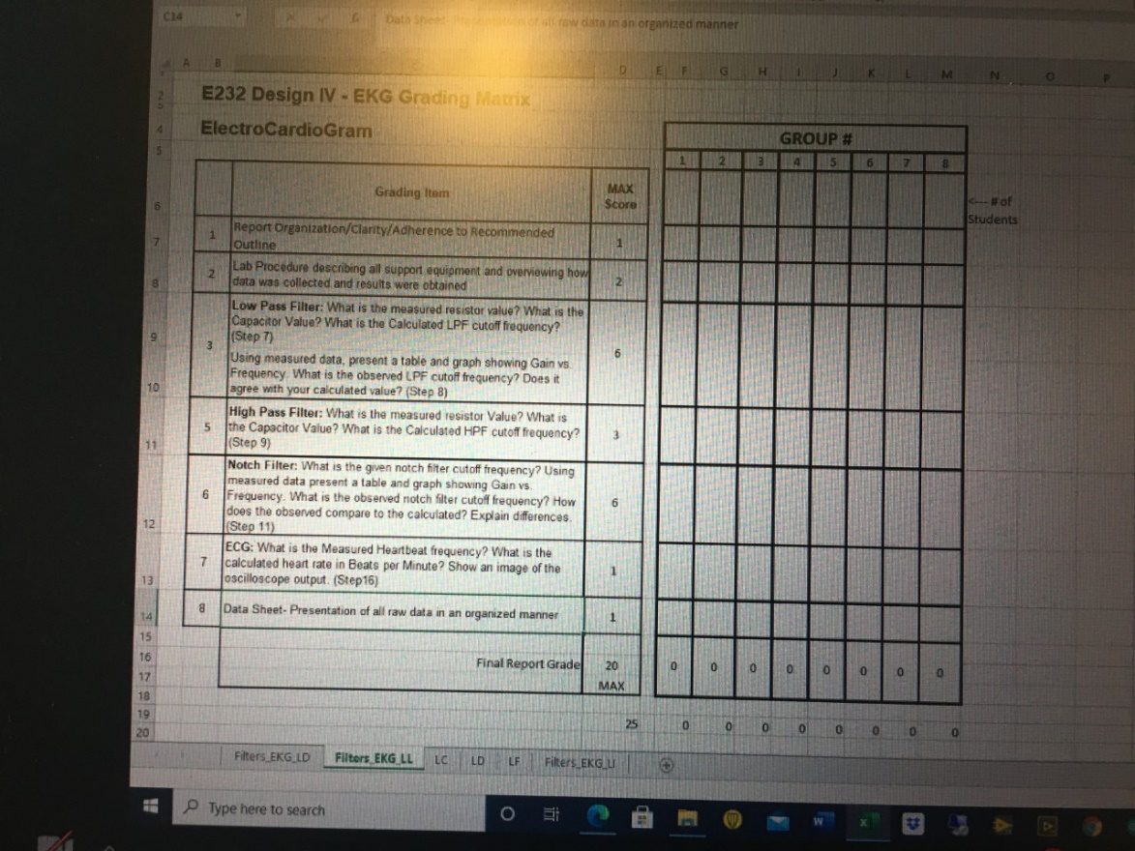
Gain vs Frequency

