Assets

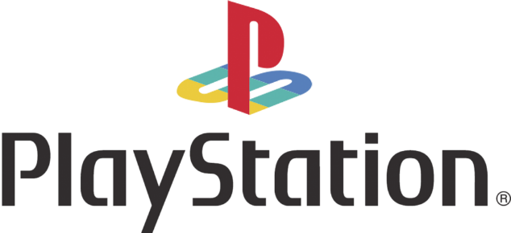
Paleta de cores |  |  |  |  |  | Serviços | Ícones


#2E6DB4 | Playstation Color | #0070CC | Menus | #6C6C6C | NegativeZone
#00AC9F | Playstation Color | #ADADAD | Menus
#F3C300 | Playstation Color | #00439C | Menus
#DF0024 | Playstation Color | #000000 | Menus
 |  | #FFFFFF | Menus



Logos

Calculos
É uma pergunta de negócios respondida através de alguma análise de dados específica

Pergunta de negócio 1 - Qual faturamento Total de vendas de planos anuais (contendo todas as assinaturas agregadas) |  | Pergunta de negócio 3 - Total de vendas de assinaturas do EA Play |  | Pergunta de negócio 4 - Total de vendas de assinaturas do minecraft season pass
Pergunta de negócio 2 - Qual faturamento Total de vendas de planos anuais, separado por auto renovação ou não é por auto renovação

Subscription Type | (Tudo) | Subscription Type | (Tudo) | Subscription Type | (Tudo)

Rótulos de Linha | Soma de Subscription Price | Rótulos de Linha | Soma de EA Play Season Pass | Rótulos de Linha | Soma de Minecraft Season Pass Price
No | R$ 1,470.00 | Deluxe | 2940 | Deluxe | R$ 1,960.00
Yes | R$ 1,465.00 | Essential | 0 | Essential | R$ 1,920.00
Total Geral | R$ 2,935.00 | Extra | 0 | Extra | R$ -
 |  | Total Geral | 2940 | Total Geral | R$ 3,880.00

 |  |  | R$ 2,940.00 |  | R$ 3,880.00

 |  | Rótulos de Linha | Soma de Total Value | Rótulos de Linha | Contagem de Subscriber ID
 |  | jan | R$ 65.00 | jan | 2
 |  | fev | R$ 82.00 | fev | 2
 |  | mar | R$ 801.00 | mar | 31
 |  | abr | R$ 782.00 | abr | 30
 |  | mai | R$ 777.00 | mai | 31
 |  | jun | R$ 770.00 | jun | 30
 |  | jul | R$ 784.00 | jul | 31
 |  | ago | R$ 787.00 | ago | 31
 |  | set | R$ 780.00 | set | 30
 |  | out | R$ 832.00 | out | 31
 |  | nov | R$ 784.00 | nov | 30
 |  | dez | R$ 389.00 | dez | 16
 |  | Total Geral | R$ 7,633.00 | Total Geral | 295

Dashboard
PLAYSTATION PLUS SUBSCRIPTION SALES

Calculation period: 01/01/2024 - 31/12/2024 | Update date: 13/06/2025

 | Total
No | R$1,470.00
Yes | R$1,465.00
TOTAL SUBSCRIPTIONS PLAYSTATION PLUS AUTO RENOVATION
R$ 2.940,00
TOTAL SUBSCRIPTIONS EA PLAY SEASON PASS

R$ 3.880,00
TOTAL SUBSCRIPTIONS MINECRAFT SEASON PASS

 | Total
jan | 2
fev | 2
mar | 31
abr | 30
mai | 31
jun | 30
jul | 31
ago | 31
set | 30
out | 31
nov | 30
dez | 16
TOTAL MONTHLY SUBSCRIPTIONS PLAYSTATION PLUS
 | Total
jan | R$65.00
fev | R$82.00
mar | R$801.00
abr | R$782.00
mai | R$777.00
jun | R$770.00
jul | R$784.00
ago | R$787.00
set | R$780.00
out | R$832.00
nov | R$784.00
dez | R$389.00
TOTAL EARNINGS MONTHLY PLAYSTATION

