variants LP
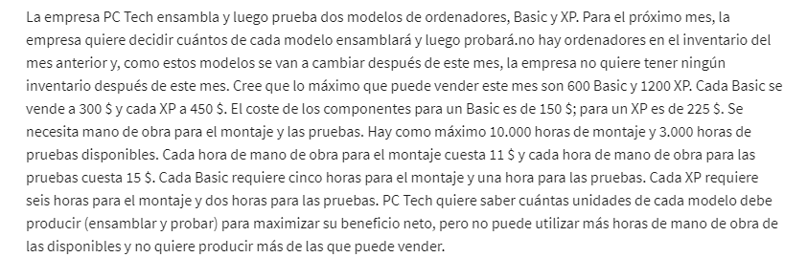
 | No. BASIC computers | No. XP computers
Variables | 560 | 1200 | dummie numbers
 |  |  |  |  | 1. OBJETIVES?
Objetive (max): |  |  | Total |  | 2. VARIABLE?
Revenue | 300 | 450 | $708,000 |  | 3. LIMITATIONS or CONDITIONS or CONSTRAINTS?
Costs:
Parts/computers: | 150 | 225 | 354000
Cost unit/emssasmbly: | $55 | $66 | $121 |  | $11 | price hour of emssasbly.
Cost unit/testing: | $15 | $30 | $45 |  | $15 | price hour of testing
Costs: |  |  | $354,166
Profit: |  |  | $353,834

Constraint |  |  | LHS | Sign | RHS
600 basic | 1 |  | 560 | <= | 600 | =SUMAPRODUCTO($B$2:$C$2;B15:C15)
1200 XP |  | 1 | 1200 | <= | 1200 | =SUMAPRODUCTO($B$2:$C$2;B16:C16)
hours os emssasmbly | 5 | 6 | 10000 | <= | 10000
hours tests | 1 | 2 | 2960 | <= | 3000

more variants LP
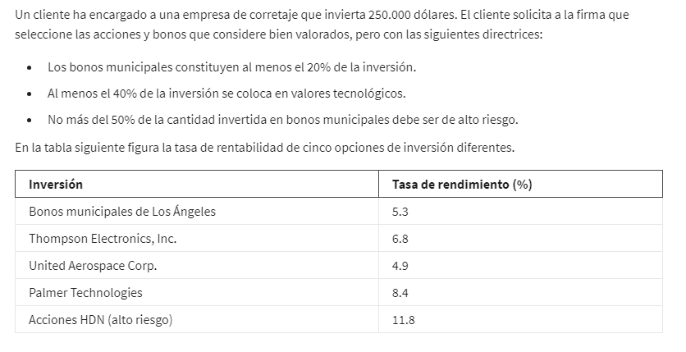
 | local bono | Elect Thomp | Aerospace Corp. | Palmer tech | HDN high risk
Variables | 50000 | 0 | 0 | 100000 | 100000 | dummie numbers
 | 5% | 7% | 5% | 8% | 12%

Objetive (max): | 22850

Constraints |  |  |  |  |  | LHS | Sign | RHS
Budget | 1 | 1 | 1 | 1 | 1 | 250000 | <= | 250000
local bono | 1 |  |  |  |  | 50000 | >= | 50000
Tech valor |  | 1 | 1 | 1 |  | 100000 | >= | 100000
Acc high risk |  |  |  |  | 1 | 100000 | <= | 125000

INVESTMENT %

example 2 LP
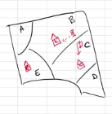
 | AB | AC | AE | BB | BC | BE | CC | CB | CE | DC | DB | DE | EE | EB | EC
Variables: | 400 | 0 | 300 | 500 | 0 | 0 | 100 | 0 | 0 | 800 | 0 | 0 | 400 | 0 | 0 | dummie numbers
 | 5 | 8 | 6 | 0 | 4 | 12 | 0 | 4 | 7 | 2 | 7 | 5 | 0 | 12 | 7

Objetive (min) bus distance: | 5400

Constraints |  |  |  |  |  |  |  |  |  |  |  |  |  |  |  | LHS | Sign | RHS
Sector A | 1 | 1 | 1 |  |  |  |  |  |  |  |  |  |  |  |  | 700 | = | 700
Sector B |  |  |  | 1 | 1 | 1 |  |  |  |  |  |  |  |  |  | 500 | = | 500
Sector C |  |  |  |  |  |  | 1 | 1 | 1 |  |  |  |  |  |  | 100 | = | 100
Sector D |  |  |  |  |  |  |  |  |  | 1 | 1 | 1 |  |  |  | 800 | = | 800
Sector E |  |  |  |  |  |  |  |  |  |  |  |  | 1 | 1 | 1 | 400 | = | 400
capacity/school B | 1 |  |  | 1 |  |  |  | 1 |  |  | 1 |  |  | 1 |  | 900 | <= | 900
capacity/school C |  | 1 |  |  | 1 |  | 1 |  |  | 1 |  |  |  |  | 1 | 900 | <= | 900
capacity/school E |  |  | 1 |  |  | 1 |  |  | 1 |  |  | 1 | 1 |  |  | 700 | <= | 900
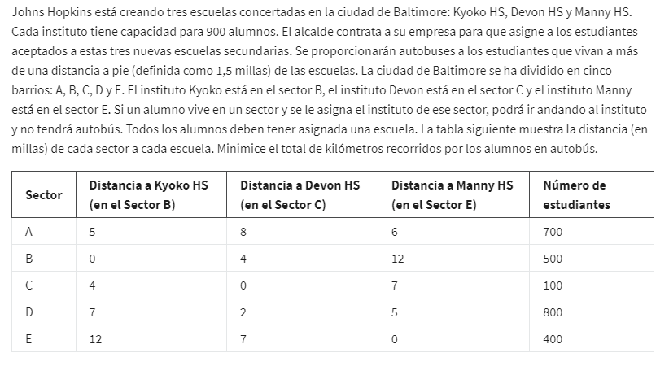
Nº students/ school

