transport and assignment
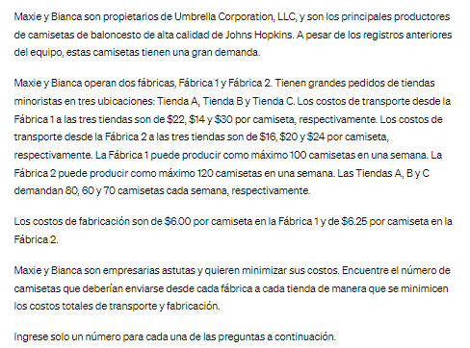
Data Transport | Tienda A | Tienda B | Tienda C
Fabrica 1 | $28.00 | $20.00 | $36.00
Fabrica 2 | $22.25 | $26.25 | $30.25

Data Production | production costs/t-shirt
Fabrica 1 | $6.00 | *sumo a cada tienda el coste de producción: Tienda A/fábrica 1: 22+6
Fabrica 2 | $6.25

Objetive:
Cost min: | 5270 | =SUMAPRODUCTO(B3:D4;B15:D16) |  |  |  | 0

Variant Table | Tienda A | Tienda B | Tienda C |  | sign | max production/week
Fabrica 1 | 30 | 60 | 0 | 90 | <= | 100
Fabrica 2 | 50 | 0 | 70 | 120 | <= | 120
Demand/week | 80 | 60 | 70 | =SUMA(B15:D15)
 | >= | >= | >=
 | 80 | 60 | 70

SECOND PART: | *Asignment problem

Closing Plant | No. Of Workers to transfer | Open Plant (Demand) | No. Of Workers open positions
Fabrica 1 | 60 | A | 45
Fabrica 2 | 105 | B | 90
Fabrica 3 | 70 | C | 35
Total | 235 | Total | 170

*Transport problem
 |  | TO:
FROM | A | B | C
1 | 5 | 8 | 6
2 | 10 | 9 | 12
3 | 7 | 6 | 10

Objetive:
Max the production: |  | 1610

 |  | TO:
FROM | A | B | C | Contraints:
1 | 0 | 60 | 0 | 60 | <= | 60
2 | 45 | 30 | 30 | 105 | <= | 105
3 | 0 | 0 | 5 | 5 | <= | 70
 | 45 | 90 | 35
Contraints: | <= | <= | <=
 | 45 | 90 | 35 |  | Summary sentence:
 |  |  |  |  | From Factory 1: 60 workers go to plant B
=SUMA(B44:D44) | 170 |  |  |  | From Factory 2: 45 workers go to plant A, 30 to plant B and 30 to plant C.
 |  | <= |  |  | From Factory 3: 5 workers go to plant C.
 |  | 170 |  |  | For getting the maximun in production.

assignment LP
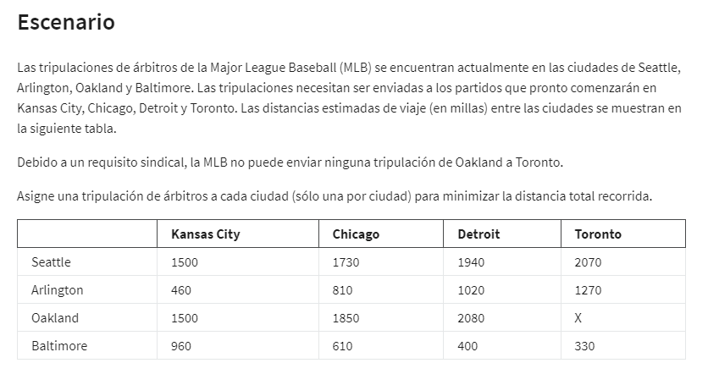
Data Table | Kansas City | Chicago | Detroit | Toronto
Seattle | 1500 | 1730 | 1940 | 2070
Arlington | 460 | 810 | 1020 | 1270
Oakland | 1500 | 1850 | 2080 | X
Baltimore | 960 | 610 | 400 | 330

Objetive (min)
Min distance: | 4580 | =SUMAPRODUCTO(B4:E7;B14:E17)

 | Kansas City | Chicago | Detroit | Toronto |  | sign | one tripulation
Seattle | 0 | 0 | 1 | 0 | 1 | = | 1
Arlington | 0 | 1 | 0 | 0 | 1 | = | 1
Oakland | 1 | 0 | 0 | 0 | 1 | = | 1
Baltimore | 0 | 0 | 0 | 1 | 1 | = | 1
 | 1 | 1 | 1 | 1 | =SUMA(B14:E14)
 | <= | <= | <= | <=
 | 1 | 1 | 1 | 1

Summary sentence: Tripulation from Seattle will go to Detroit, Arlington tripulation to Chicago, Oakland tripulation to Kansas city and Baltimore tripulation to Toronto; doing a total milles of 4580.

assignment problem
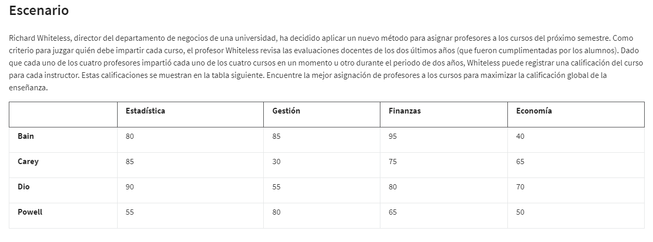
Data Table | Estadística | Gestión | Finanzas | Economía
Bain | 80 | 85 | 95 | 40
Carey | 85 | 30 | 75 | 65
Dio | 90 | 55 | 80 | 70
Powell | 55 | 80 | 65 | 50

Objetive:
max califications: |  | 330

Data Table | Estadística | Gestión | Finanzas | Economía |  | sign | Nº teachers
Bain | 0 | 0 | 1 | 0 | 1 | = | 1
Carey | 1 | 0 | 0 | 0 | 1 | = | 1
Dio | 0 | 0 | 0 | 1 | 1 | = | 1
Powell | 0 | 1 | 0 | 0 | 1 | = | 1
 | 1 | 1 | 1 | 1
 | = | = | = | =
 | 1 | 1 | 1 | 1

