nor-linear variance
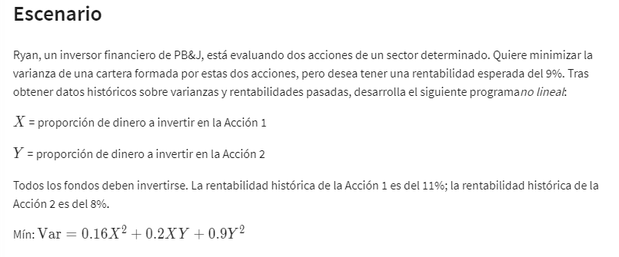
 | X | Y
Variable: | 93% | 7%

Non linear vans:
 | x^2 | XY | Y^2
Formulas: | 0.86533262787 | 0.06489995159 | 0.0048674967067
 | =B2^2 | =B2*C2 | =C2^2
 | 0.16 | 0.2 | 0.9

Objetive (min):
Variance (riesgo): | 0.15581395781 | =SUMAPRODUCTO(B6:D6;B8:D8)

Constraints: |  |  | LHS | sign | RHS
 | 1 | 1 | 100% | = | 100% | =SUMAPRODUCTO($B$2:$C$2;B15:C15)
Historic.rentab % | 11% | 8% | 11% | >= | 9% | =SUMAPRODUCTO($B$2:$C$2;B16:C16)

nor-linear example
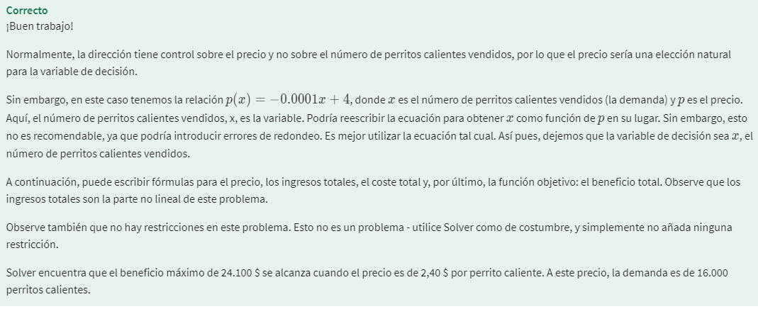
 | X | *X= Nº de perritos calientes vendidos
Variable: | $3.00 | 4-.0001X
 | $2.50

Objetive:
Max revenue: | $4.00
 | p(X)=-0,0001X+4

Contraints: |  | LHS | sign | RHS
Variable costs | $0.80

