mixed Intg PL
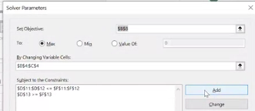
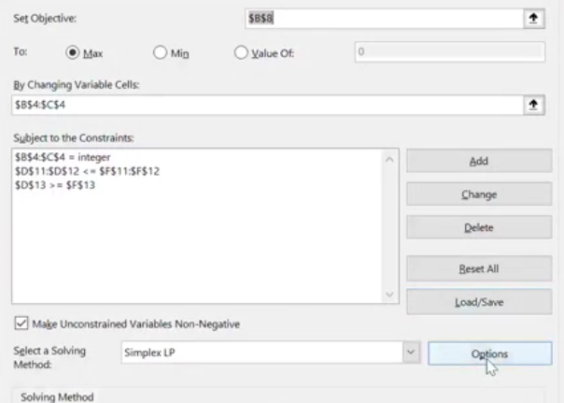
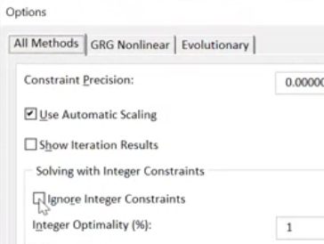
 | Max audience adds | others timetable adds |  |  |  | 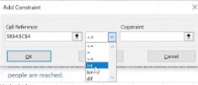
Variable | 4 | 1 | PROBLEM! Warning , do not round your answer!!
 | 8200 | 5100 | modify in solver:

Objetive: |  |  |  |  |  |  | *put again the reference cells of my variantes cells
Max audience: | 37900

 | Max audience adds | others timetable adds | Contrainst:
Cost | $390 | $240 | 1800 | <= | 1800
 |  |  | 4 | >= | 2 |  |  | *HAS TO BE WITHOUT STICK!
 |  |  | 1 | <= | 6

binary example investment
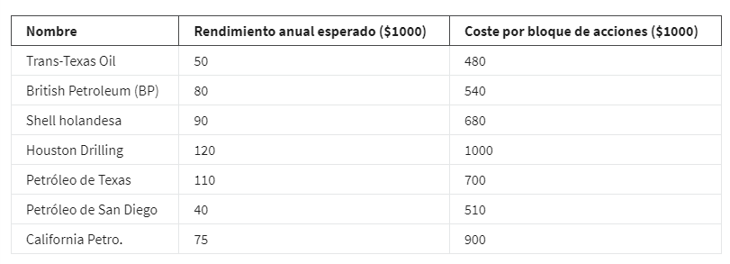
Investment decision binary:
When you can resolve the question with yes or not.
Binary: 0 or 1
0=no
1=yes

Variables: | Trans-Texas Oil | British Petroleum(BP) | Shell holandesa | Houston Dilling | Petróleo de Texas | Petróleo de San Diego | California Petro
(0;1) | 0 | 0 | 1 | 1 | 1 | 1 | 0
 | 50 | 80 | 90 | 120 | 110 | 40 | 75
Objetive:
Max Performance: | 360

Contraints: |  |  |  |  |  |  |  |  | sign
At least 2 Texas Co. | 1 |  |  | 1 | 1 |  |  | 2 | >= | 2
No more than 1 foreing Co. |  | 1 | 1 |  |  |  |  | 1 | <= | 1
Buy 1 of California shares(acciones) |  |  |  |  |  | 1 | 1 | 1 | = | 1
Budget (presupuesto) | 480 | 540 | 680 | 1000 | 700 | 510 | 900 | 2890 | <= | 3000

