Solution Solver Summary
Without the restriction of assigning qualified managers, based on this spreadsheet, solver looks like this: | With the addition of assigning managers, based on this spreadsheet, solver looks like this:
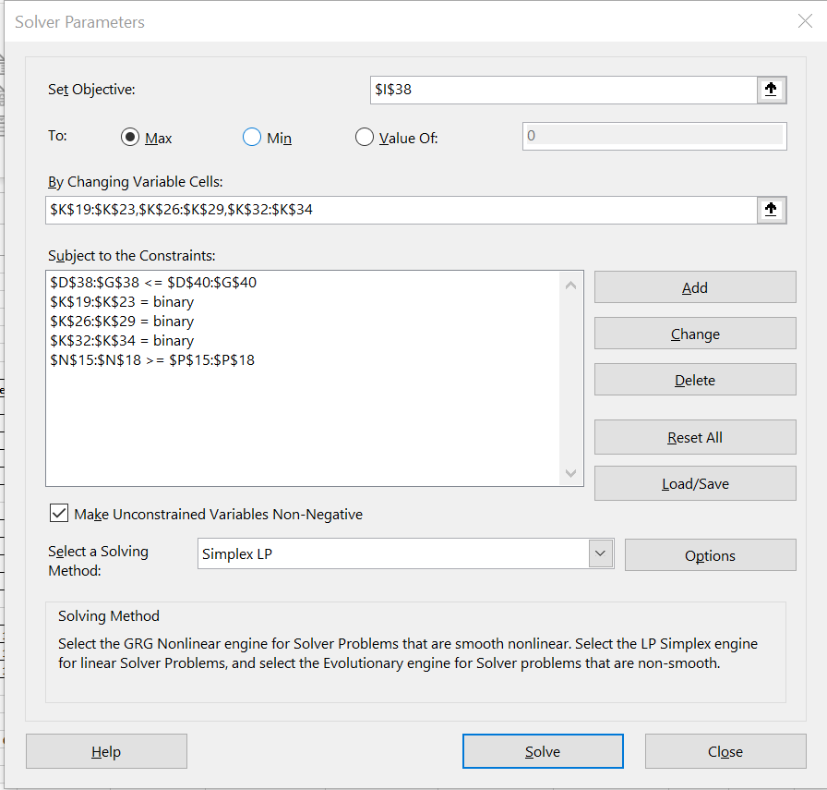
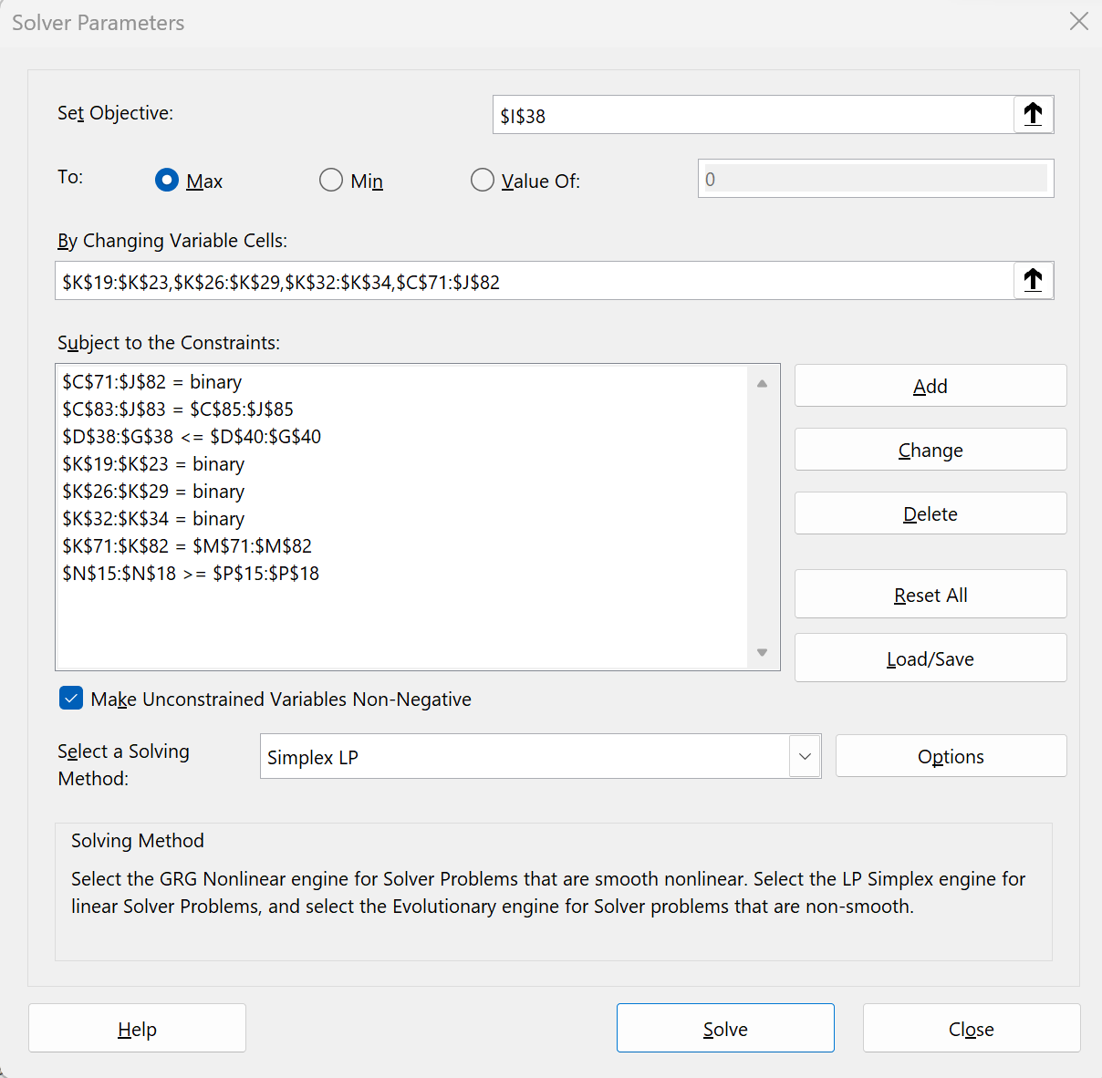

To give a maximum NPV of $2024 with all projects approved except 1, 10, and 12. | This gives a maximum NPV of $1954 meeting all constraints for all approved projects except 1, 3 and 12.
 | The manager assignment is given in L19 - L34 for each approved project.

Approved Line Charts
Capital Expenditure for all Functional Area Approved Projects Y1-Y3
 | FA 1 | FA 2 | FA 3
Year 1 | $1,065 | $2,318 | $350
Year 2 | $899 | $2,002 | $250
Year 3 | $999 | $1,586 | $150
Capital Expenditure for FA 1 Approved Projects Y1-Y3
 | FA 1
Year 1 | $1,065
Year 2 | $899
Year 3 | $999

Capital Expenditure for FA 2 Approved Projects Y1-Y3
 | FA 2
Year 1 | $2,318
Year 2 | $2,002
Year 3 | $1,586
Capital Expenditure for FA 3 Approved Projects Y1 - Y3
 | FA 3
Year 1 | $350
Year 2 | $250
Year 3 | $150

