Sheet1
 | FROM | TO | DIST (KM) |  | Center | A | B | C | D | E | F | G | H | I | J | K
A | central kitchen | MK the mall bang kapi | 30.4 | Center | 0 | 30.4 | 23.9 | 28.4 | 24.7 | 14.2 | 25.7 | 14.1 | 21 | 22.6 | 17.2 | 25.3
B | central kitchen | MK True digital park | 23.9 | A | 30.4 | 0 | 13.9 | 10.6 | 8.8 | 30.2 | 12.5 | 17.2 | 13 | 15.3 | 40.9 | 33.5
C | central kitchen | MK Gold ekkamai | 28.4 | B | 23.9 | 13.9 | 0 | 7.3 | 7.9 | 20.1 | 4.6 | 11.1 | 4.6 | 22.8 | 31.3 | 23.6
D | central kitchen | MK secon square | 24.7 | C | 28.4 | 10.6 | 7.3 | 0 | 10.1 | 25 | 3.9 | 16.1 | 9.5 | 16.6 | 36.3 | 28.5
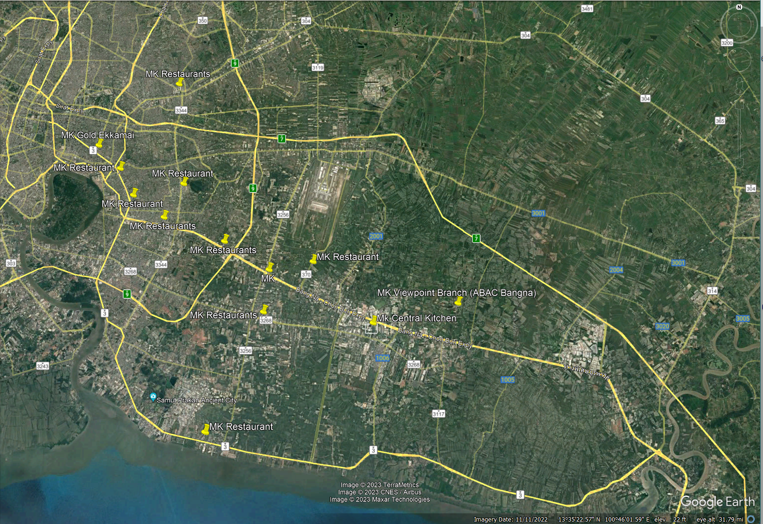
E | central kitchen | MK Big C Bang Phili | 14.2 | D | 24.7 | 8.8 | 7.9 | 10.1 | 0 | 17.5 | 9.1 | 8.5 | 3.7 | 13.8 | 28.8 | 24.8
F | central kitchen | MK Lotus sukumvit 50 | 25.7 | E | 14.2 | 30.2 | 20.1 | 25 | 17.5 | 0 | 21.1 | 9.3 | 16.2 | 16.8 | 19.4 | 15.2
G | central kitchen | MK mega bangna | 14.1 | F | 25.7 | 12.5 | 4.6 | 3.9 | 9.1 | 21.1 | 0 | 14.8 | 8.3 | 15.4 | 35 | 27.2
H | central kitchen | MK central bang na | 21 | G | 14.1 | 17.2 | 11.1 | 16.1 | 8.5 | 9.3 | 14.8 | 0 | 9.3 | 16.7 | 25.2 | 26.7
I | central kitchen | MK the Paseo lat krabang | 22.6 | H | 21 | 13 | 4.6 | 9.5 | 3.7 | 16.2 | 8.3 | 9.3 | 0 | 18.3 | 26.9 | 24.3
J | central kitchen | MK ABAC Bangna | 17.2 | I | 22.6 | 15.3 | 22.8 | 16.6 | 13.8 | 16.8 | 15.4 | 16.7 | 18.3 | 0 | 32 | 30.1
K | central kitchen | MK Lotus BangPu | 25.3 | J | 17.2 | 40.9 | 31.3 | 36.3 | 28.8 | 19.4 | 35 | 25.2 | 26.9 | 32 | 0 | 34.8
 |  |  |  | K | 25.3 | 33.5 | 23.6 | 28.5 | 24.8 | 15.2 | 27.2 | 26.7 | 24.3 | 30.1 | 34.8 | 0

