Sheet1
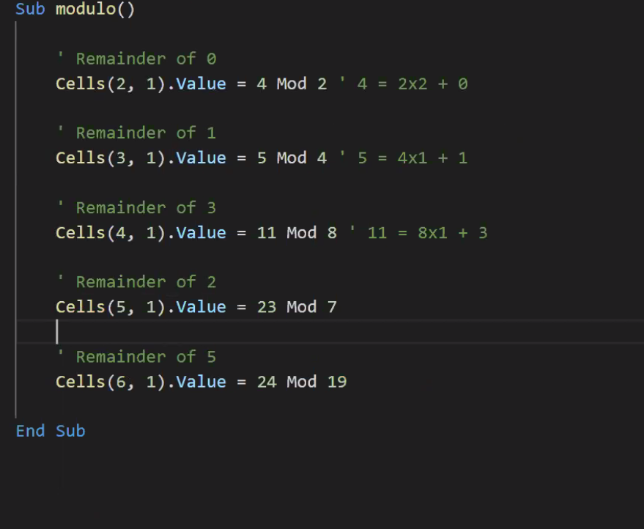
Number | Fizz Buzz?
1
2
3 | Fizz
4
5 | Buzz
6 | Fizz
7
8
9 | Fizz
10 | Buzz
11
12 | Fizz
13
14
15 | Fizzbuzz
16
17
18 | Fizz
19
20 | Buzz
21 | Fizz
22
23
24 | Fizz
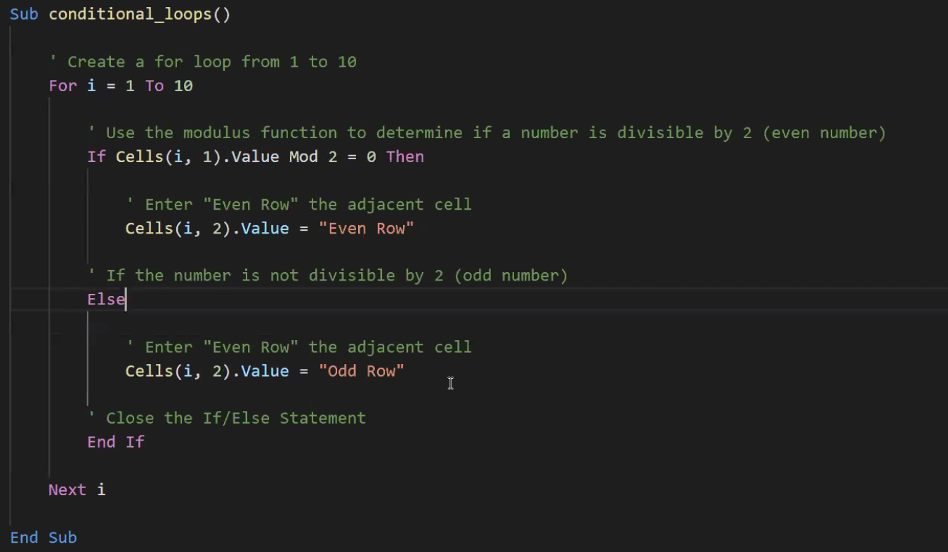
25 | Buzz
26
27 | Fizz
28
29
30 | Fizzbuzz
31
32
33 | Fizz
34
35 | Buzz
36 | Fizz
37
38
39 | Fizz
40 | Buzz
41
42 | Fizz
43
44
45 | Fizzbuzz
46
47
48 | Fizz
49
50 | Buzz
51 | Fizz
52
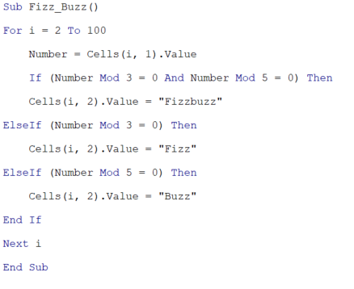
53
54 | Fizz
55 | Buzz
56
57 | Fizz
58
59
60 | Fizzbuzz
61
62
63 | Fizz
64
65 | Buzz
66 | Fizz
67
68
69 | Fizz
70 | Buzz
71
72 | Fizz
73
74
75 | Fizzbuzz
76
77
78 | Fizz
79
80 | Buzz
81 | Fizz
82
83
84 | Fizz
85 | Buzz
86
87 | Fizz
88
89
90 | Fizzbuzz
91
92
93 | Fizz
94
95 | Buzz
96 | Fizz
97
98
99 | Fizz

