DATAINPUTcm
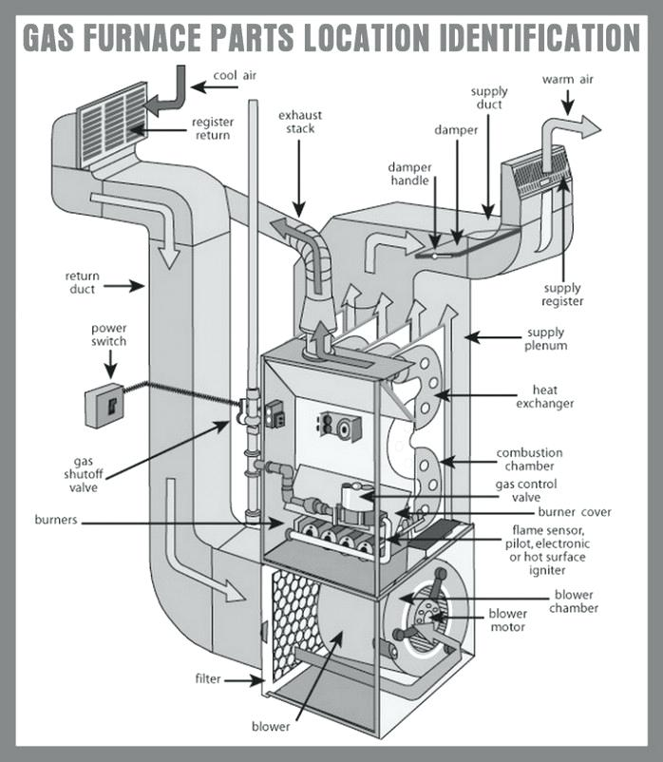
 |  |  | Selected Unit: | Condensing, Step-ModulatingNG Furnace |  |  | Other Slection Inputs
 |  |  | Select NG Furnace System Scenario | 3 |  |  | Post Purge | NO
 |  |  | Indoor Combustion Air | YES |  |  | Pilot Light | NO
 |  |  | Outdoor, Direct Vent or isolated Combustion System | NO |  |  | Unit | British-Unit
 |  |  | Direct Exhaust | NO
 |  |  | Draft Hood or Draft Diverter | YES
 |  |  | Barometric Draft | NO
 |  |  | Electrical/Mechanical Stack Damper | NO
 |  |  | Atomspheric Burner | NO
 |  |  | Power Burner | YES
 |  |  | Burner Inlet Damper or Flue Damper | NO

Steady-State Test Data Input
 |  |  | Steady-State Test Data Input@maximum heating mode |  |  |  |  | Steady-State Test Data Input@reduced heating mode
 |  |  | The maximum parameters are required@Step-Modulating) |  |  |  |  | (The redcued parameters are required@Step-Modulating)

 |  |  | Measured Maximum NG gas input rate |  |  |  |  | Measured NG gas input rate@reduced heating mode
 |  | User Inputs | 0.643 |  |  |  | User Inputs | 0.481
 |  | Generic | 0.643 | CFM |  |  | Generic | 0.481 | CFM

 |  |  | Measured maximum heat input rate (QIN) |  |  |  |  | Measured reduced heat input rate (QIN,R)
 |  | User Inputs | 39559 |  |  |  | User Inputs | 29501
 |  | Generic | 39559 | BTU/HR |  |  | Generic | 29501 | BTU/HR

 |  |  | Electric power to the burner (PE)@maximum heating mode |  |  |  |  | Electric power to the burner (PE)@reduced heat mode
 |  | User Inputs | 1031.02 |  |  |  | User Inputs | 554.77
 |  | Generic | 1031.02 | BTU/HR |  |  | Generic | 554.77 | BTU/HR

 |  |  | Flue gas temperature (TF,SS)@maximum heating mode |  |  |  |  | Flue gas temperature (TF,SS)@reduced heating mode
 |  | User Inputs | 99.06 |  |  |  | User Inputs | 91.74
 |  | Generic | 99.06 | F-Degree |  |  | Generic | 91.74 | F-Degree

 |  |  | Stack gas temperature (TS,SS,X)@maximum heating mode |  |  |  |  | Stack gas temperature (TS,SS,X)@reduced heating mode
 |  | User Inputs | 92.62 |  |  |  | User Inputs | 86.76
 |  | Generic | 92.62 | F-Degree |  |  | Generic | 86.76 | F-Degree
 |  |  |  |  |  |  |  |  |  |  |  |  |  |  |  | Furance Stack/Damper parameter(fit system 5, 6, 8 or a unit with Stack/Damper )
 |  |  | Dry concentration CO2 (XCO2,F)@maximum heating mode |  |  |  |  | Dry concentration CO2 (XCO2,F)@reduced heating mode |  |  |  |  |  |  | Furance Stack/Damper
 |  | User Inputs | 8 |  |  |  | User Inputs | 6.8 |  |  |  |  |  |  | (The stack parameters are not required)
 |  | Generic | 8 | % |  |  | Generic | 6.8 | %
 |  |  |  |  |  |  |  |  |  |  | the strat time of damper closing |  |  |  | cross-sectional area of the stack
 |  |  | Dry concentration CO2 (XCO2,S)@maximum heating mode |  |  |  |  | Dry concentration CO2 (XCO2,S)@reduced heating mode |  | ts | 1 | min |  | As | 36 | in2
 |  | User Inputs | 8 |  |  |  | User Inputs | 6.8
 |  | Generic | 8 | % |  |  | Generic | 6.8 | % |  | the end time of damper closing |  |  |  | net area of the damper plate
 |  |  |  |  |  |  |  |  |  | te | 5 | min |  | AD | 36 | in2
 |  |  | Measured condensate@maximum heating mode |  |  |  |  | Measured condensate@redcued heating mode
 |  |  | (Note: Measured condensate is not required) |  |  |  |  | (Note: Measured condensate is not required) |  |  |  |  |  |  | holes and cutouts in damper plate
 |  | User Inputs | 2.737 |  |  |  | User Inputs | 2.166 |  |  |  |  |  | AO,D | 2 | in2
 |  | Generic | 2.737 | LB/HR |  |  | Generic | 2.166 | LD/HR
 |  |  |  |  |  |  |  |  |  |  |  |  |  |  | leakage area around damper shaft and edges
 |  |  | Jacket Surface temperature (Ts) |  |  |  |  | Jacket Surface temperature (Ts) |  |  |  |  |  | AO,L | 2 | in2
 |  | User Inputs | 85.35 |  |  |  | User Inputs | 82.92
 |  | Generic | 85.35 | F-Degree |  |  | Generic | 82.92 | F-Degree |  |  |  |  |  | the angle the damper makes when closed, perpendicular to the axis of the stack
 |  |  |  |  |  |  |  |  |  |  |  |  |  | W | 90 | Degree
 |  |  | Room ambient temperature (TRA) |  |  |  |  | Room ambient temperature (TRA)
 |  | User Inputs | 74.63 |  |  |  | User Inputs | 74.63 |  |  |  |  |  |  | minimum opening (including leakage) area of the damper when closed
 |  | Generic | 74.63 | F-Degree |  |  | Generic | 74.63 | F-Degree |  |  |  |  | AO | 2.0 | in2

Cool-Down Test: Flue Temperature Measurements |  |  |  |  |  |  |  |  |  |  |  |  |  |  | Jacket Surface Energy Loss Analysis input
 |  |  | Cool-Down Test@maximum heating mode |  |  |  |  | Cool-Down Test@redcued heating mode |  |  |  |  |  |  | Jacket Surface Energy Loss input for upward, vertical and downward surfaces
 |  |  | The maximum parameters are not required@Step-Modulating) |  |  |  |  | The reduced parameters are required@Step-Modulating)

t3 |  |  | TF,OFF[t3] |  | t3 |  |  | TF,OFF[t3] |  |  |  | Upward surface group area |  |  | Upward surface Temperature
1.5 | min | N/A | 93.902 |  | 1.5 | min | N/A | 88.75 |  |  |  | 148.8002976 | in2 | Maximum heating mode | 94.33 | F-Degree
 |  | Note: t3=1.5min after a burner shuts off | 93.902 | F-Degree |  |  | Note: t3=1.5min after a burner shuts off | 88.75 | F-Degree |  |  |  |  | Redcued heating mode | 91.07 | F-Degree
 |  |  |  |  |  |  |  |  |  |  |  | Vertical surface group area |  |  | Vertical surface Temperature
t4 |  |  | TF,OFF[t4] |  | t4 |  |  | TF,OFF[t4] |  |  |  | 3139.3762788 | in2 | Maximum heating mode | 86.37 | F-Degree
9.0 | min | N/A | 87.57 |  | 9.0 | min | N/A | 88.71 |  |  |  |  |  | Redcued heating mode | 83.21 | F-Degree
 |  | Note: t4=9.0min after a burner shuts off | 87.57 | F-Degree |  |  | Note: t4=9.0min after a burner shuts off | 88.71 | F-Degree |  |  | Downward surface group area |  |  | Downward surface Temperature
 |  |  |  |  |  |  |  |  |  |  |  | 489.95597991 | in2 | Maximum heating mode | 75.35 | F-Degree
t5 |  |  | TF,OFF[t5] |  | t5 |  |  | TF,OFF[t5] |  |  |  |  |  | Redcued heating mode | 74.49 | F-Degree
60 | min |  | 74.63 |  | 60 | min |  | 74.63 |  |  |  | Surface material
 |  | Note: TF,OFF[t5] is not required | 74.63 | F-Degree |  |  | Note: TF,OFF[t5] is not required | 74.63 | F-Degree |  |  | GSIBight | Èselect surface material

 |  |  | Energy input rate to the pilot light (Qp)
 |  | at no plit mode | 0
 |  | Note: Qp is not required at no plit mode | 0 | BTU/HR

Post Purge
 |  |  | Post purge is not actived and required

tp |  |  | TF,OFF[tp/2,tp] |  | tp |  |  | TF,OFF[tp/2,tp]
0 | min | TF,OFF(tp/2) is not required | 74.63 | F-Degree | 0 | min | TF,OFF(tp/2) is not required | 74.63 | F-Degree
 |  | TF,OFF(tp) is not required | 74.63 | F-Degree |  |  | TF,OFF(tp) is not required | 74.63 | F-Degree

Heat-Up Test: Flue Temperature Measurements
 |  |  | Heat-Up Test@maximum heating mode |  |  |  |  | Heat-Up Test@reduced heating mode
 |  |  | (The maximum parameters are not required@Step-Modulating) |  |  |  |  | The reduced parameters are required@Step-Modulating)

 |  |  | TF,ON[t1] |  |  |  |  | TF,ON[t1]
t1 |  |  | 87.13 |  | t1 |  |  | 82.86
0.5 | min | Note: t1=0.5min after a burner comes on | 87.13 | F-Degree | 0.5 | min | Note: t1=0.5min after a burner comes on | 82.86 | F-Degree

t2 |  |  | TF,ON[t2] |  | t2 |  |  | TF,ON[t2]
2.5 | min |  | 89.01 |  | 2.5 | min |  | 86.38
 |  | Note: t2=2.5min after a burner comes on | 89.01 | F-Degree |  |  | Note: t2=2.5min after a burner comes on | 86.38 | F-Degree

Cummulated Condensate Data@Steady-State Test and Cyclic Test
 |  |  | 30min Steady-State NG input rate@Maximum heating mode |  |  |  |  | 30min Steady-State NG input rate@Reduced heating mode
 |  | User Inputs | 0.983 | LB |  |  | User Inputs | 0.733 | LB
 |  | Generic | 0.983 | LB |  |  | Generic | 0.733 | LB

 |  |  | 30min Steady-state Condensate@Maximum Heating Mode: MC,SS |  |  |  |  | 30min Steady-state Condensate@Reduced Heating Mode: MC,R
 |  | User Inputs | 1.3685 | LB |  |  | User Inputs | 1.083 | LB
 |  | Generic | 1.3685 | LB |  |  | Generic | 1.083 | LB

 |  |  | MC :NG Mass @3or6Cyclic heating mode |  |  |  |  | MC,R :NG Mass @3or6Cyclic heating mode
 |  |  | Note Measured condensate is required@Step-Modulating) |  |  |  |  | Note: Measured condensate is required@Step-Modulating)
 |  | User Inputs | 0.565 | LB |  |  | User Inputs | 0.565 | LB
 |  | Generic | 0.565 | LB |  |  | Generic | 0.565 | LB

 |  |  | Measured Steady-state Condensate@3or6Cyclic Heating Mode: MC,CYC |  |  |  |  | Measured Steady-state Condensate@3or6Cyclic Heating Mode: MC,CYC,R
 |  |  | Note Measured condensate is required@Step-Modulating) |  |  |  |  | Note: Measured condensate is required@Step-Modulating)
 |  | User Inputs | 0.757 | LB |  |  | User Inputs | 0.757 | LB
 |  | Generic | 0.757 | LB |  |  | Generic | 0.757 | LB

