Sheet2
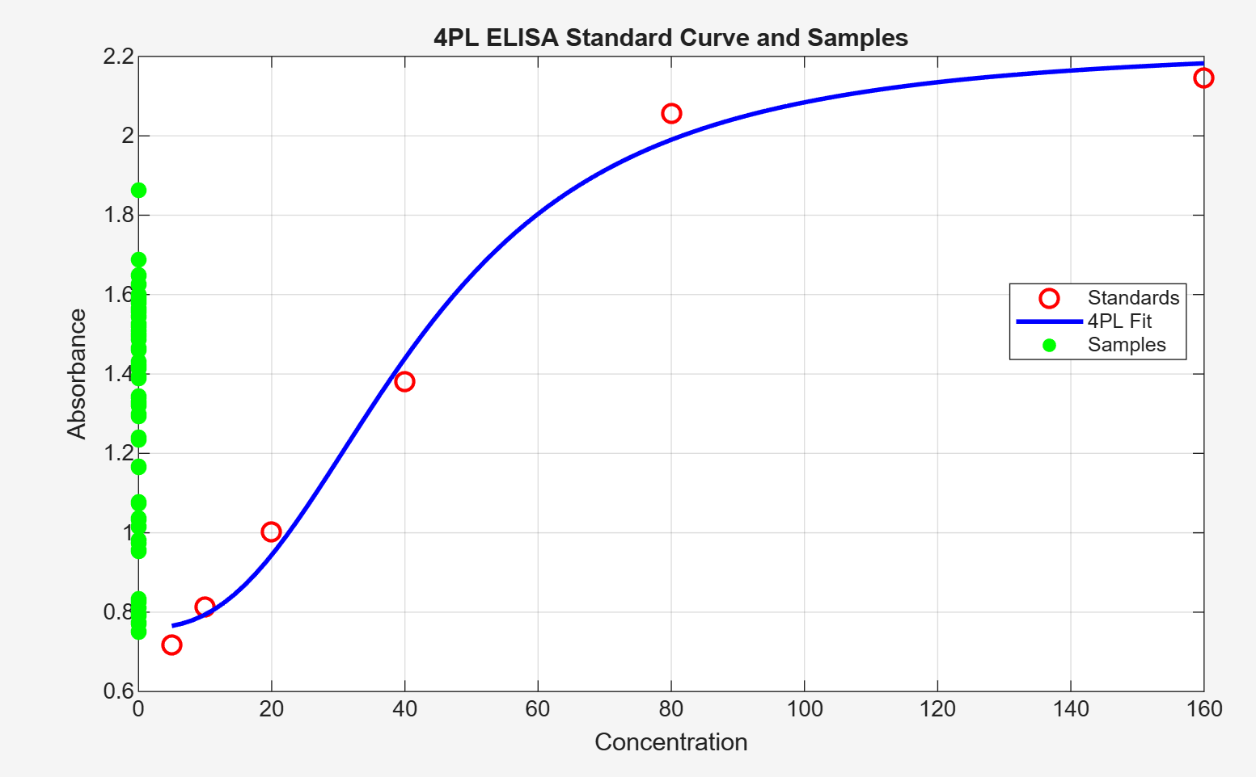
4-parameter logistic (4PL) standard curve generated in MATLAB

