2022_data
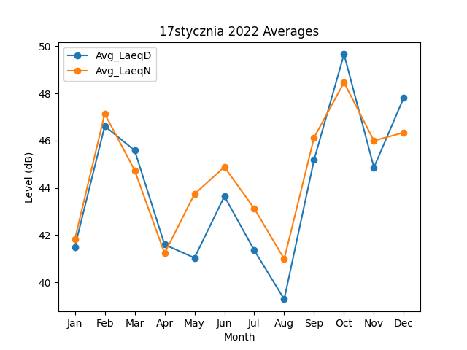
Month | Avg_LaeqD | Avg_LaeqN
1 | 41.498758934 | 41.822215993
2 | 46.613296874 | 47.135136681
3 | 45.583813821 | 44.741121548
4 | 41.598331498 | 41.228523396
5 | 41.034860455 | 43.736934441
6 | 43.640581356 | 44.883323612
7 | 41.354311158 | 43.122871023
8 | 39.281832658 | 40.985229291
9 | 45.192935013 | 46.131749327
10 | 49.655551967 | 48.460429927
11 | 44.863052549 | 45.994024285
12 | 47.824680457 | 46.344337821

