2022_data
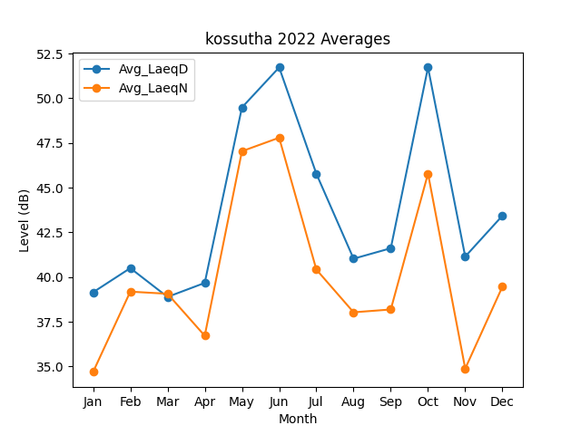
Month | Avg_LaeqD | Avg_LaeqN
1 | 39.151070403 | 34.698536185
2 | 40.501496308 | 39.186973157
3 | 38.891354071 | 39.067835365
4 | 39.674260602 | 36.721475934
5 | 49.482846922 | 47.036243244
6 | 51.721050711 | 47.791940109
7 | 45.77598317 | 40.419798523
8 | 41.027943069 | 38.032071605
9 | 41.612965255 | 38.189727404
10 | 51.720291539 | 45.782034774
11 | 41.146776439 | 34.884254067
12 | 43.432782461 | 39.465530476

