2022_data
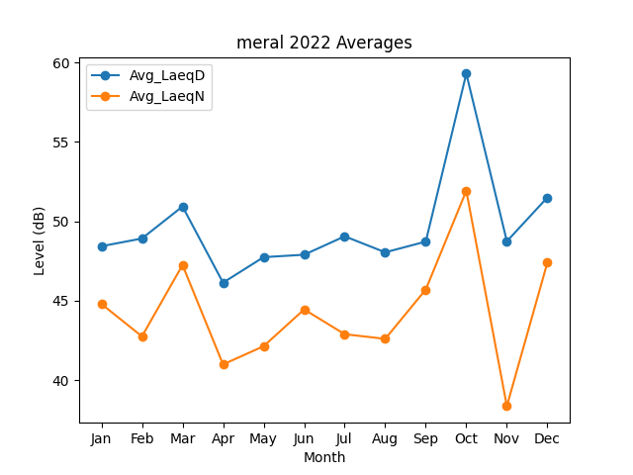
Month | Avg_LaeqD | Avg_LaeqN
1 | 48.433452705 | 44.799226391
2 | 48.920267923 | 42.754918479
3 | 50.934262665 | 47.249973614
4 | 46.137986476 | 40.990257252
5 | 47.745586933 | 42.137701386
6 | 47.897225666 | 44.453120272
7 | 49.057098374 | 42.893849369
8 | 48.049905501 | 42.600574132
9 | 48.724475186 | 45.706942794
10 | 59.301491668 | 51.927890389
11 | 48.742877216 | 38.364902976
12 | 51.504014138 | 47.407385457

