2022_data
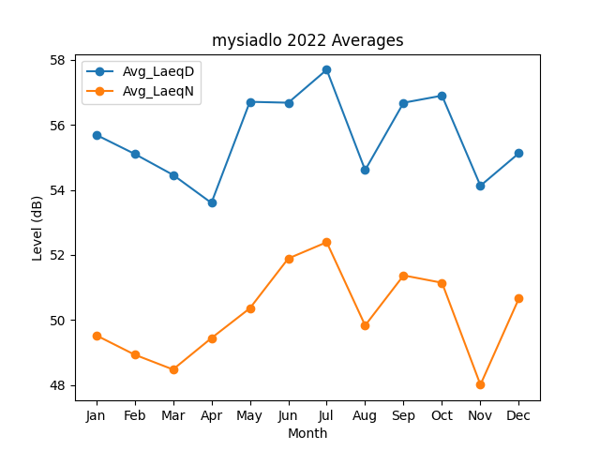
Month | Avg_LaeqD | Avg_LaeqN
1 | 55.694970399 | 49.53085652
2 | 55.108367141 | 48.936392681
3 | 54.46294265 | 48.479848083
4 | 53.600983352 | 49.44413027
5 | 56.708653472 | 50.361108615
6 | 56.681148146 | 51.89201041
7 | 57.694169942 | 52.392395906
8 | 54.610232156 | 49.833833105
9 | 56.68033231 | 51.372132062
10 | 56.898072145 | 51.145772458
11 | 54.128119083 | 48.010178009
12 | 55.128014352 | 50.660650756

