2022_data
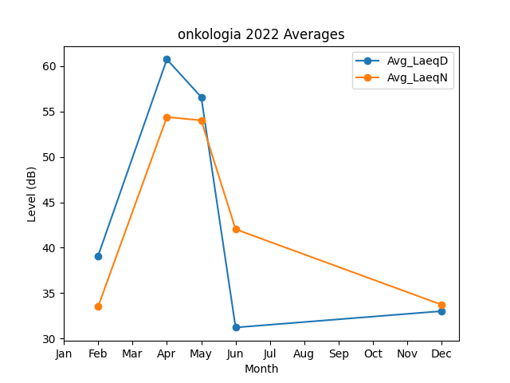
Month | Avg_LaeqD | Avg_LaeqN
2 | 39.1 | 33.5
4 | 60.755624221 | 54.400256422
5 | 56.599637776 | 54.032684474
6 | 31.198461586 | 42.027459247
12 | 33 | 33.7

