2022_data
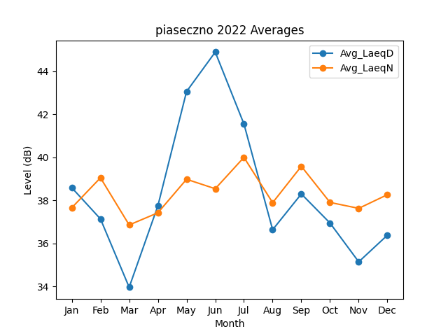
Month | Avg_LaeqD | Avg_LaeqN
1 | 38.592296647 | 37.662848223
2 | 37.141869807 | 39.053275205
3 | 33.968165655 | 36.863375609
4 | 37.749125946 | 37.426547839
5 | 43.060255438 | 38.984730998
6 | 44.891780379 | 38.545184313
7 | 41.551620259 | 40.001919578
8 | 36.641593269 | 37.897374645
9 | 38.303791468 | 39.588419808
10 | 36.950627255 | 37.908585035
11 | 35.150025445 | 37.633714675
12 | 36.389268447 | 38.269192474

