2022_data
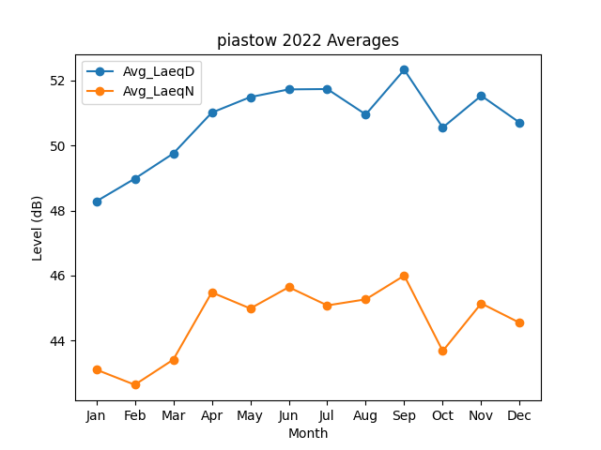
Month | Avg_LaeqD | Avg_LaeqN
1 | 48.280967336 | 43.111874851
2 | 48.977960527 | 42.647760044
3 | 49.750746654 | 43.419324201
4 | 51.006374578 | 45.484976694
5 | 51.484222822 | 44.990450964
6 | 51.720125852 | 45.645162173
7 | 51.730865992 | 45.084745861
8 | 50.950773758 | 45.271140515
9 | 52.323513952 | 46.000167056
10 | 50.548306012 | 43.683212752
11 | 51.526025921 | 45.146332511
12 | 50.697976116 | 44.55063444

