2022_data
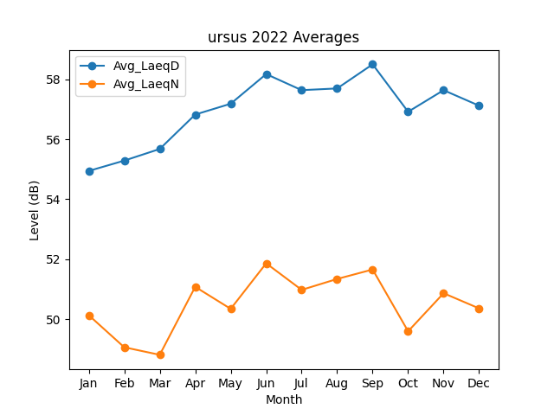
Month | Avg_LaeqD | Avg_LaeqN
1 | 54.943162092 | 50.136517135
2 | 55.286656202 | 49.069206825
3 | 55.674377317 | 48.817112031
4 | 56.820972191 | 51.081907508
5 | 57.181896224 | 50.348793057
6 | 58.169660518 | 51.865464116
7 | 57.63414959 | 50.981000381
8 | 57.691369174 | 51.344592284
9 | 58.494480004 | 51.65958347
10 | 56.913995359 | 49.600999028
11 | 57.633177753 | 50.869532474
12 | 57.116939096 | 50.363927361

