2022_data
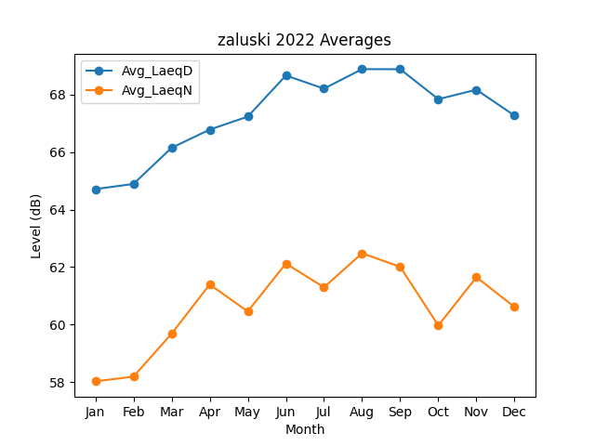
Month | Avg_LaeqD | Avg_LaeqN
1 | 64.711365838 | 58.024568153
2 | 64.890135338 | 58.187316326
3 | 66.146904453 | 59.679413141
4 | 66.779888923 | 61.394503342
5 | 67.232661544 | 60.455565157
6 | 68.663154267 | 62.121239251
7 | 68.206117418 | 61.295377685
8 | 68.884212931 | 62.478278665
9 | 68.881388833 | 62.008947048
10 | 67.839982194 | 59.964396637
11 | 68.168220027 | 61.649821755
12 | 67.266372027 | 60.607623086

