2022_data
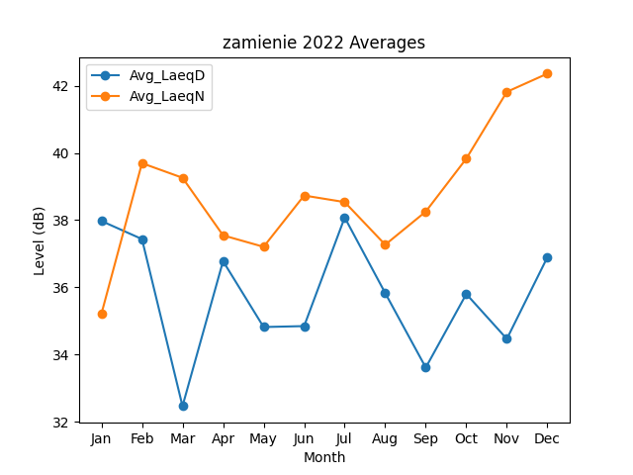
Month | Avg_LaeqD | Avg_LaeqN
1 | 37.974468612 | 35.213466506
2 | 37.437214375 | 39.694515886
3 | 32.468268307 | 39.259994261
4 | 36.780561724 | 37.547459972
5 | 34.820804666 | 37.206889734
6 | 34.848437585 | 38.732430789
7 | 38.078890834 | 38.536750236
8 | 35.830397408 | 37.269334043
9 | 33.615151807 | 38.254672602
10 | 35.80245834 | 39.829651749
11 | 34.467688961 | 41.816348579
12 | 36.896885348 | 42.357837727

