Sheet1
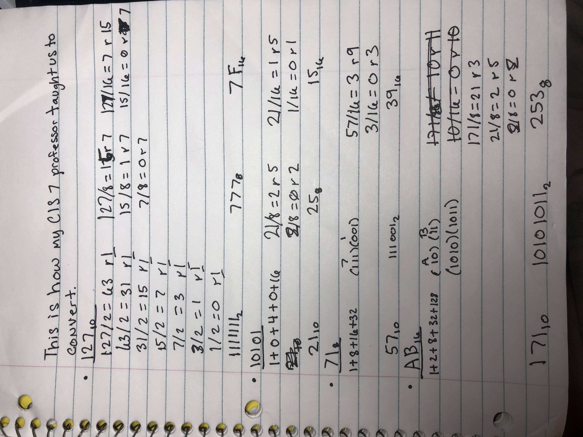
Base 10 | Base 2 | Base 8 | Base 16
127 | 1111111 | 777 | 7F
21 | 10101 | 25 | 15
57 | 111001 | 71 | 39
171 | 10101011 | 253 | AB

