BaseResults
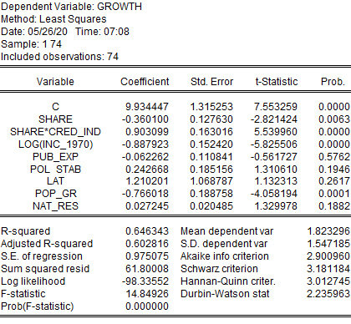
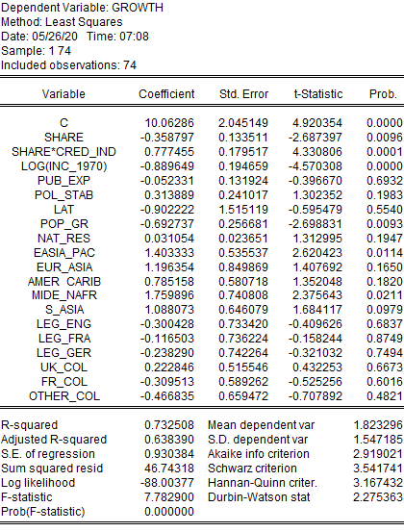
Regression 1: OLS without fixed effects | Regression 2: OLS plus legal and colony dummies
 |  | Joint legal dummies = 0
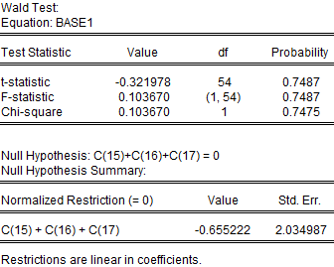

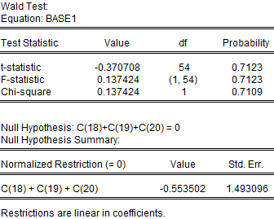
 |  | Joint colonial dummies = 0
 |  |  |  | Restrictions are linear in coefficients.

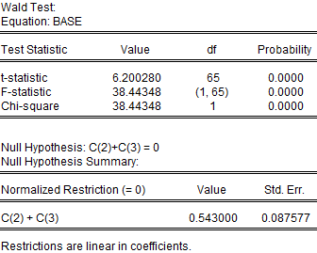
 |  |  |  | F-test: dgrowth/dshare = 0 (when cred_ind = 0.75)
F-test: dgrowth/dshare = 0 (when cred_ind = 1) |  |  |  | Wald Test:
 |  |  |  | Equation: BASE1

 |  |  | Probability | Test Statistic | Value | df | Probability

 |  |  | 0.6307 | t-statistic | 1.408159 | 71 | 0.1634
 |  |  | 0.6307 | F-statistic | 1.982911 | (1, 71) | 0.1634
 |  |  | 0.6292 | Chi-square | 1.982911 | 1 | 0.1591
 | F-test: dgrowth/dshare = 0 (when cred_ind = 1)
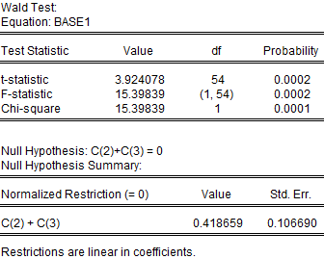
 |  |  |  | Null Hypothesis: C(2)+0.75*C(3)=0
 |  |  |  | Null Hypothesis Summary:

 |  |  | Std. Err. | Normalized Restriction (= 0) |  | Value | Std. Err.

 |  |  | 1.717059 | C(2) + 0.75*C(3) |  | 0.131714 | 0.093536

 |  |  |  | Restrictions are linear in coefficients.

BaseResults2
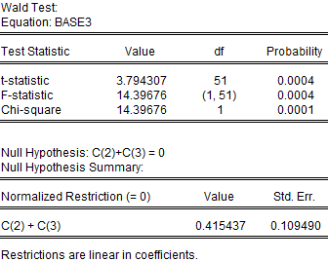
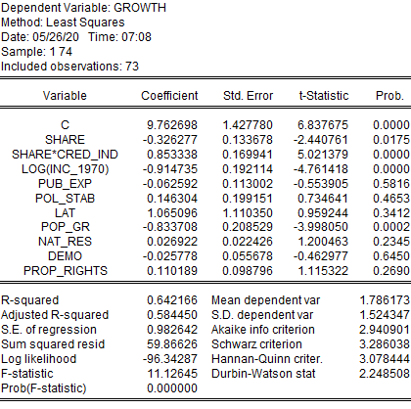
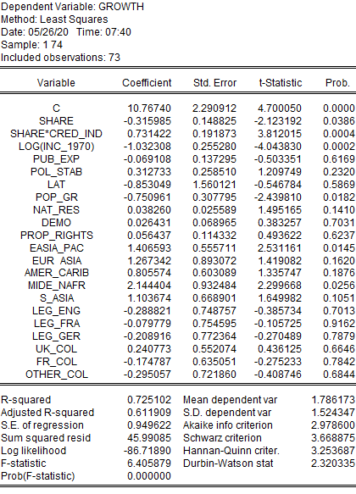
Regression 3: OLS plus extra controls (note smaller sample) |  | Regression 4: All controls and dummies
 | F-test: dgrowth/dshare = 0 (when cred_ind = 1) |  | Joint legal dummies = 0
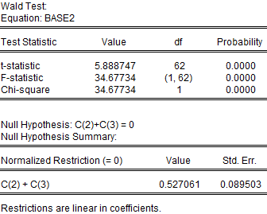
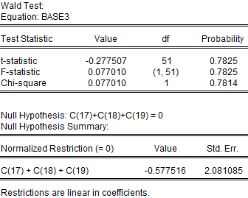

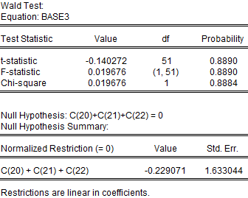
 |  |  | Joint colonial dummies = 0
 | F-test: dgrowth/dshare = 0 (when cred_ind = 1, Reg 4)

BaseRobustness
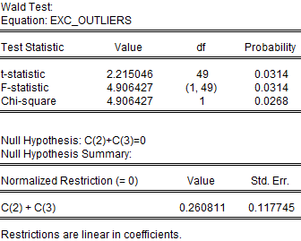
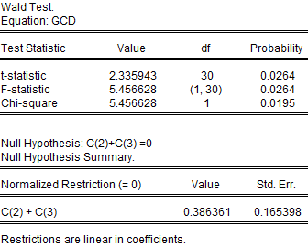
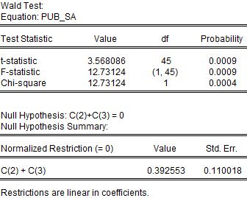
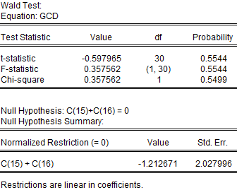

Regression 5: Base OLS plus fixed effects, outliers excluded | Regression 6: GCD only (Germany now excluded legal system) | Regression 7: Only countries with > 5 obs. on pub_exp
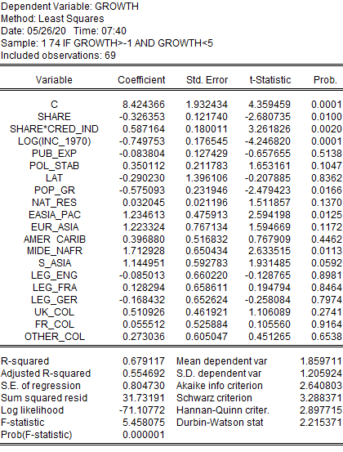
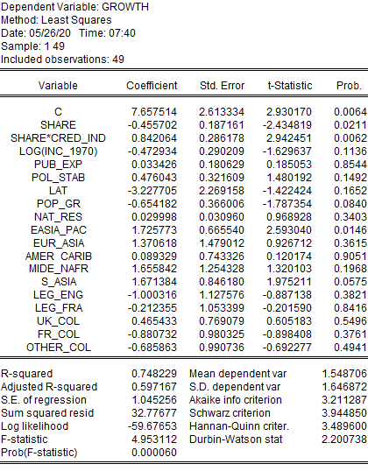
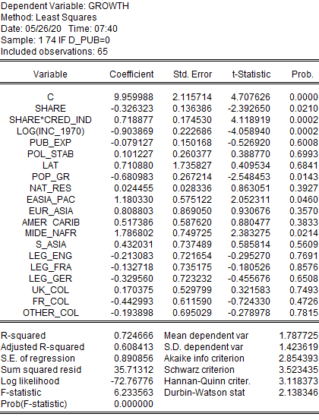
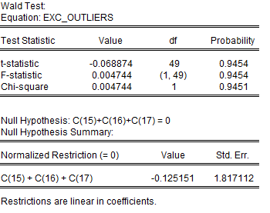

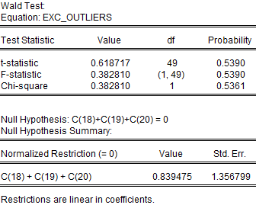
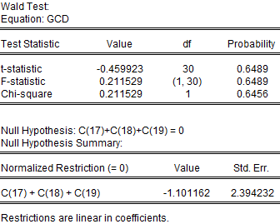
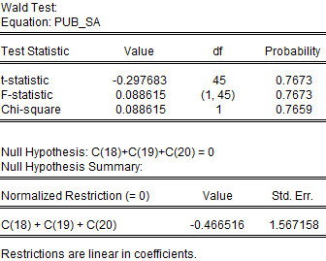

F-test: dgrowth/dshare = 0 (when cred_ind = 1) | F-test: dgrowth/dshare = 0 (when cred_ind = 1) | F-test: dgrowth/dshare = 0 (when cred_ind = 1)

FurtherRobustness
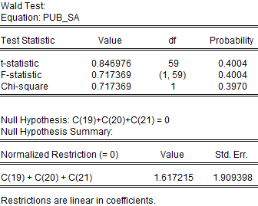
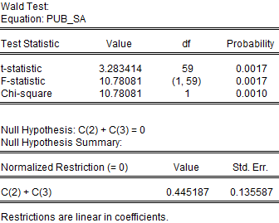
Cred_ind robustness |  | F-test: dgrowth/dshare = 0 (when cred_ind = 1)
Credit checks: +- 1/10 original thresholds (Bor_fin,Cred_card, Cred_rat)

Interaction term stat. significant and positive in all cases
Linear share stat. significant and negative in all cases

Test of dgrowth/dcred = 0 statistically signficant in all cases when cred_ind = 1.

 |  | Joint legal dummies = 0
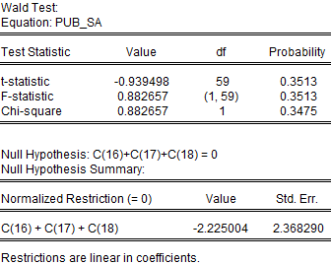

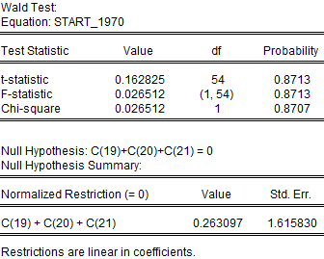
 | Joint colonial dummies
 |  | Joint colonial dummies

