Sheet1
# | 項目名 | 有効データ数 |  |  | 値域 | NAどうするか |  |  |  | 入れる入れない | testdata
44 | 1stFlrSF | 1460 | non-null | int64 |  | 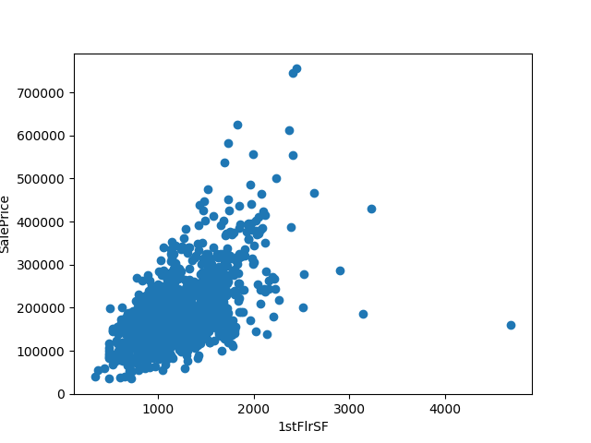 |  |  |  | 〇 | 1stFlrSF | 1459 | non-null | int64
45 | 2ndFlrSF | 1460 | non-null | int64 |  | 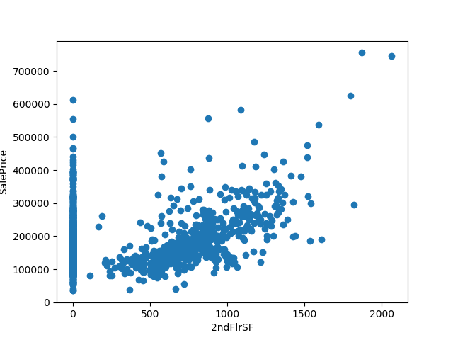 |  |  |  | 〇 | 2ndFlrSF | 1459 | non-null | int64
7 | Alley | 91 | non-null | object | 1:Grvl,2:Pave, | 0にする |  |  |  | 〇 | Alley | 107 | non-null | object
52 | BedroomAbvGr | 1460 | non-null | int64 |  |  | 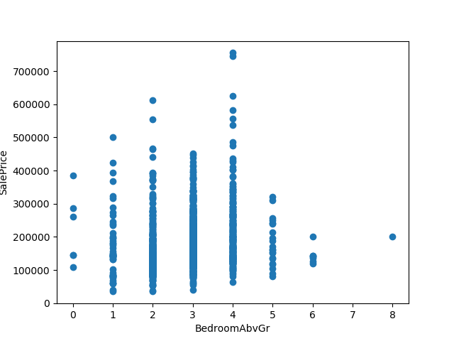 |  |  | 〇 | BedroomAbvGr | 1459 | non-null | int64
35 | BsmtFinSF1 | 1460 | non-null | int64 |  | 平均にする | 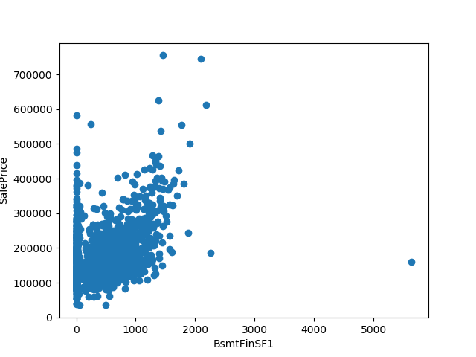 |  |  | 〇 | BsmtFinSF1 | 1458 | non-null | float64
31 | BsmtQual | 1423 | non-null | object | 1:Gd,2:TA,3:Ex,4:Fa, | ０にする | 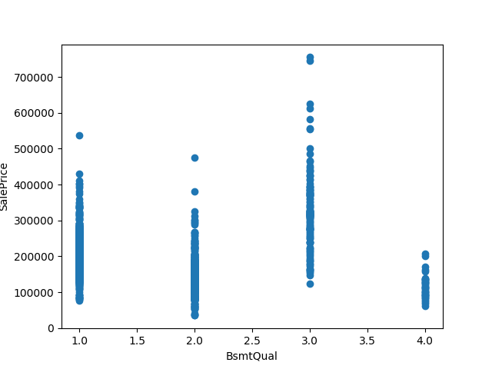 |  |  | 〇 | BsmtQual | 1415 | non-null | object
42 | CentralAir | 1460 | non-null | object | 1:Y,2:N, |  |  |  |  | 〇 | CentralAir | 1459 | non-null | object
14 | Condition1 | 1460 | non-null | object | 1:Norm,2:Feedr,3:PosN,4:Artery,5:RRAe,6:RRNn,7:RRAn,8:PosA,9:RRNe, |  | 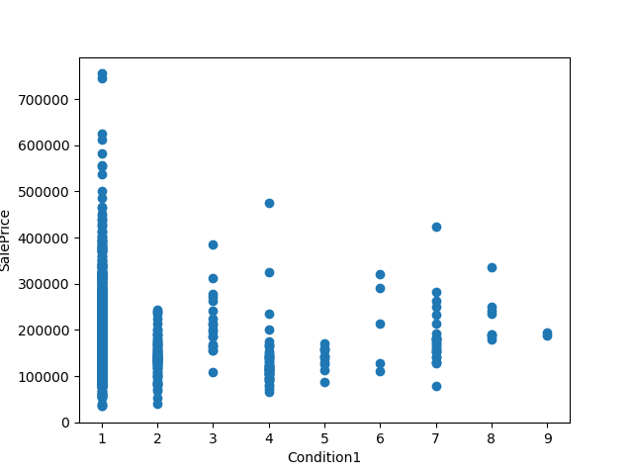 |  |  | 〇 | Condition1 | 1459 | non-null | object
15 | Condition2 | 1460 | non-null | object | 1:Norm,2:Artery,3:RRNn,4:Feedr,5:PosN,6:PosA,7:RRAn,8:RRAe, |  |  | 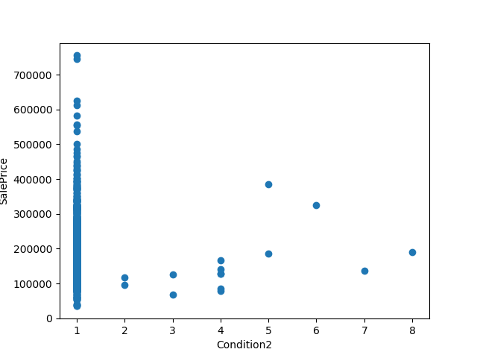 |  | 〇 | Condition2 | 1459 | non-null | object
69 | EnclosedPorch | 1460 | non-null | int64 |  |  | 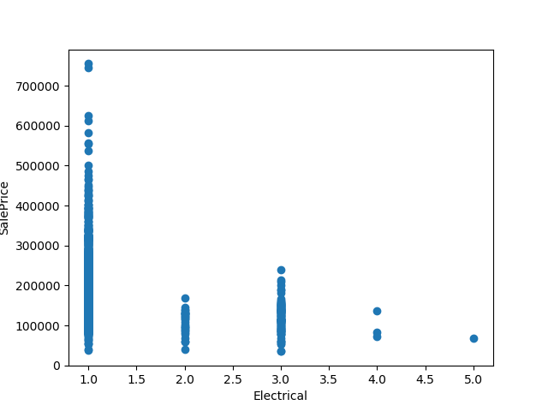 | 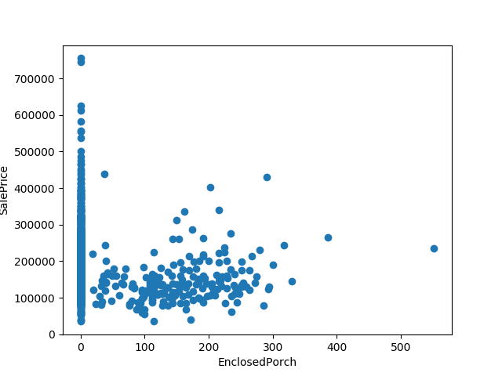 |  | 〇 | EnclosedPorch | 1459 | non-null | int64
29 | ExterCond | 1460 | non-null | object | 1:TA,2:Gd,3:Fa,4:Po,5:Ex, |  |  | 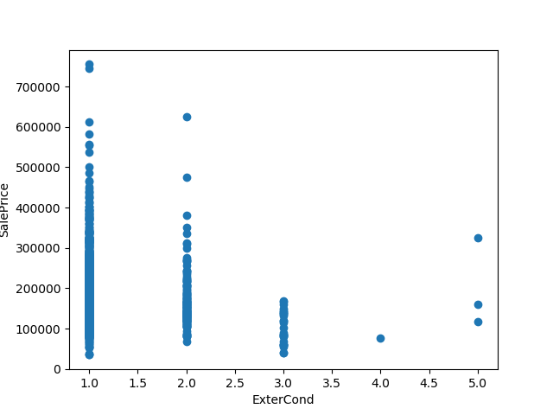 |  | 〇 | ExterCond | 1459 | non-null | object
28 | ExterQual | 1460 | non-null | object | 1:Gd,2:TA,3:Ex,4:Fa, |  |  | 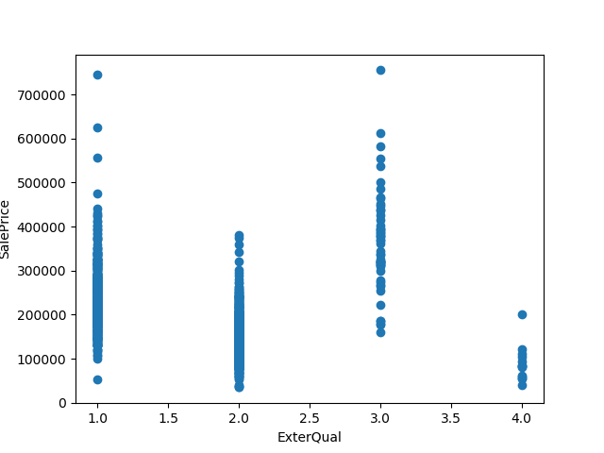 |  | 〇 | ExterQual | 1459 | non-null | object
74 | Fence | 281 | non-null | object | 1:MnPrv,2:GdWo,3:GdPrv,4:MnWw, |  | ０にする | 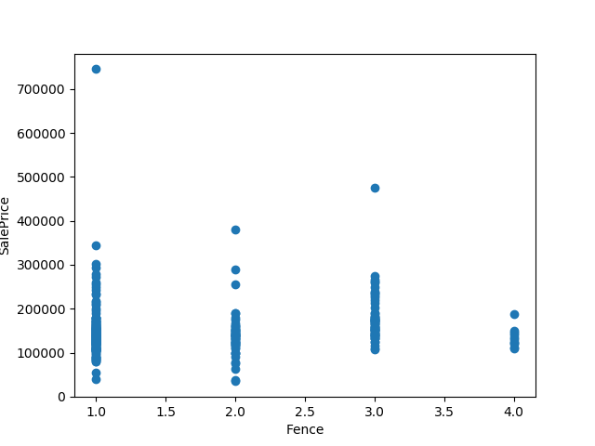 |  | 〇 | Fence | 290 | non-null | object
58 | FireplaceQu | 770 | non-null | object | 1:TA,2:Gd,3:Fa,4:Ex,5:Po, |  | ０にする | 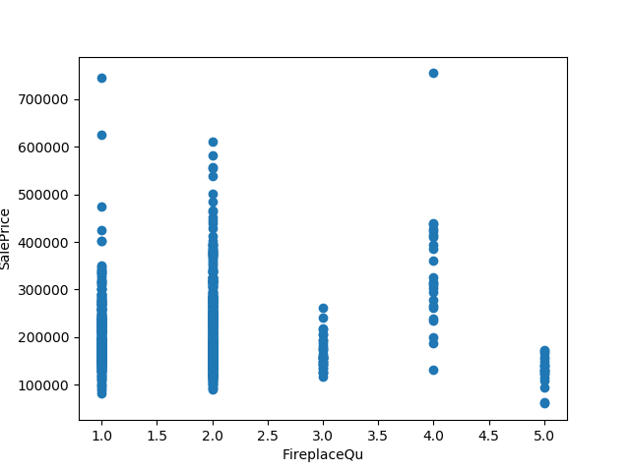 |  | 〇 | FireplaceQu | 729 | non-null | object
57 | Fireplaces | 1460 | non-null | int64 |  |  |  | 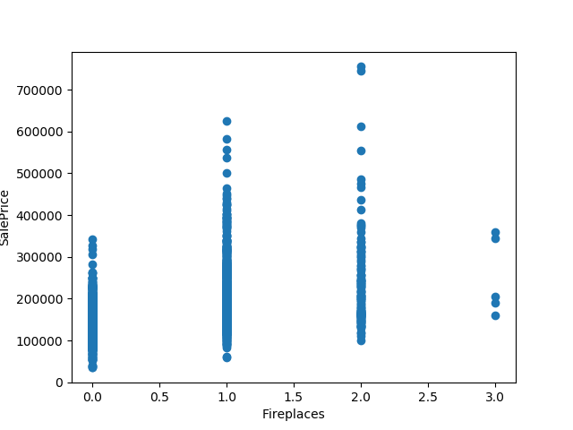 |  | 〇 | Fireplaces | 1459 | non-null | int64
30 | Foundation | 1460 | non-null | object | 1:PConc,2:CBlock,3:BrkTil,4:Wood,5:Slab,6:Stone, |  |  | 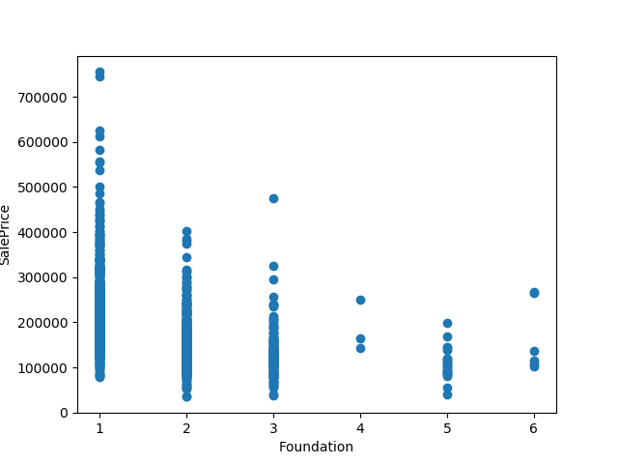 |  | 〇 | Foundation | 1459 | non-null | object
50 | FullBath | 1460 | non-null | int64 |  |  |  | 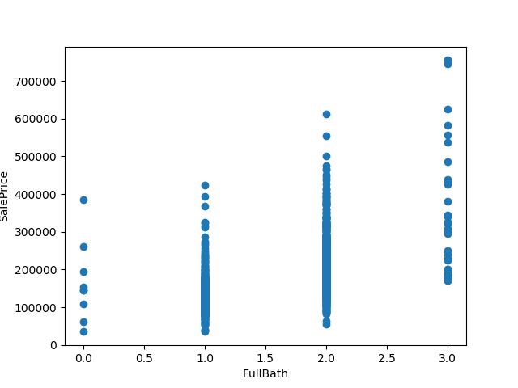 |  | 〇 | FullBath | 1459 | non-null | int64
63 | GarageArea | 1460 | non-null | int64 |  | 平均にする |  | 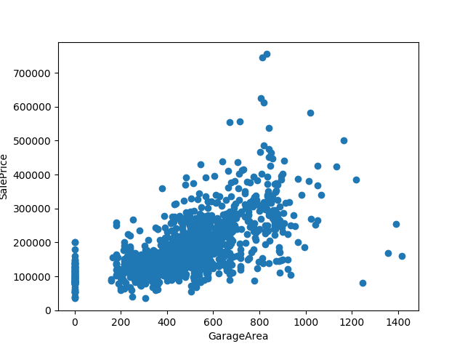 |  | 〇 | GarageArea | 1458 | non-null | float64
62 | GarageCars | 1460 | non-null | int64 |  | 2にする |  | 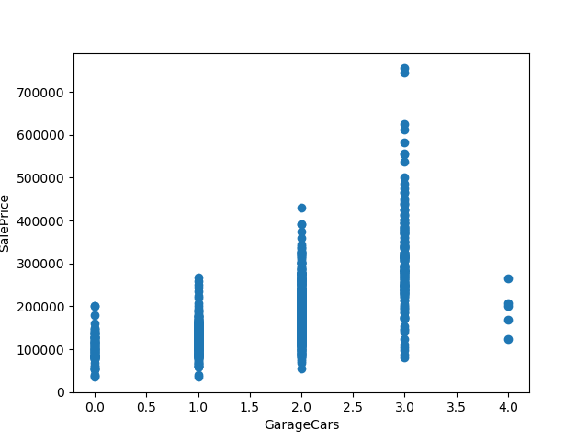 |  | 〇 | GarageCars | 1458 | non-null | float64
60 | GarageYrBlt | 1379 | non-null | float64 |  | 平均にする |  |  |  | 〇 | GarageYrBlt | 1381 | non-null | float64
47 | GrLivArea | 1460 | non-null | int64 |  |  |  | 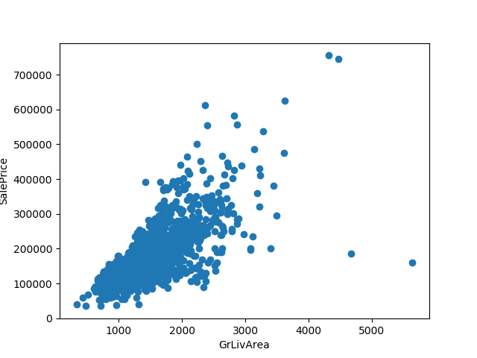 |  | 〇 | GrLivArea | 1459 | non-null | int64
54 | KitchenQual | 1460 | non-null | object | 1:Gd,2:TA,3:Ex,4:Fa, | ０にする | 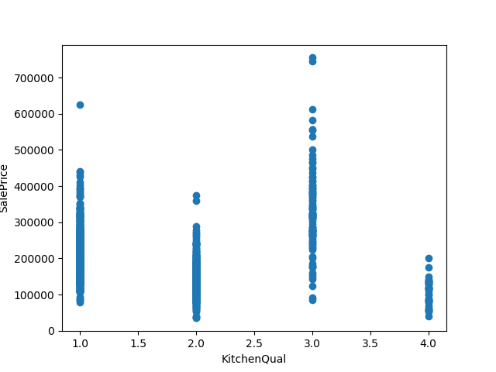 |  |  | 〇 | KitchenQual | 1458 | non-null | object
12 | LandSlope | 1460 | non-null | object | 1:Gtl,2:Mod,3:Sev, |  | 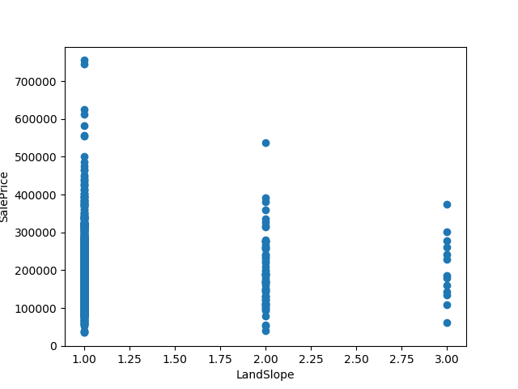 |  |  | 〇 | LandSlope | 1459 | non-null | object
4 | LotFrontage | 1201 | non-null | float64 |  | 平均にする | 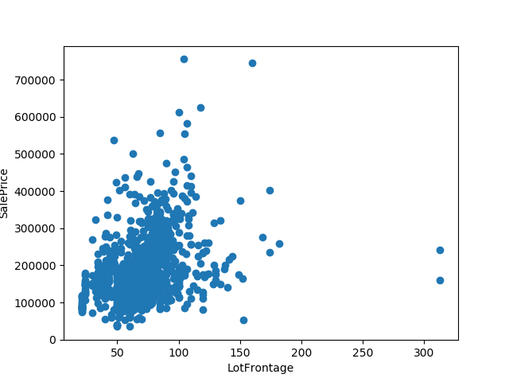 |  |  | 〇 | LotFrontage | 1232 | non-null | float64
27 | MasVnrArea | 1452 | non-null | float64 |  | 平均にする | 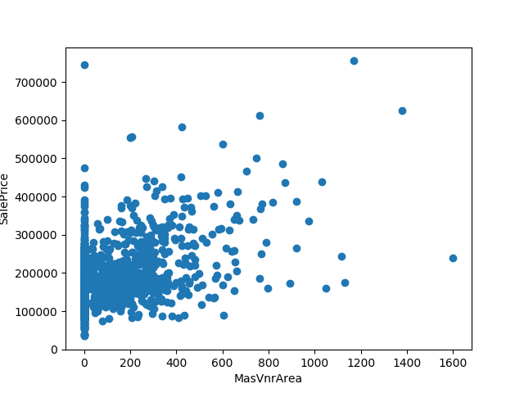 |  |  | 〇 | MasVnrArea | 1444 | non-null | float64
2 | MSSubClass | 1460 | non-null | int64 |  |  |  | 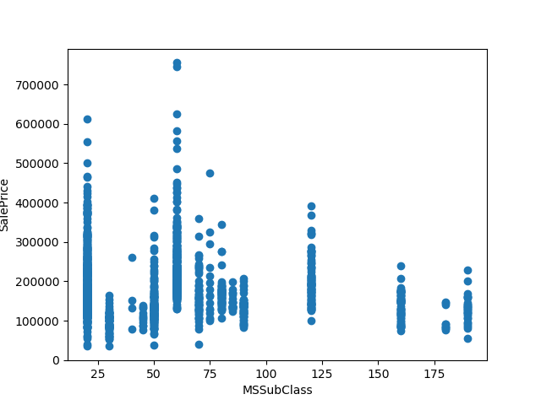 |  | 〇 | MSSubClass | 1459 | non-null | int64
3 | MSZoning | 1460 | non-null | object | 1:RL,2:RM,3:C (all),4:FV,5:RH, | １にする |  |  | 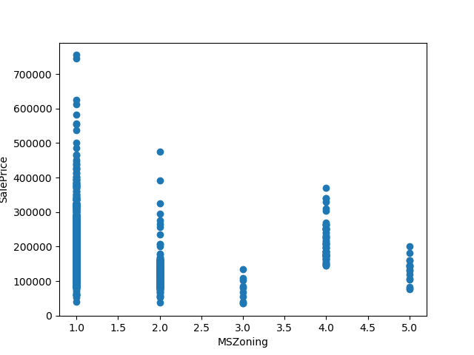 | 〇 | MSZoning | 1455 | non-null | object
68 | OpenPorchSF | 1460 | non-null | int64 |  |  |  | 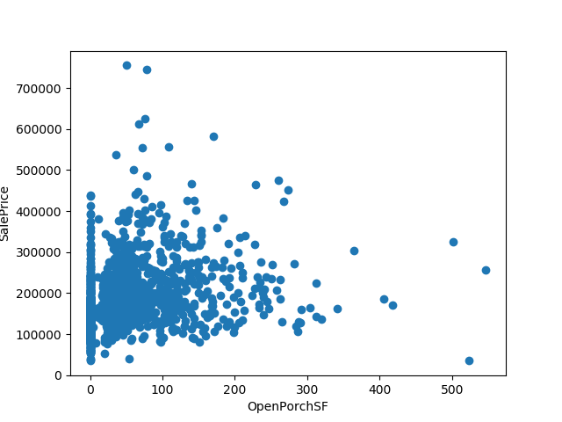 |  | 〇 | OpenPorchSF | 1459 | non-null | int64
19 | OverallCond | 1460 | non-null | int64 |  |  |  | 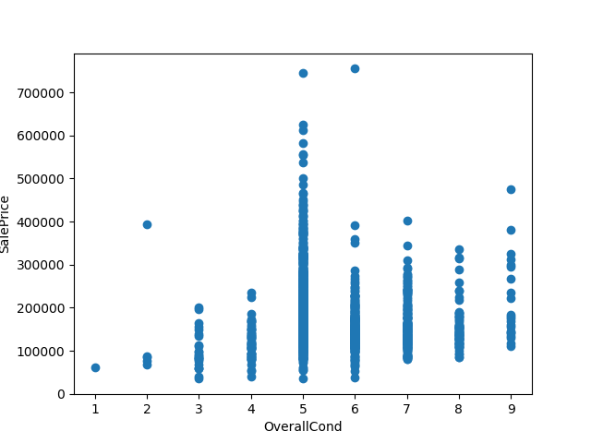 |  | 〇 | OverallCond | 1459 | non-null | int64
18 | OverallQual | 1460 | non-null | int64 |  |  |  | 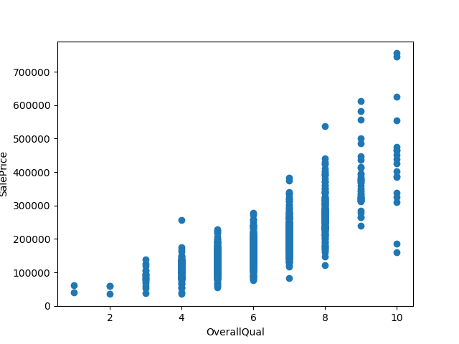 |  | 〇 | OverallQual | 1459 | non-null | int64
66 | PavedDrive | 1460 | non-null | object | 1:Y,2:N,3:P, |  |  |  | 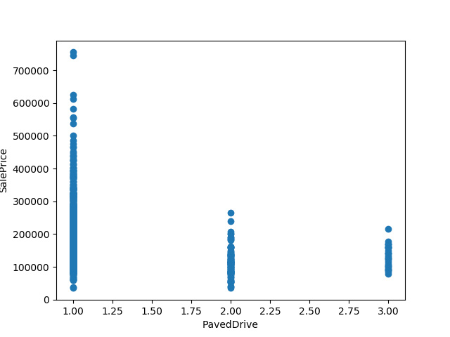 | 〇 | PavedDrive | 1459 | non-null | object
71 | ScreenPorch | 1460 | non-null | int64 |  |  |  |  | 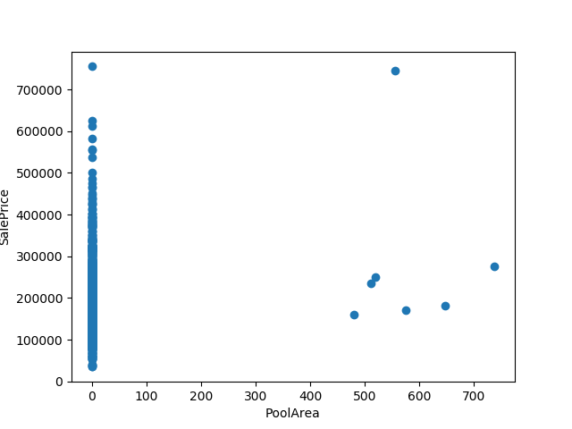 | 〇 | ScreenPorch | 1459 | non-null | int64
39 | TotalBsmtSF | 1460 | non-null | int64 |  | 平均にする |  |  |  | 〇 | TotalBsmtSF | 1458 | non-null | float64
55 | TotRmsAbvGrd | 1460 | non-null | int64 |  |  |  |  | 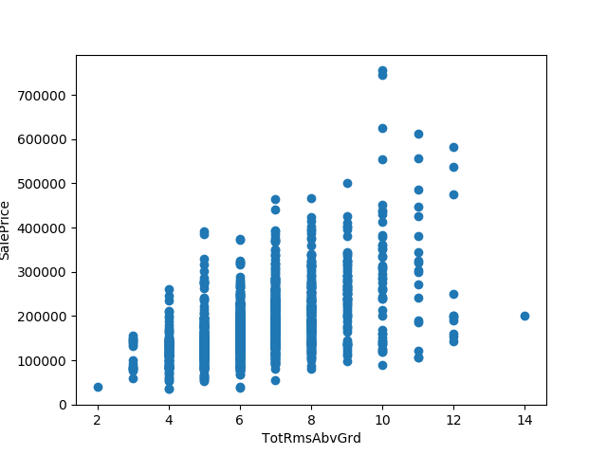 | 〇 | TotRmsAbvGrd | 1459 | non-null | int64
67 | WoodDeckSF | 1460 | non-null | int64 |  |  |  |  | 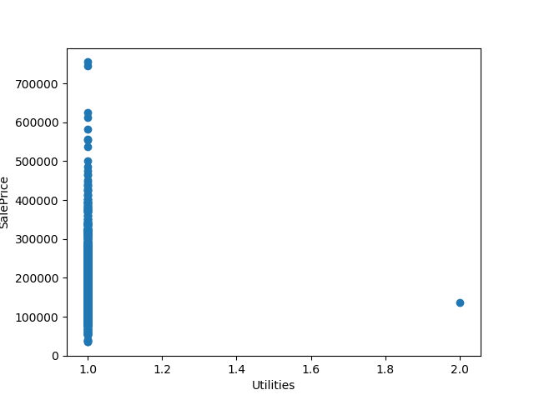 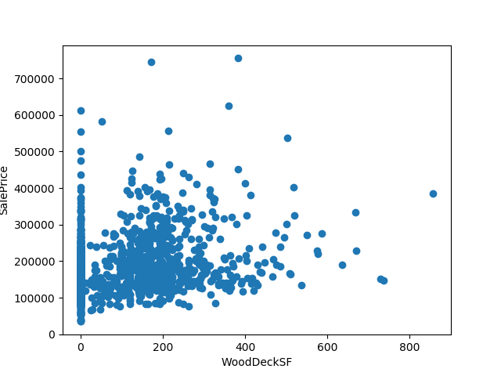 | 〇 | WoodDeckSF | 1459 | non-null | int64
20 | YearBuilt | 1460 | non-null | int64 |  |  |  |  | 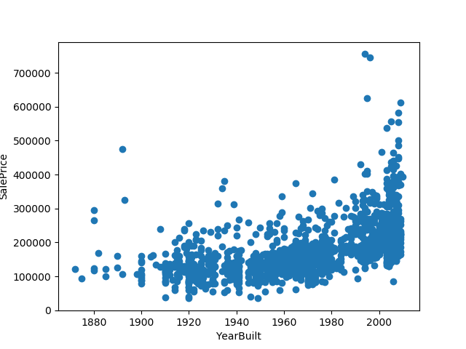 | 〇 | YearBuilt | 1459 | non-null | int64
21 | YearRemodAdd | 1460 | non-null | int64 |  |  |  |  | 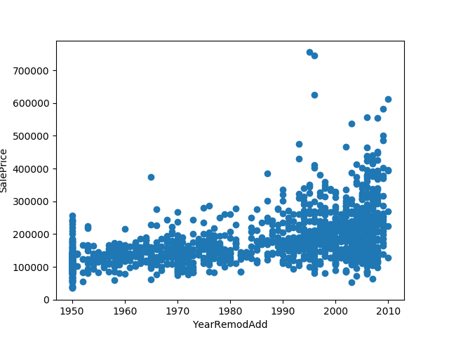 | 〇 | YearRemodAdd | 1459 | non-null | int64

