Screen Shots
Step # | Description | Screen Shots:
1 | DEBUG Tab

2 | Unit Tests - Selection and Run screen shot Unit Test #1 ErrorHandler (error row results screen shot)

3 | Unit Test # 2 Refresh Forecast Sheet (before and after screens)

4 | Unit Test # 3 Lock Past Month Actuals

5 | Unit Test # 4 Color Editable Cells

8 | Unit Test: Export Forecast | 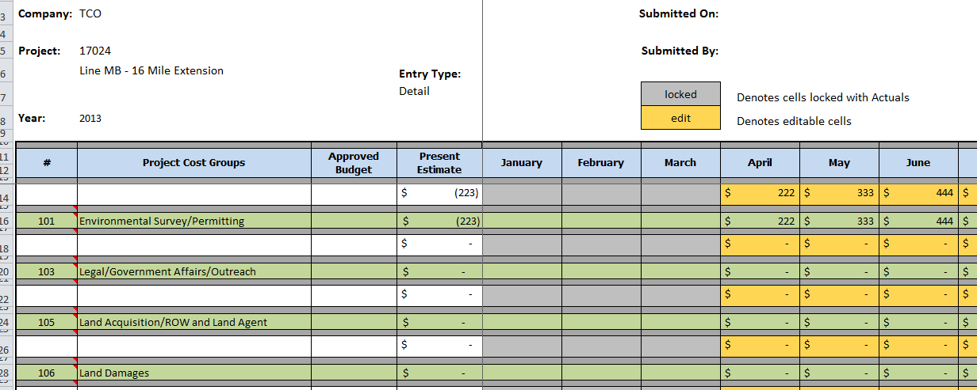

10 | Unit Test: Import to ProTool | 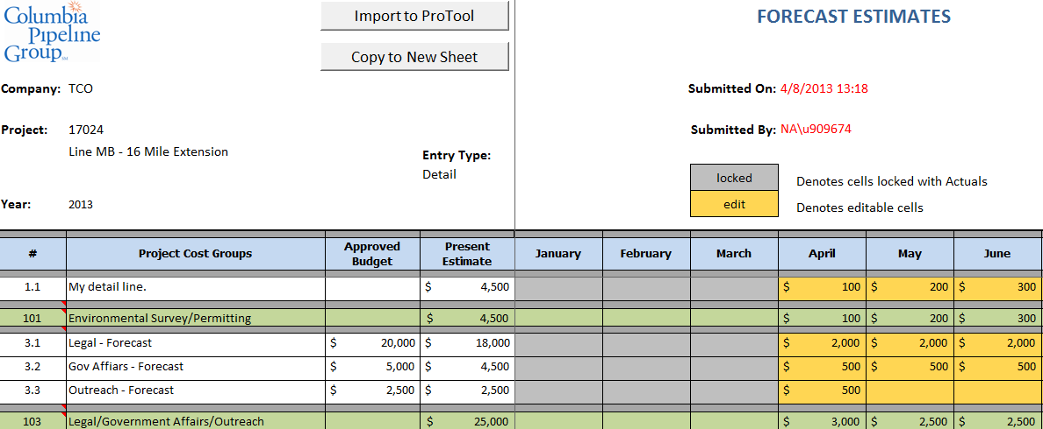

12 | 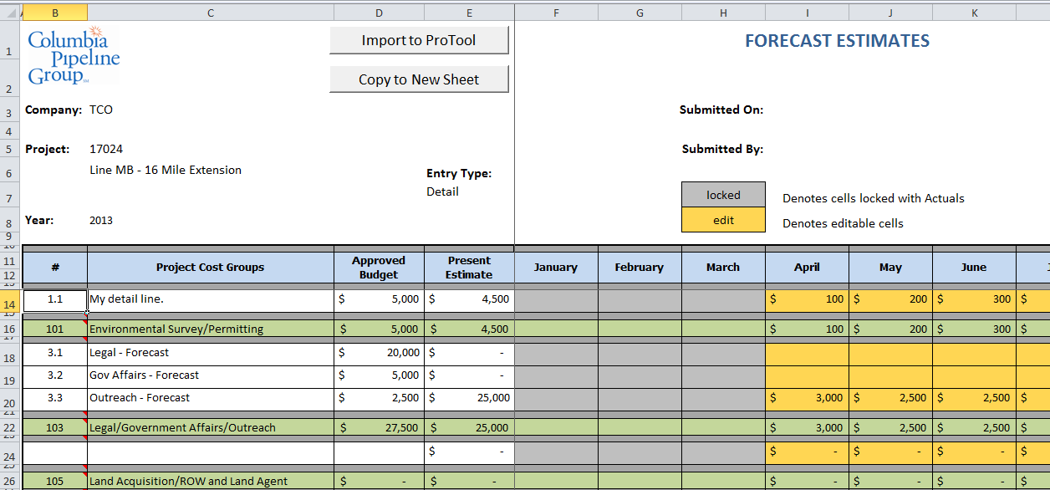 Unit Test: Copy to New Sheet

14 | Unit Test: Copy to New Sheet (Before and After screens) | 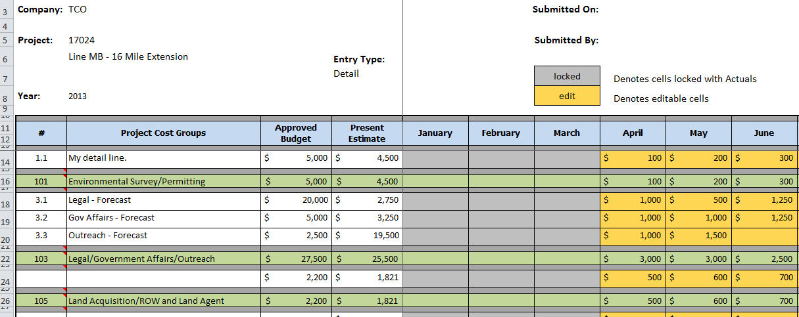 | 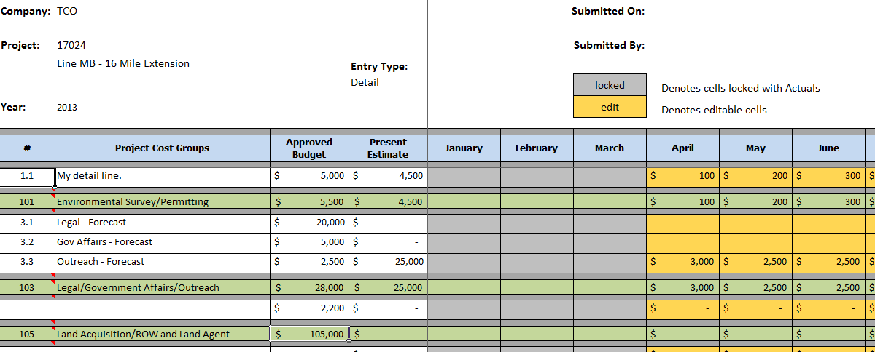
15 | Unit Test: Copy to New Sheet

20, 21, 22 | Unit Test: User not authorized to access ProTool data. | 