Sheet1
Split | Total Records | Name in email | Name in Email & Preferred | Loaded file: data-1.csv
1 | 559503 | 27297 | 1028 | Run:
2 | 559503 | 25737 | 986 | 559503
3 | 559503 | 30310 | 1116 | 21335
4 | 559503 | 22098 | 1154 | 1050
5 | 559437 | 26866 | 539 | Loaded file: data-2.csv
 |  |  |  | Run:
TOTALS | 2797449 | 132308 | 4823 | 559503
 |  |  |  | 23438
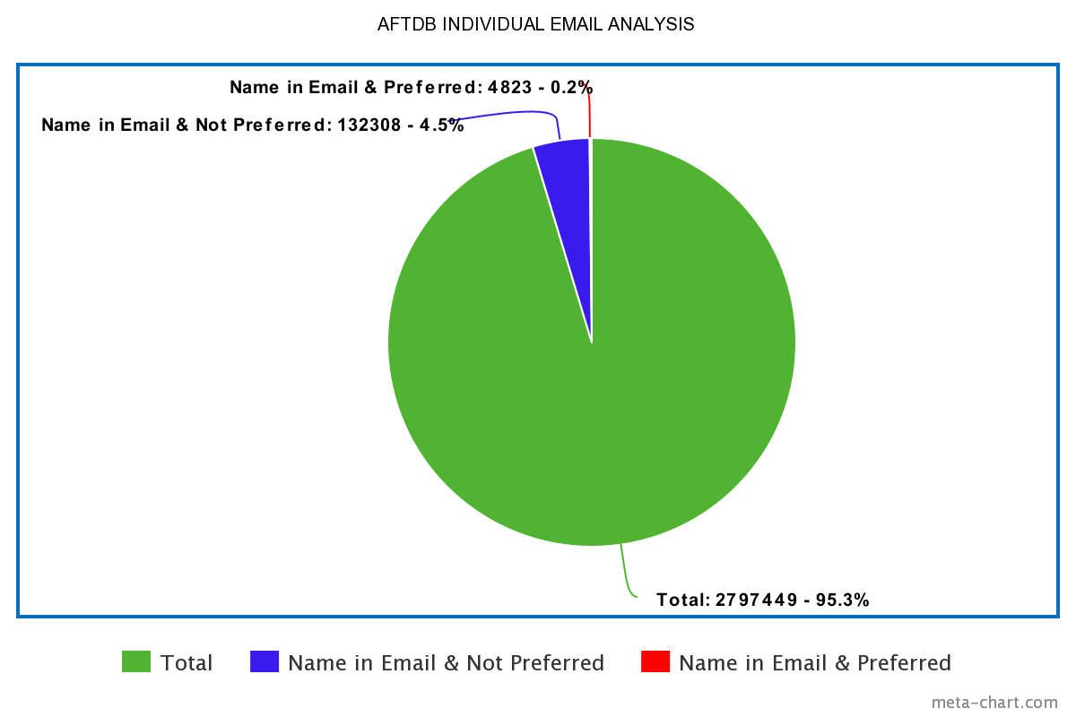
 |  |  |  | 1001
 |  |  |  | Loaded file: data-3.csv
 |  |  |  | Run:
 |  |  |  | 559503
 |  |  |  | 32730
 |  |  |  | 1135
 |  |  |  | Loaded file: data-4.csv
 |  |  |  | Run:
 |  |  |  | 559503
 |  |  |  | 33940
 |  |  |  | 1170
 |  |  |  | Loaded file: data-5.csv
 |  |  |  | Run:
 |  |  |  | 559437
 |  |  |  | 24140
 |  |  |  | 549
 |  |  |  | TOTALS:
 |  |  |  | 2797449
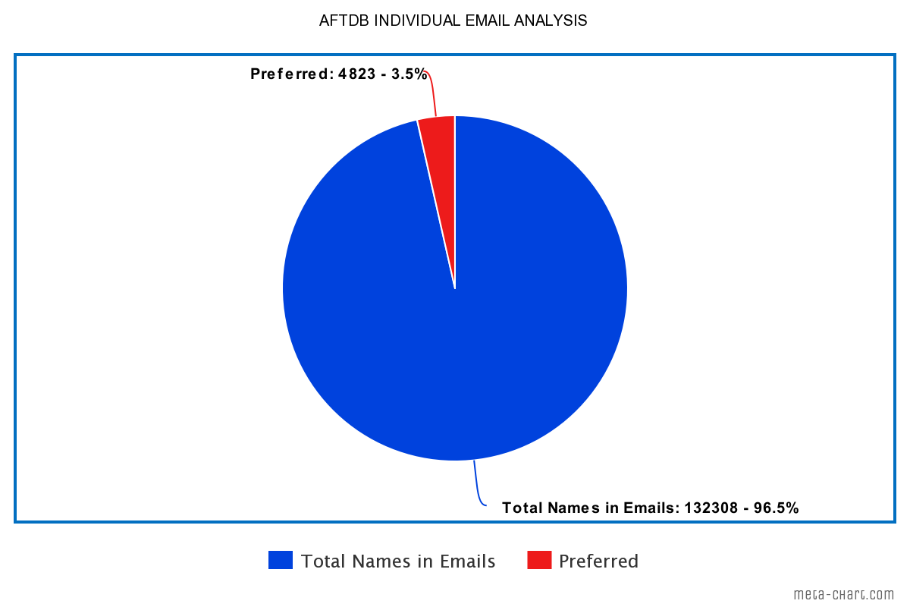
 |  |  |  | 135583
 |  |  |  | 4905

