Sheet 1
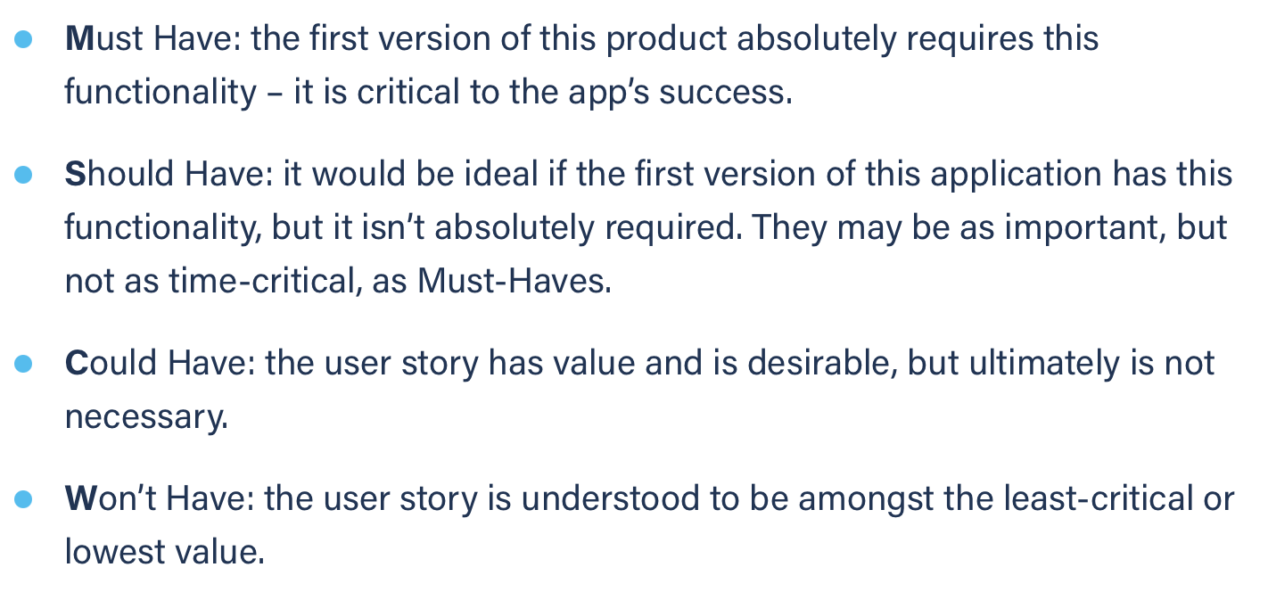
Title: calendar see event details | Priority: Must Have | Estimate: 0.5
As a student/volunteer
I want to consult an event’s details
So that I can know what it’s about
Acceptance criteria
Given I am on the calendar page and the right month is selected
When I hover an event
Then a modal showing the corresponding details is displayed
Priority explanation: |  | Estimation explanation:

