Sheet 1
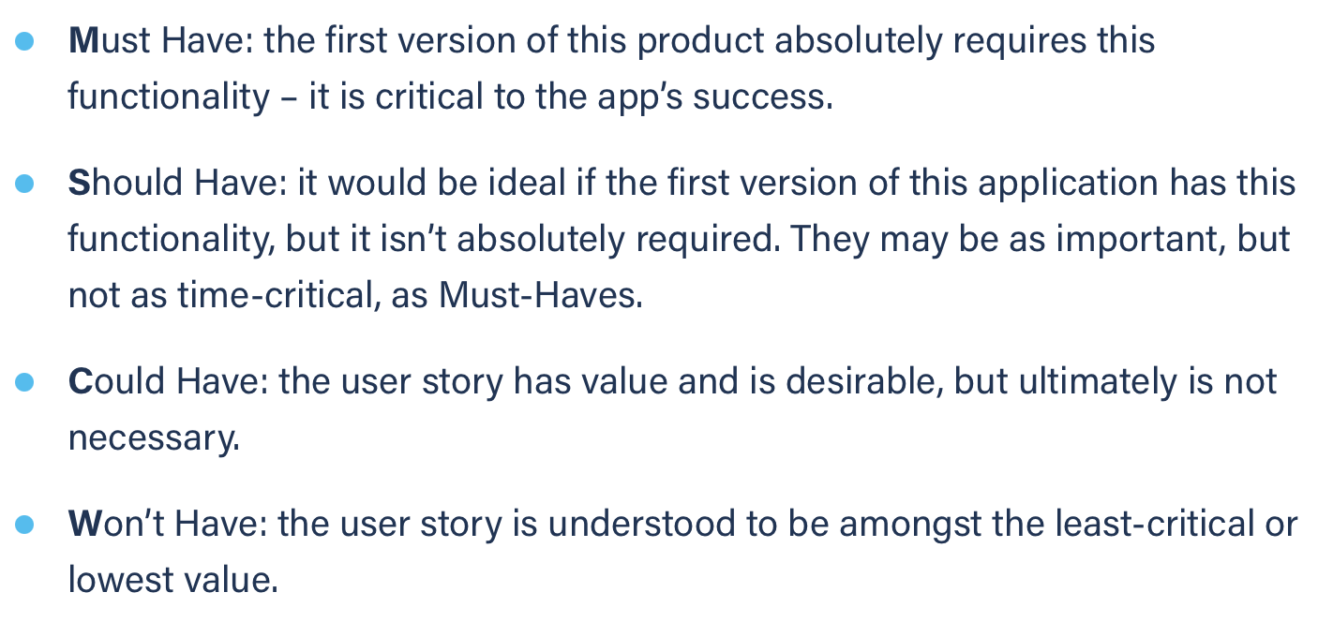
Title: select chat | Priority: Must Have | Estimate: 2
As a student/volunteer
I want to pick a chat window
So that I can speak with my colleagues/mentors
Acceptance criteria
Given the chat I want has already started
When click on the corresponding button
Then the chat is displayed on the chat page
Priority explanation: |  | Estimation explanation:

