Sheet 1
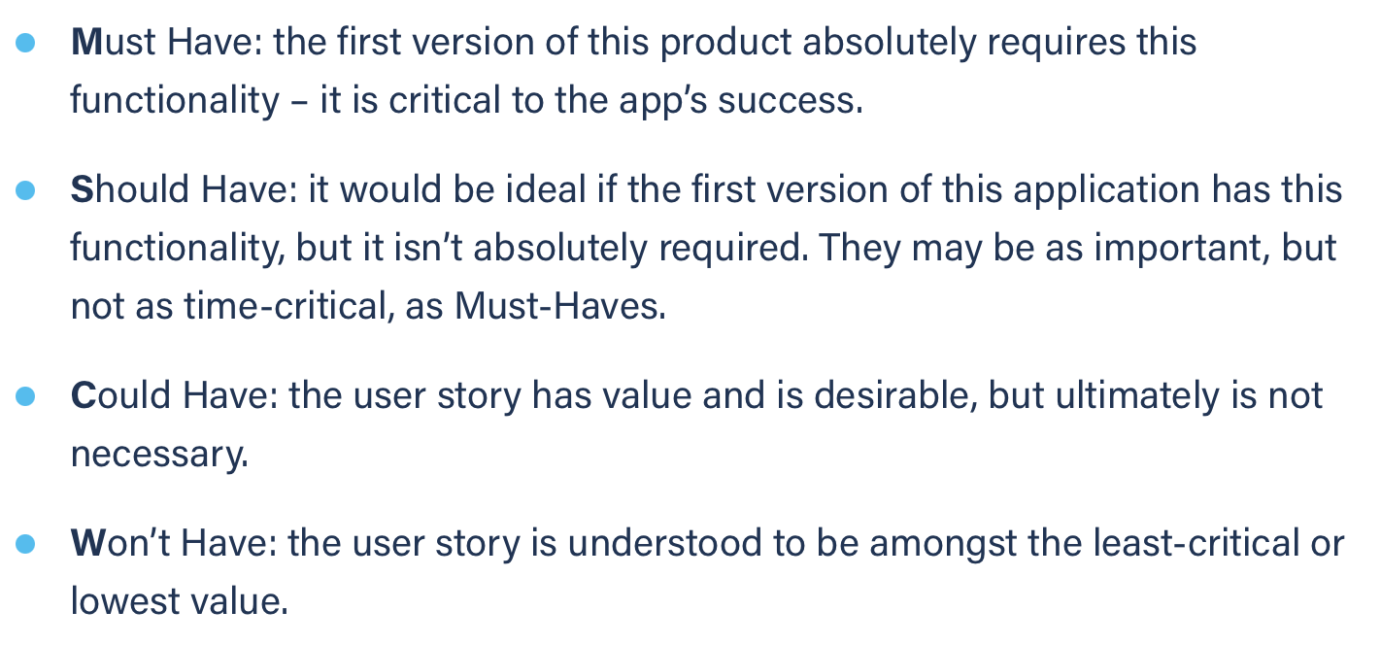
Title: account creation | Priority: Must Have | Estimate: 2
As a student/volunteer
I want to create an account
So that I can login
Acceptance criteria
Given I am an unregistered user
When I click on the sign-in link
Then a page with the account creation form is opened in the same tab
Priority explanation: |  | Estimation explanation:

