Sheet 1
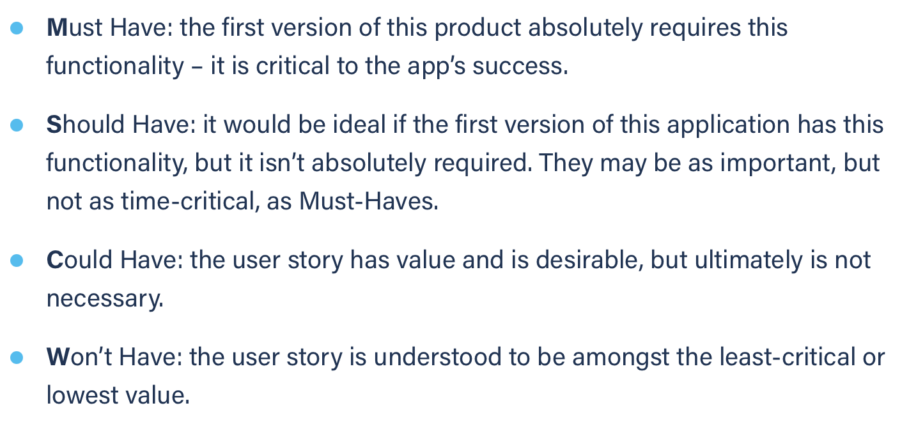
Title: recover password bad mail | Priority: Must Have | Estimate: 0.5
As a student/volunteer
I want to recover my password
So that I can login
Acceptance criteria
Given my e-mail is not found in the DB or is not correct
When I submit my e-mail address
Then a mail error is displayed
Priority explanation: |  | Estimation explanation:

