Sheet 1
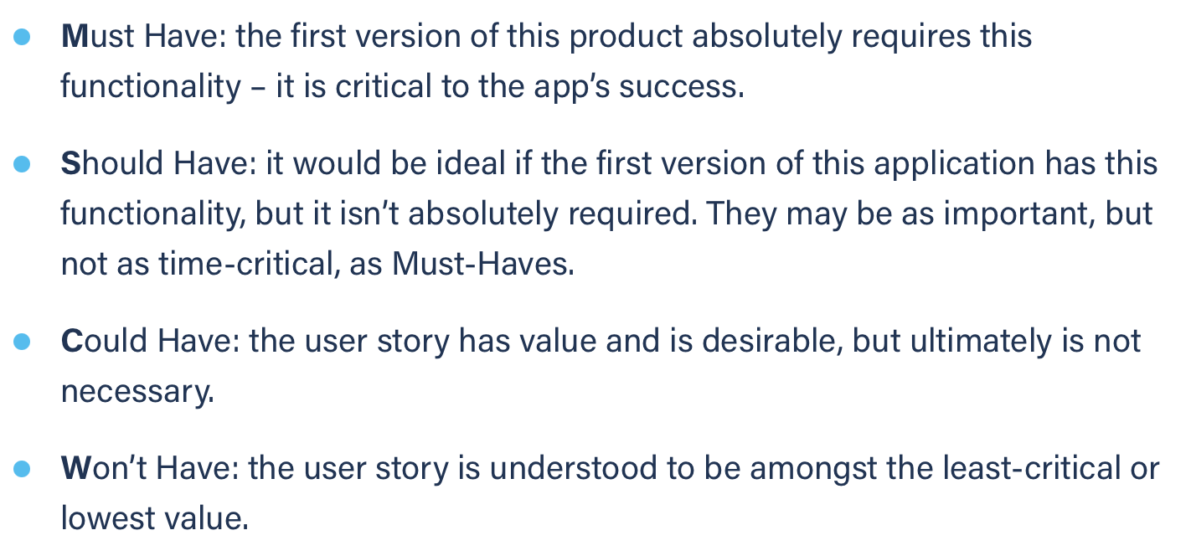
Title: task management add new task as a stud (failure) | Priority: Must Have | Estimate: 3
As a student
I want to add a new task to my task management tool
So that I can know what to in the future
Acceptance criteria
Given I am a student and I am on the task management page and I have NOT filled every input box
When I submit the task
Then nothing is added to the task list
Priority explanation: |  | Estimation explanation:

