Sheet 1
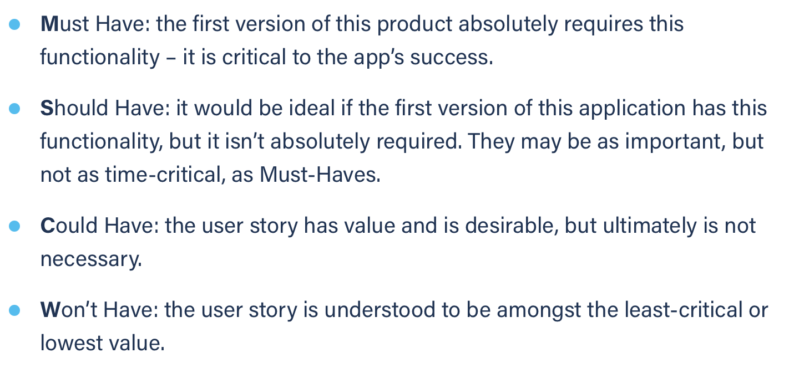
Title: task management add new task as a volu (failure) | Priority: Must Have | Estimate: 3
As a volunteer
I want to add a new task to my task management tool
So that I can know what to in the future or know what one of my students must do in the future
Acceptance criteria
Given I am a volunteer and I am on the task management page and either “task name”, “due date” or “due time” field is missing
When I submit the task
Then nothing is added to the task list
Priority explanation: |  | Estimation explanation:

