Sheet 1
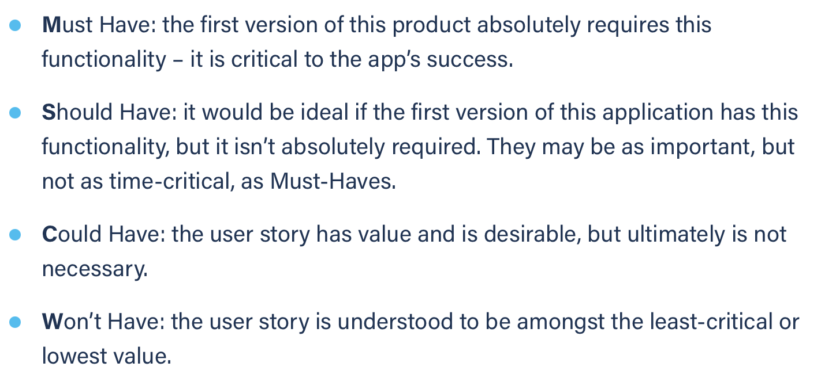
Title: dashboard see calendar at corresponding month | Priority: Must Have | Estimate: 3
As a student/volunteer
I want to see the calendar page at the month of an event
So that I can read it’s details or see other events around it
Acceptance criteria
Given I have such event registered on my calendar and I am on the dashboard
When I click on the event in the dashboard
Then the calendar page on the corresponding month is displayed
Priority explanation: |  | Estimation explanation:

