Sheet 1
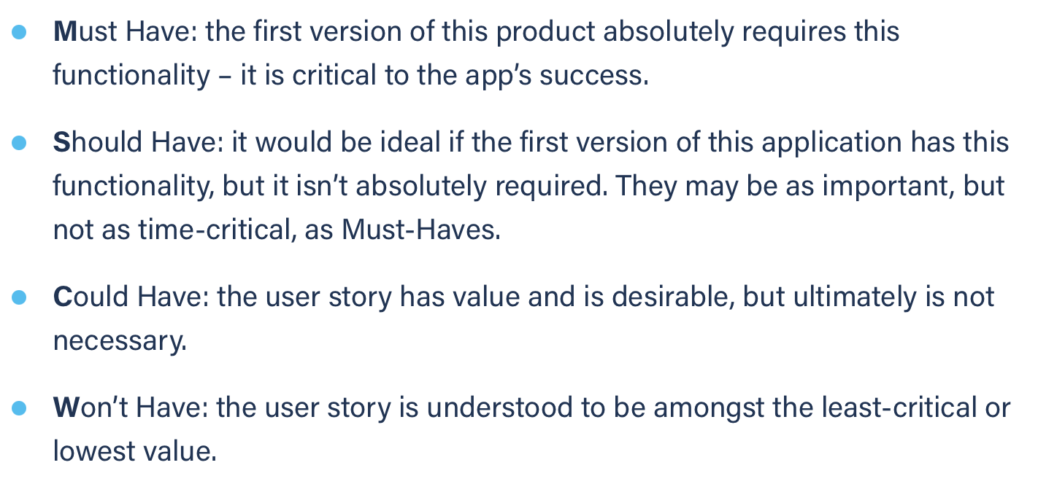
Title: calendar cycle through months | Priority: Must Have | Estimate: 1
As a student/volunteer
I want to cycle through months on my calendar
So that I can see the upcoming events on a future month
Acceptance criteria
Given I am on the calendar page
When I click on the “>” or the “<“ button
Then the next or previous month is showed
Priority explanation: |  | Estimation explanation:

