Sheet 1
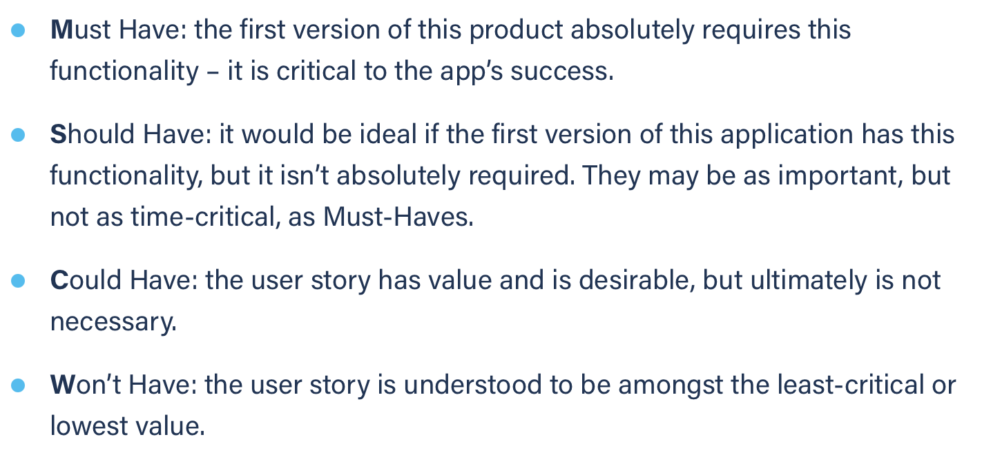
Title: close chat | Priority: Must Have | Estimate: 2
As a student/volunteer
I want to close a chat window
So that I can clear my chat page
Acceptance criteria
Given the chat window is opened
When I hit the “x” button (top right corner of the chat sub-window)
Then the corresponding button is removed from the left list and the next chat window becomes the active window (if the closed chat is last, then the first chat window becomes the active chat window)
Priority explanation: |  | Estimation explanation:

