Sheet 1
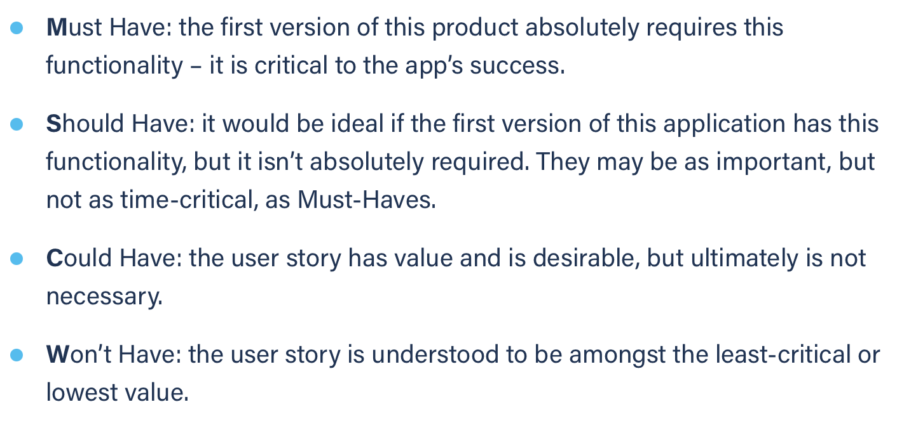
Title: send message | Priority: Must Have | Estimate: 3
As a student/volunteer
I want to send a message to my colleagues/mentors
So that I can communicate
Acceptance criteria
Given I have a chat window opened with my colleague/mentor in it
When I type some message in the text box and I hit the “send” button
Then the content of the text box is sent to my colleague/mentor
Priority explanation: |  | Estimation explanation:

