Sheet 1
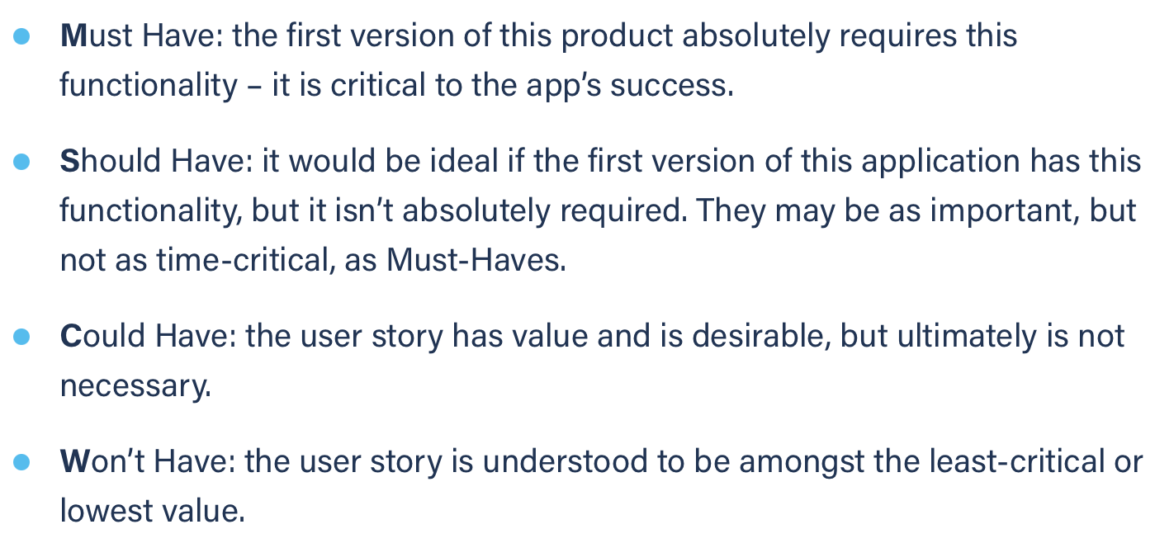
Title: start chat | Priority: Must Have | Estimate: 2
As a student/volunteer
I want to open a chat window with someone
So that I can send him/her a message
Acceptance criteria
Given the username exists in the db
When I hit the “+” button and I submit the username I typed in the modal
Then a new chat with the user is opened, becomes active chat window and a chat button is appened to the left list
Priority explanation: |  | Estimation explanation:

