Sheet 1
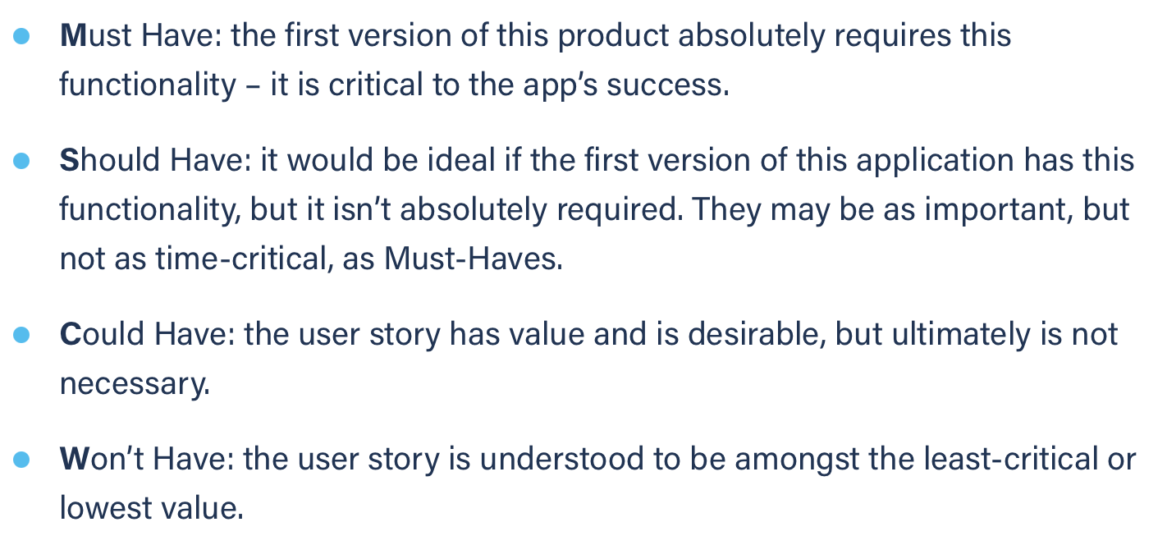
Title: dashboard go to specific chat | Priority: Must Have | Estimate: 1
As a student/volunteer
I want to open a specific chat window from the dashboard “chat notifications” section
So that I can see what the notification is about
Acceptance criteria
Given I have at least one chat window open and I am on the dashboard page
When I click on the button corresponding to a chat
Then the chat page is opened with the right chat as active
Priority explanation: |  | Estimation explanation:

