Sheet 1
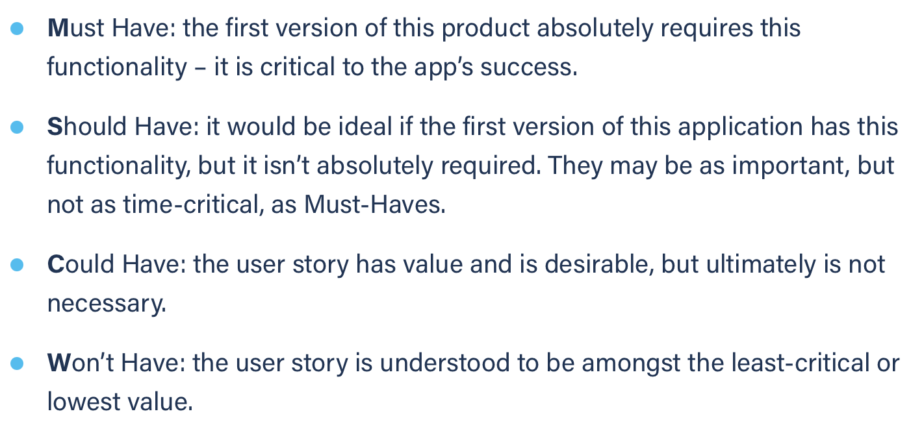
Title: dashboard see full task list | Priority: Must Have | Estimate: 1
As a volunteer/student
I want to see the full list of my tasks in the task management page from the dashboard
So that I can see the tasks that are not shown on the dashboard
Acceptance criteria
Given I have enough tasks registered in my task management tool
When I click on the “…” button below the tasks in my dashboard
Then I am redirected to my task management page
Priority explanation: |  | Estimation explanation:

