Sheet 1
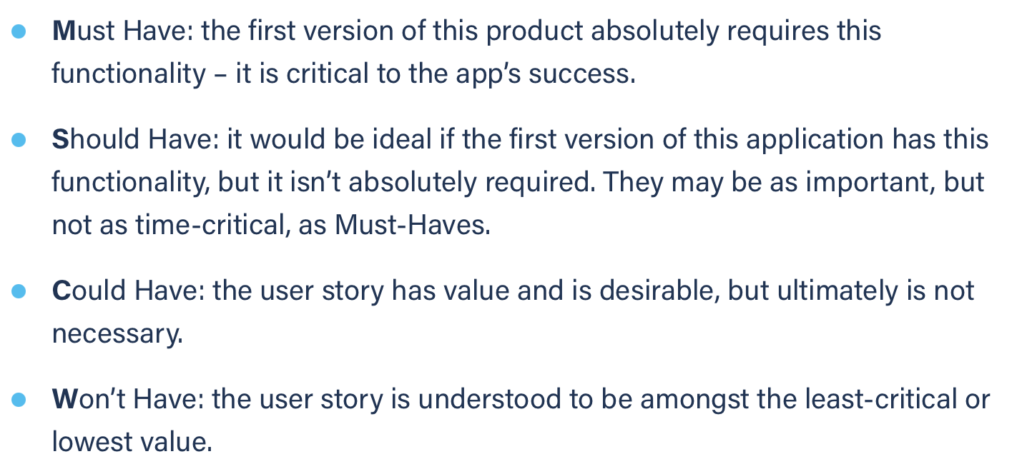
Title: recover password good mail | Priority: Must Have | Estimate: 0.5
As a student/volunteer
I want to recover my password
So that I can login
Acceptance criteria
Given my e-mail address is correct and is found in the DB
When I submit my e-mail address
Then a mail with my password in it is sent to my address
Priority explanation: |  | Estimation explanation:

