Sheet 1
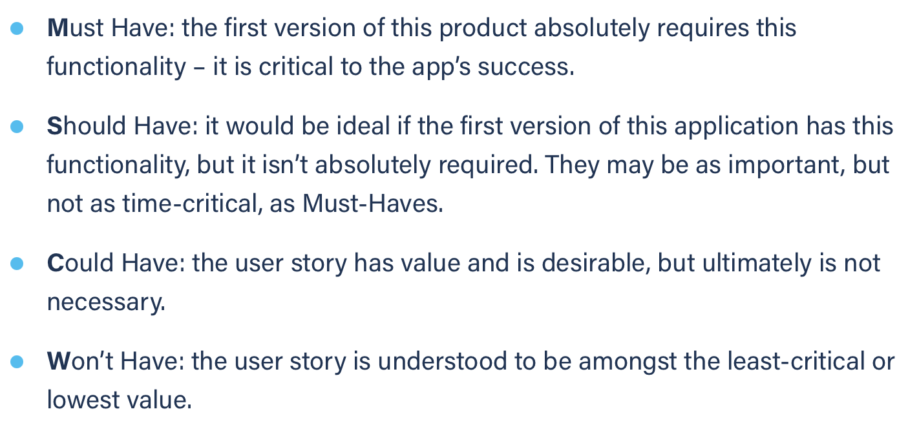
Title: login registered | Priority: Must Have | Estimate: 1
As a student/volunteer
I want to login
So that I can communicate more easily with the other members
Acceptance criteria
Given I am a registered user
When I enter my credentials and submit them
Then I get logged in
Priority explanation: |  | Estimation explanation:

