Sheet 1
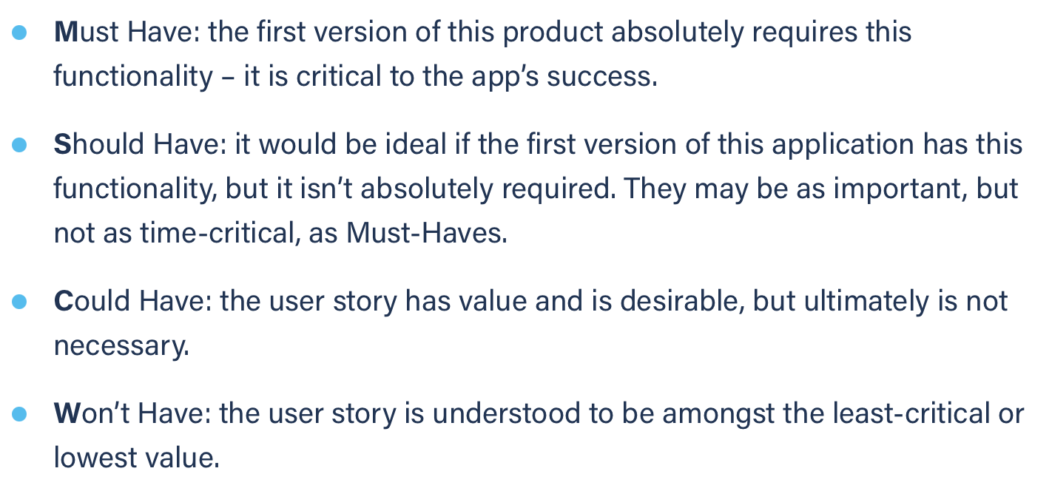
Title: login unregistered | Priority: Must Have | Estimate: 0.5
As a student/volunteer
I want to login
So that I can communicate more easily with the other members
Acceptance criteria
Given I am an unregistered user
When I enter my credentials and submit them
Then the login page displays a login error
Priority explanation: |  | Estimation explanation:

