Sheet 1
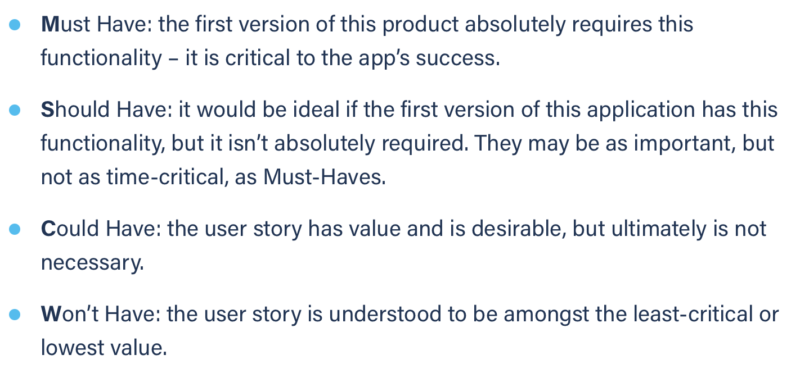
Title: task management add new task as a volu for myself (success) | Priority: Must Have | Estimate: 3
As a volunteer
I want to add a new task to my task management tool
So that I can know what to do in the future
Acceptance criteria
Given I am a volunteer and I am on the task management page and I have filled every input box except for the “student name” box
When I submit the task
Then It is added to the task list without any student name meaning it is a task for myself
Priority explanation: |  | Estimation explanation:

