Sheet 1
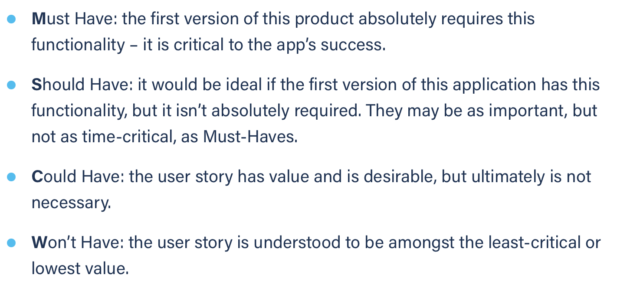
Title: calendar see day schedule | Priority: Must Have | Estimate: 0.5
As a student/volunteer
I want to see all events in a day with time schedule
So that I can organise my day
Acceptance criteria
Given I am on the calendar page and I have some events registered
When click on a day’s square
Then a new page with the day’s schedule is opened
Priority explanation: |  | Estimation explanation:

