Requirements
Requirements for the integration of DSS models in SMP2
keep unchanged levels 1 (GenericObject) and 2 (specific simulator models classes) of the dss keep the specific interfaces of the dss (eg: interfaces for communication with the 1553 bus) add the necessary interfaces for Smp2
Implementation of the SMP2 IModel Interface
Required SMP2 IModel Interface methods
Operation | Parameter (Type) | Return type | Description
configure | logger (::Smp::Services::ILogger) | void | Request the model to perform any custom configuration. The model can create and configure other models using the field values of its published fields. This method can only be called once for each model, and when the model is in Publishing state. The model can still publish further features in this call, and can even create other models, but at the end of this call, it needs to enter the Configured state.
connect | simulator (::Smp::ISimulator) | void | Allow the model to connect to the simulator (ISimulator). This method can only be called once for each model, and only when the model is in the Configured state. When this operation is called, the model immediately enters the Connected state, before it uses any of the simulator methods and services. In this method, the model may query for and use any of the available simulation services, as they are all guaranteed to be fully functional at that time. It may as well connect to other models' functionality (e.g. to event sources), as it is guaranteed that all models have been created and configured before the Connect() method of any model is called.
getState | none | ModelStateKind (SMP2::smp::smp) | Return model state.
publish | receiver (::Smp::IPublication*) | void | Publish fields, operations and properties of the model.

Migration of GenericObject in SMP2
Required new SMP2 classes
Class | Description |  | Example
SMP2Model | For each DSS L-2 Model class that extends GenericObject, an SMP2Model class is created |  | 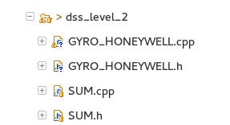 Gyroscope, Sum
SMPModel | A new SMPModel class is crated as root class that works as wrapper for the classes generated above and that implements SMP2::IModel |  | 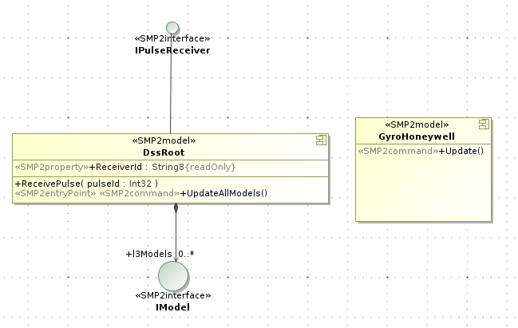 DssRoot is the main class needed for migration, actually it provide the funcionality to connect all the dss models to the simulator specific environment.

