SMP2 ECSS-SMP major changes
N. | Change | Change description | SMP2 | ECSS-SMP | Impact | Ref | Note
1 | No Management Interfaces | 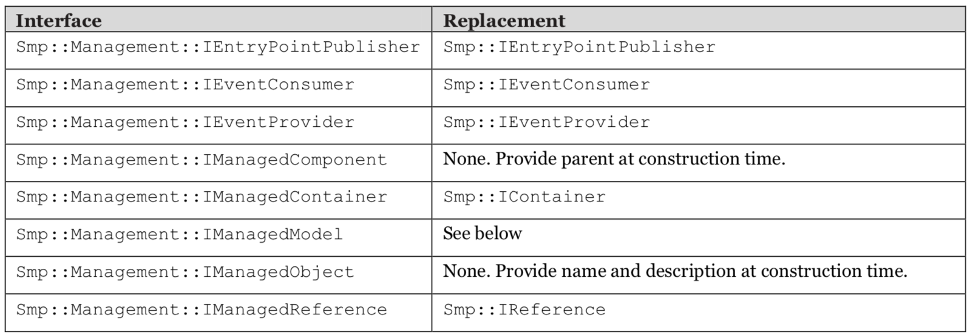 The namespace Smp::Management has been removed. Some of the interfaces have been moved to the Smp namespace, others have been removed. The following table provides a detailed tracing of the interfaces and their operations: | Several interfaces come in two flavours (e.g. IObject and IManagedObject), to minimise the effort for a minimal implementation. | No Management interfaces are included (merged with the unmanaged interfaces or removed) Justification: It was found that all models implement Managed Interfaces anyway, as this can be fully automated via Code Generators. | Impact:Few models make explicit use of interfaces from this namespace. The most significant impact on migration of models is that name, description and parent can no longer be set after construction. Therefore, it makes neither sense to define a default (void) constructor, nor is it possible to set the parent when putting a model into a container. One result from this is that the ECSS SMP code generator only generates a single model constructor, and no Initialise() and Cleanup() functions anymore. Code from those has to be moved to constructor and destructor. While the Container implementation of the MDK did automatically change the parent of a model when adding it, the Container implementation of the CDK throws an exception when adding a model with wrong (different) parent. Such exceptions (typically raised during simulation construction) need to be cleaned before the simulator can be loaded. This affects integration testing as well. The other change with a more significant impact on existing code (both models and tests) is that the operations SetFieldValue(), GetFieldValue(), SetArrayValue() and GetArrayValue() have disappeared. In ECSS SMP, they have to be replaced by a call to GetField(), followed by a second call to GetValue() or SetValue() (for fields of type ISimpleField), or to GetValues() or SetValues() (for fields of type ISimpleArrayField). | [1,3]
2 | Composition of Objects, not of Components | In SMP2, the parent of a Component is another Component. In ECSS SMP, the parent of an Object is another Object. Therefore, calls to GetParent() now return IObject, not IComponent. | GetParent() returns IComponent | GetParent() returns IObject | Impact: Ensure that the variable that takes the return value of a call to GetParent() is of type IObject, or the return value is casted to IObject. | [1]
3 | Change from SimpleTypeKind to PrimitiveTypeKind | In ECSS SMP, the SMP2 enumeration SMP::SimpleTypeKind has been renamed to Smp::PrimitiveTypeKind, and all literals have changed their prefix from STK_ to PTK_. | SMP::SimpleTypeKind | Smp::PrimitiveTypeKind | Impact: All uses of type and enumeration literals have to be replaced. | [1]
4 | Resolver now resolves Objects | In SMP2, the Resolver can only be used to resolve Components by path. In ECSS SMP, this can be done for objects as well; hence, the operations return IObject, not IComponent. |  |  | Impact: Ensure that the variable that takes the return value of a call to the Resolver is of type IObject, or the return value is casted to IObject. | [1]
5 | New Interface ICollection replacing std::vector | In SMP2, various collection types are defined via std::vector, e.g. typedef std::vector<IComponent*> ComponentCollection; typedef std::vector<IContainer*> ContainerCollection; typedef std::vector<const IEntryPoint*> EntryPointCollection; typedef std::vector<IEventSink*> EventSinkCollection; typedef std::vector<IEventSource*> EventSourceCollection; typedef std::vector<IFactory*> FactoryCollection; typedef std::vector<IModel*> ModelCollection; typedef std::vector<IReference*> ReferenceCollection; typedef std::vector<IService*> ServiceCollection; In ECSS SMP, the types are no longer defined, only an interface is used: typedef Smp::ICollection<IFailure> FailureCollection; typedef Smp::ICollection<IReference> ReferenceCollection; typedef Smp::ICollection<IProperty> PropertyCollection; typedef Smp::CollectionIterator<T> const_iterator; typedef Smp::ICollection<IParameter> ParameterCollection; typedef Smp::ICollection<IEventSource> EventSourceCollection; typedef Smp::ICollection<IComponent> ComponentCollection; typedef Smp::ICollection<IField> FieldCollection; typedef Smp::ICollection<IContainer> ContainerCollection; typedef Smp::ICollection<IModel> ModelCollection; typedef Smp::ICollection<IService> ServiceCollection; typedef Smp::ICollection<IFactory> FactoryCollection; typedef Smp::ICollection<IOperation> OperationCollection; typedef Smp::ICollection<IEventSink> EventSinkCollection; typedef Smp::ICollection<IEntryPoint> EntryPointCollection; | typedef std::vector<IFactory*> FactoryCollection;typedef std::vector<IContainer*> ContainerCollection; | New Interface ICollection replacing std::vector: typedef Smp::ICollection<IFactory> FactoryCollection; typedef Smp::ICollection<IContainer> ContainerCollection; | Impact: To work with those collections, e.g. to iterate over all objects, the operations of the std::vector have to be replaced by those of the ICollection interface. | [1]
6 | New Visibility Kinds & and change of default | In SMP2, the visibility of a Field is defined via a Boolean, where the default is true for visible. In ECSS SMP, the visibility is of a Field, Property and Operation is defined via an enumeration with literals VK_None, VK_Debug, VK_Expert and VK_All, where the default is VK_None. | SMP2 has only two levels (visible/invisible) for Fields, and no way to control visibility of Operations or Properties. The visibility of a Field is defined via a Boolean, where the default is true for visible. | Four visibility kinds are defined for Fields, Operations and Properties via an enumeration with literals : VK_All VK_Expert VK_Debug VK_None where the default is VK_None. | Impact: All uses of type and enumeration literals have to be replaced. | [1]
7 | New support for modelling Exceptions | Most source code implementing Exceptions has been removed from the standard. | In SMP2, the exceptions defined in the standard have an implementation. | In ECSS SMP, the exceptions do not have an implementation. | Impact: New features that now should be done according to the ECSS SMP standard. The change does not make a difference for a catch statement, calls to throw have to be updated. Whenever code throws an exception, a class implementing the exception type of ECSS SMP has to be used. For each exception of the standard, the CDK provides an implementation. | [1,2]
8 | Different semantics and the example of Fallible and Forcible | ECSS SMP was integrated making an effort to minimise migration effort for existing models. However, difficulties are to be expected in the few areas where ECSS SMP and (the UMF/SIMSAT tailoring of) SMP2 have a different semantic. As an example, Fallible and Forcible are attributes that can be attached to elements: They were not covered by SMP2. As an extension, these were added to UMF and SIMSAT, but in a way not fully compatible with the interfaces now defined by ECSS SMP. |  | Smp::ISimpleField::IForcibleField Smp::IModel::IFallibleModel | Impact: the use of these features requires a different approach by the modeller (change of semantic), and hence design and code changes to existing models. | [2]
9 | New support for modelling of Services and Models | 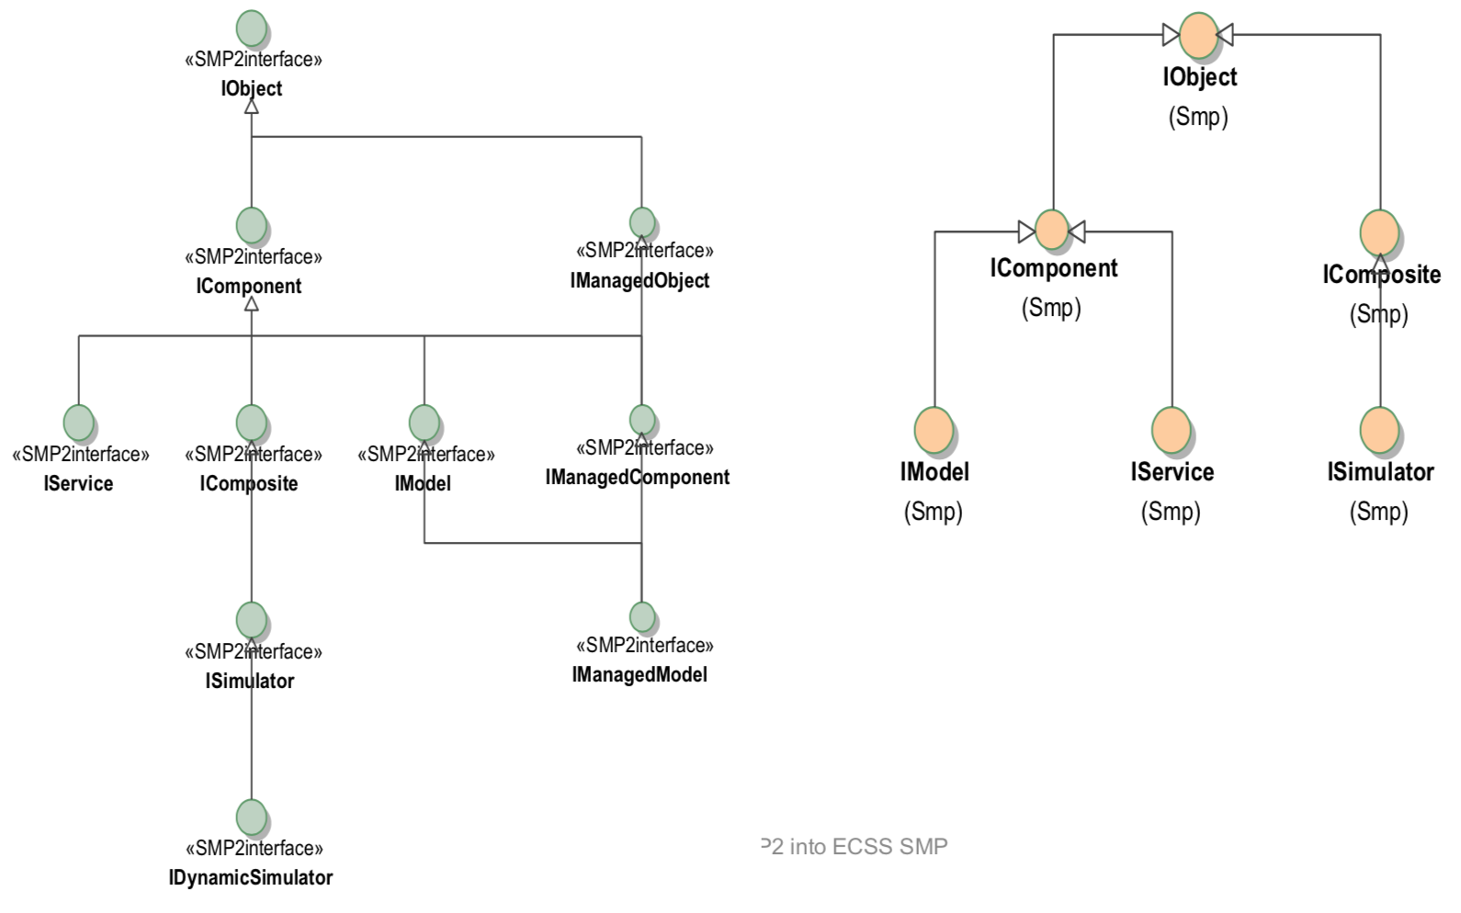 | In SMP2, Models and Services differ fundamentally, both in their interface (IModel versus IService), and in their state machine (which is only defined for Models) | Models and Services are almost identical and extend IComponent. They define a dedicated Icollection type. Justification: Services need all features that Models need: They may publish information, and need to store their state They may access other services (e.g. for Logging) | Impact: New features that now should be done according to the ECSS SMP standard. | [2,3] | A migration of existing Models (UML design and source code) can either be done only to a level that the code compiles and runs (with catalogue and code generation done by UMF), or to a level where all new features added to ECSS SMP are actively used. Clearly, the latter approach is more effort, but ensures that features like forcing and failing are used in a generic (standardised) way, and hence will work outside of SIMSAT as well.
10 | Component model | Component Model has been consolidated in ECSS SMP, leading to the removal of several interfaces (e.g. all interfaces in the namespace Smp/Management). |  |  | Impact: In rare cases, where models explicitly use such interfaces (rather than the code generated by the Code Generator), changes to source code (or even UML design) are necessary. | [2]
11 | Type | Each use of an SMP2 type (AnySimple, EventId, etc.) has to be replaced by the ECSS SMP counterpart |  |  | Impact in migration of UML Models: for GENM, it was possible to fully automate this. | [2]
12 | Interface | Each use of an SMP2 interface (IObject, IModel, etc.) has to be replaced by the ECSS SMP counterpart (See change 1 and 5) |  | In ECSS SMP, the interfaces have been rationalized, and many interfaces have been merged. | Impact in migration of UML Models: manual changes were needed, but this was rarely used. | [2] | such interfaces have to be identified
13 | Attributes | Each use of an SMP2 attribute (Operator, Minimum, etc.) has to be replaced by the ECSS SMP counterpart |  |  | Impact in migration of UML Models: significant effort was the migration of SMP2 attributes, due to the decision taken in earlier versions of UMF to add UMF specific attributes under SMP2 (in namespace SMP/Attributes). Some of these attributes are now standardized as part of ECSS SMP, and hence can be re-linked to their counterpart. For those not standardized, a new extensions namespace was created under esa::ecss::smp, to clearly document that these attributes are part of an ESA extension of ECSS SMP, and are not part of the standard. The UML model providing these attributes has to be referenced. | [2]
14 | Manual publication | Manual publication: Where fields or operations are published manually (i.e. not in code that was auto-generated by the UMF Code Generator from a Catalogue), the view flag (in SMP2) had to be replaced by a view state (from an enumeration, e.g. Smp::ViewKind::VK_All) |  |  |  | [2]
15 | Assembly and Schedule |  | In SMP2, it is possible to define a hierarchy of Models in an external XML File, called an Assembly. It can be used to initially define a Simulation or to export and import Simulation. In an additional file (called Schedule), the events put on the Scheduler service can be defined/exported/imported | This concept has been dropped from ECSS E-ST-40-07 Exchange of Simulation between different environments is no longer standardised. Justification: No mandate from ECSS to include Level 2. |  | [3] | Changes refer to the draft ECSS-SMP
16 | Configuration file |  | SMP2 has a single file (the Assembly) to define hierarchy and state. Initial Values of Simulation Models are defined in the Assembly. | New file format for both initial values or values at later times. ( In the draft of ECSS SMP (and in E-TM-40-07), a new Configuration file format has been added. This file format can not only be used for initial values, but as well at any later time. This format has already been used with SMP2 models Justification: Initialising and setting values from file is essential.) |  | [3] | Changes refer to the draft ECSS-SMP
17 | CORBA IDL |  | In SMP2 and E-TM-40-07, the Component Model (set of interfaces to use for communication) has been defined in CORBA IDL, with a specific Platform Mapping to the C++ Platform | In the draft of ECSS SMP, the interfaces are defined in C++ 11 only Justification: No plan to support other Platform next to C++ |  | [3] | Changes refer to the draft ECSS-SMP
18 | Services |  | SMP2 has the concepts of Mandatory and Optional Services The Resolver is defined as an optional service | In the draft of ECSS SMP, all Simulation Services are mandatory Justification: Use of optional services could affect portability. |  | [3] | The mandatory features of an SMP runtime environment are specified as services. See sec. 4.7.4. See clause 5.3 and Figure 4-5 of ECSS-E-ST-40-07C(2March2020)
19 | Links |  | Links are not tracked to a component (they can be References to a Model, a connection to an Event Sink, a pointer to Entry Points…) | In ECSS SMP, a Link Registry Services has been added. Components can implement ILinkingComponent to support this Justification: E.g. for separation, all links to a component shall be removed. |  | [3] | Changes refer to the draft ECSS-SMP
20 | Failures | 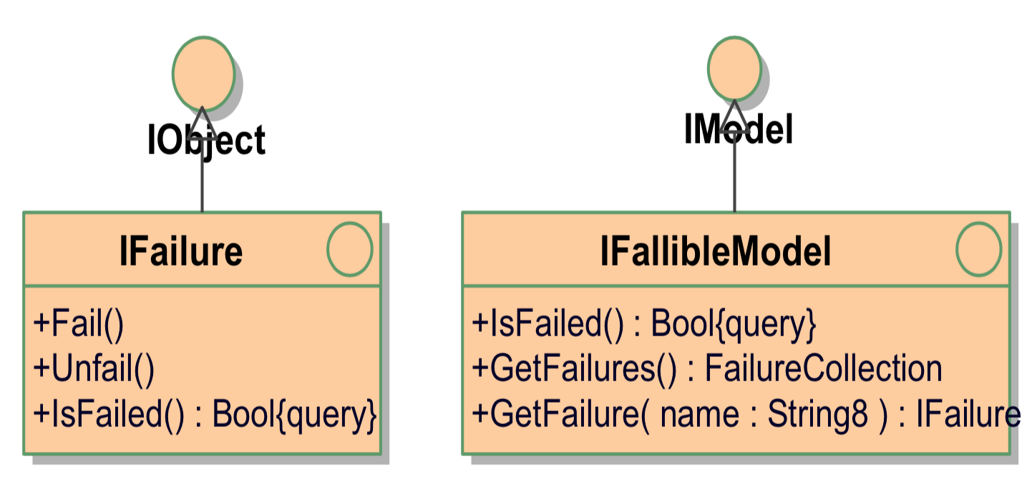 Two new interfaces have been defined: IFailure is an interface to a single Failure (object) IFallibleModel extends IModel to provide access to Failures (See change n.8) | SMP2 has no support for Failures | In the draft of ECSS SMP (and in E-TM-40-07), two interfaces have been defined: IFailure is an interface to a single Failure (object) IFallibleModel extends IModel to provide access to Failures Justification: Modelling of failures shall be covered by the standard. |  | [3] | Changes refer to the draft ECSS-SMP
21 | String Support for Data Flow and Events |  | Partial support for strings: Only fixed-length strings are supported | String8 has been added to the enumeration of primitive types, and to AnySimple Use of Strings in Data Flow Use of Strings in inter-component Events Justification: String support was found essential |  | [3] | Changes refer to the draft ECSS-SMP
22 | Improved Support for Data Flow |  | SMP2 has basic support for data flow between fields of simple type, triggered externally e.g. via Assembly and Schedule files | In the draft of ECSS SMP, this has been extended significantly to support fields of complex types (structures and arrays), and to allow for autonomous data transfer triggered by the models themselves Justification: Support for data flow was not found to be sufficient. |  | [3] | Changes refer to the draft ECSS-SMP
23 | Interfaces to Access Fields | 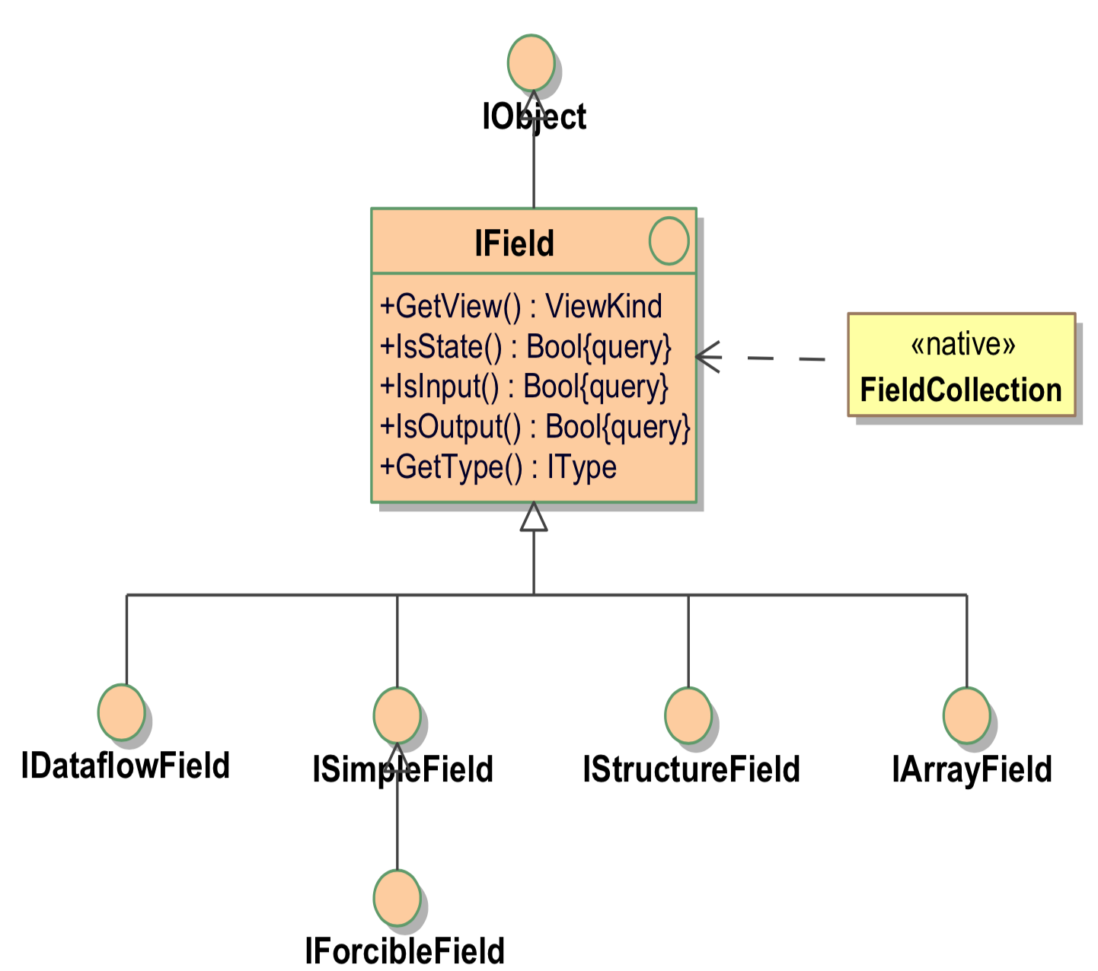 | SMP2 allows publication of Fields, but has no interfaces for Fields | Various interfaces to access fields as objects have been defined: IField is the base interface for all fields ISimpleField is the interface to a field of simple type IStructureField is the interface to a field of structure type IArrayField is the interface to a field of an array type IDataflowField is the interface to a field that supports data flow IForcibleField is the interface to a simple field allowing forcing Justification: Data flow and forcing require field objects (interfaces). |  | [3]
24 | Improved Support for Integration of Emulators | 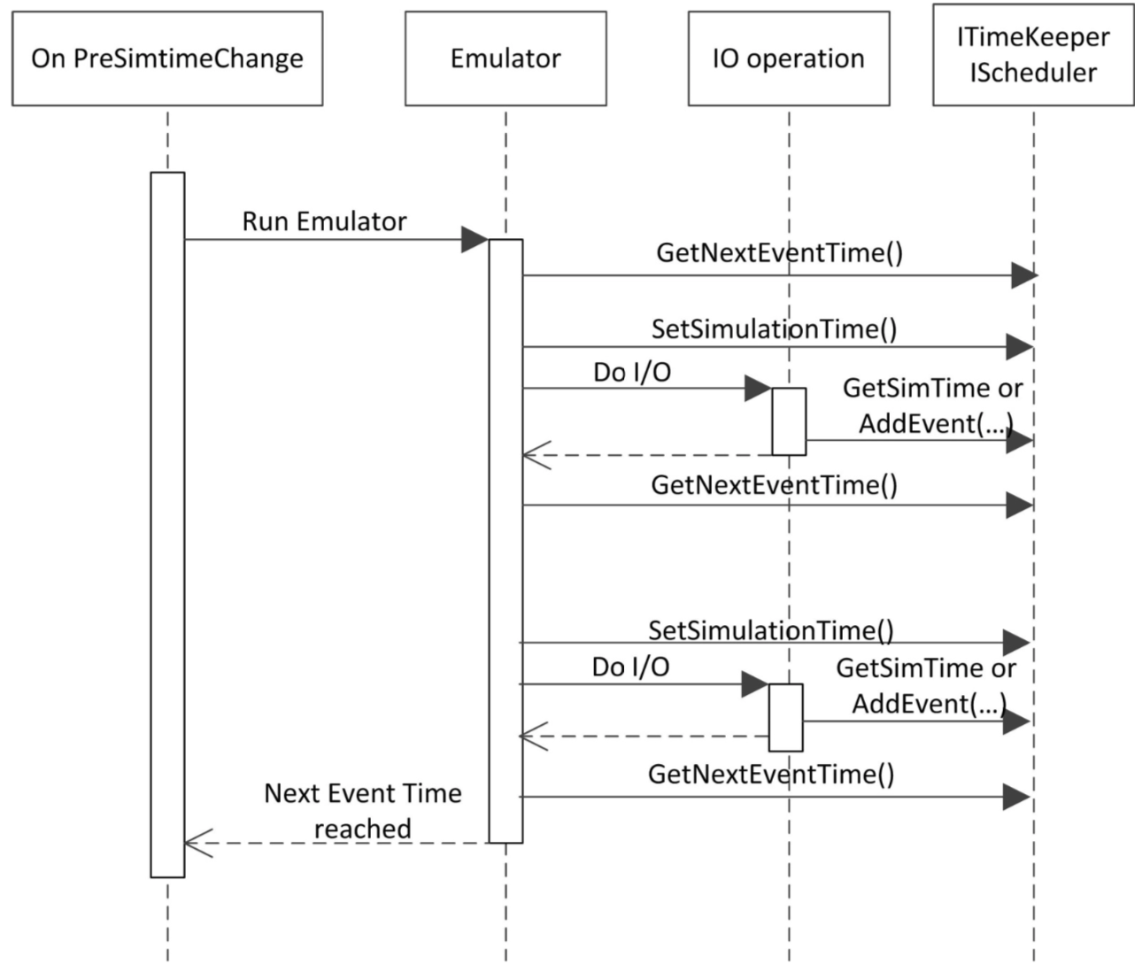 | Limited support for an integration of an Emulator with the SMP Scheduler and Time Keeper services | An Emulator can modify Simulation Time (via SetSimulationTime), so that during a call-out, other Models get the correct simulation time. For that, it can query for the simulation time of the next event on the scheduler (as it must not set a simulation time beyond the time of the next scheduled event). Justification: Accurate timing is essential for many simulators. |  | [1]
25 | Visibility Kinds | See change n. 14 | SMP2 has only two levels (visible/invisible) for Fields, and no way to control visibility of Operations or Properties. | In the draft of ECSS SMP (and in E-TM-40-07), four visibility kinds are defined for Fields, Operations and Properties: All Expert Debug None Justification: Need to be able to control visibility in User Interface. |  | [3] | Changes refer to the draft ECSS-SMP
26 | C++ 11 | In C++ 11, enumerations can now be represented as strong types, allowing fully qualified literals. In C++ 11, constants shall be defined within classes, not within namespaces. | several types (e.g. 64 bit integers) are defined in a header file “Platform.h” that needs tailoring for each platform. | No such tailoring is needed anymore, as C++ 11 provides all required data types as part of the language. Additional keywords like nullptr or noexcept are used. Finally, throw declarations have been removed (deprecated). |  | [2,3]
27 | Implementation |  | In SMP2, some code is provided e.g. for the exceptions defined in the specification, or for the registration of types into the type registry. | In the draft of ECSS SMP, no implementation code is included anymore. Justification: The standard shall only define interfaces. |  | [3]
28 | New Development Kit | The new Component Development Kit (CDK) has been developed as part of SIMULUS Next Generation. Changes required due to the change from Smp::Mdk to esa::ecss::smp::cdk are not reported in [2], as it was an explicit design decision to change the namespace; an ECSS SMP MDK can well be kept in the namespace Smp::Mdk. The majority of such changes are automated as well, and only few manual changes were needed. | Model Development Kit | Component Development Kit supporting both models and services |  | [2]
29 | Use of Stub Models for Testing | Many of the Generic Models unit or integration tests use stub models. While these are SMP2 models that could (and maybe should) have been generated from a UML design and SMP2 Catalogue, they had typically been hand-written. This has significantly increased the effort of their migration from SMP2 to ECSS SMP, especially for publication (all methods of the IPublication interface have changed) and state transitions (the Configure() operation has a new parameter in ECSS SMP). For future maintenance of the stubs, it is therefore recommended to generate them from UML design using UMF. |  |  |  | [2]
30 | Model Parent | GENM Unit Tests typically test a single class, model or service, while integration tests typically test a small assembly. This assembly is generated with C++ code. | The parent was updated using SetParent() when adding a model under its parent model, but this setter has been removed in ECSS SMP | ECSS SMP models need to get their parent provided at construction time (in the constructor), no longer when they are added to a container of their parent | Impact in MIGRATION OF GENERIC MODELS TESTS: In the existing test code, it was found that constructors were often called without a parent (which was easy to spot and fix), but in some cases with a wrong parent (which was later fixed using the SetParent()call). These cases were harder to spot, so a cross-checking in the AddComponent() operation of the Container template has been added.
31 | Storage of Fields in a Collection | While unique names for the fields of a model are a sensible idea in SMP2 already, the SMP2 Model Development Kit does neither check nor enforce this. Therefore, several models do exist in GENM which publish the same field twice (not a real problem, but a memory overhead), or even two different fields with the same name (in which case only one of them is accessible). In all these cases, ECSS SMP now terminates during publication with a DuplicateName exception. |  | In ECSS SMP, a new interface IField and a corresponding operation GetFields() of the IComponent interface have been added. Correspondingly, the fields of a model are now stored in a collection, which mandates unique names. |  | [2] | Assembly from Source Code GENM Unit Tests typically test a single class, model or service, while integration tests typically test a small assembly. This assembly is generated with C++ code.
32 | Enumerations |  | In SMP2, enumerations map to a C++ enum type. | In ECSS SMP, they map to a strongly typed enum class. |  |  | from Laura's issues
33 | Management | See change n. 1 | Management namespace | Removed namespace (from all associated classes too, e.g., IManagedComponent) |  |  | from Laura's issues
34 | Constructor |  | Managed components/objects can set their name, description and parent after construction | SetName/Description/Parent have to be implemented at construction time |  |  | from Laura's issues
35 | _Initialise & _CleanUp |  | In SMP2, models have two constructors, the default constructor, and one taking name, description and parent. Both call the same _Initialise() function, to avoid duplication of code. For symmetry, the same has been done with the (single) destructor, which calls a _Cleanup() function. | In ECSS SMP, only one constructor is generated, so the initialisation code can be placed in this constructor, and the clean-up code in the destructor. |  |  | from Laura's issues
36 | Properties |  | In SMP2 and SIMULUS 7 (UMF templates and SIMSAT runtime), each property has been translated into one or two operations of the type set_<Property>() and get_<Property>(). | In ECSS SMP and SIMULUS 10, a property is simply accessed via its name. |  |  | from Laura's issues
37 | Properties of array types |  | In SMP2 and SIMULUS 7 (UMF templates and SIMSAT runtime), access to each 1-dimensional array property has been supported via <Property>[i] both for read and write access. <Property>[i] = pi | In ECSS SMP and SIMULUS 10, this still works for read access, but not for write access. On the other hand, such properties can be used as arrays. <Property> = [p1,p2,..,pn] |  |  | from Laura's issues
38 | Set/GetFieldValue() |  | SetFieldValue(), GetFieldValue() | The operations SetFieldValue(), GetFieldValue(), SetArrayValue() and GetArrayValue() have disappeared. In ECSS SMP, they have to be replaced by a call to GetField(), followed by a second call to GetValue() or SetValue() (for fields of type ISimpleField), or to GetValues() or SetValues() (for fields of type ISimpleArrayField). |  |  | from Laura's issues

Sources:
[1] Technical note: SIMULUS NG Migration Guide, GIMUS Simulation Domain Team TPZV for ESA, 01.12.2020 (ref: ESA-SIMNG-SIM-TN-0001)
[2] Paper: An experimental ECSS SMP development and runtime environment. Peter Fritzen, Stephan Kranz, Anthony Walsh. Workshop on Simulation and EGSE for Space Programmes (SESP),ESA-ESTEC
[3] EVOLUTION OF SMP2 INTO ECSS SMP, SESP 2017, 28/03/2017, Peter Fritzen, Alberto Ingenito (Telespazio VEGA), Robert Blommestijn, Vemund Reggestad, Anthony Walsh (ESA)

