Foglio1
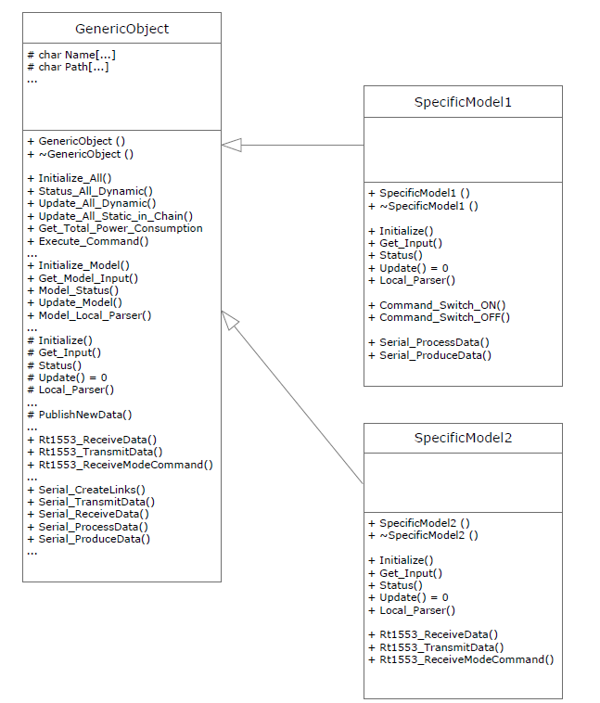

Interfaces: Differences between Dss and SMP2
DSS |  |  | SMP2
Categories | Method | Description | Categories | Method | Description
Switch On/off | Command_Switch_OFF |  | Not present
 | Command_Switch_ON
Log | Log_Debug |  | ILogger | GetLogMessageKind
 | Log_Error |  |  | Log
 | Log_Message
 | Log_Open_Custom
 | Log_Warning
 | Log_Write
 | LogFileSetPath

